Notes
Source | Notes

cedelft-ecn-tno
p.84
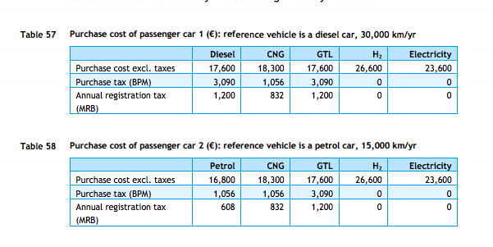

 |  | 26600 | euro

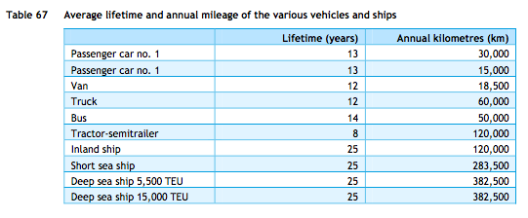

 |  | 13 | yrs

DOE
p. 29
 |  | 67 | MPGE (Miles per gallon gasoline equivalent

 |  | 3.78541 | L equals 1 gallon
 |  | 43.2 | MJ/kg (gasoline, see gasoline.carrier)
 |  | 0.745 | kg/L
 |  | 1.60934 | km/miles

 |  | 0.54994829261 | Miles per MJ
 |  | 0.88505378524 | km/MJ

cedelft-ecn-tno
p.64

 |  | 1.1 | MJ/km
 |  | 0.90909090909 | km/MJ

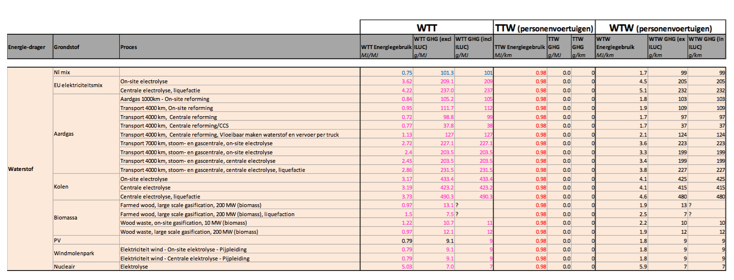
cedelft-ecn-tno2
p.184

 |  | 0.98 | MJ/km
 |  | 1.0204081633 | km/MJ

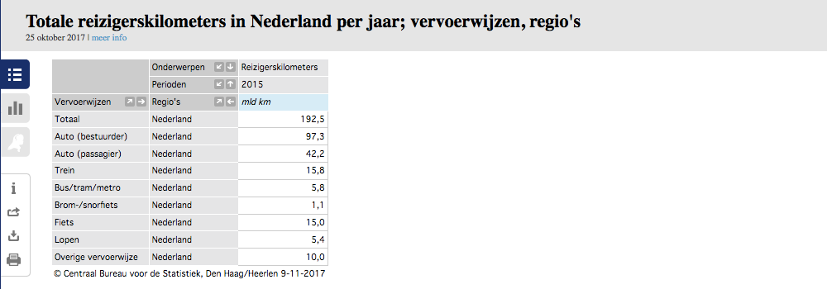
CBS | vehicle km | 105088.9 | mln vehicle km
 |  | 105088900000 | vehicle km
 | passenger km | 139.5 | mld passenger km
 |  | 139500000000 | passenger km

 |  | 1.327 | passenger km/vehicle km

 | output.passenger_kms | 1.3545382888 | passenger km/MJ | cedelft-ecn-tno2
 | output.passenger_kms | 1.2067704755 | passenger km/MJ | cedelft-ecn-tno
 | output.passenger_kms | 1.1748624549 | passenger km/MJ | DOE

