Notes
Source | Notes

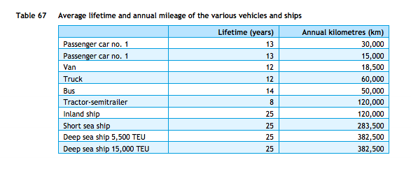
cedelft-ecn-tno
p.87

 | 13 | yr

ECN
p.19

 | 1500-3000 | euro
Average | 2250

p.20

 | 20%

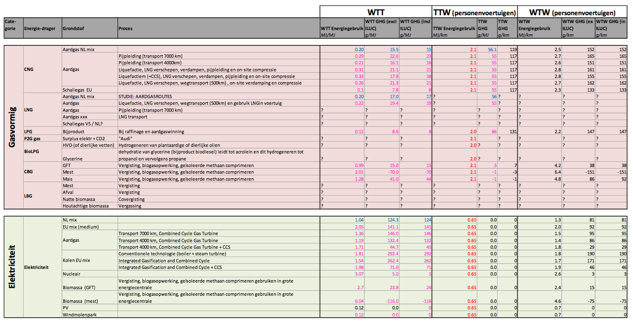

tno-cedelft-ecn: brandstofmix
p.183

 | 2 | MJ/km
 | 0.5 | km/MJ

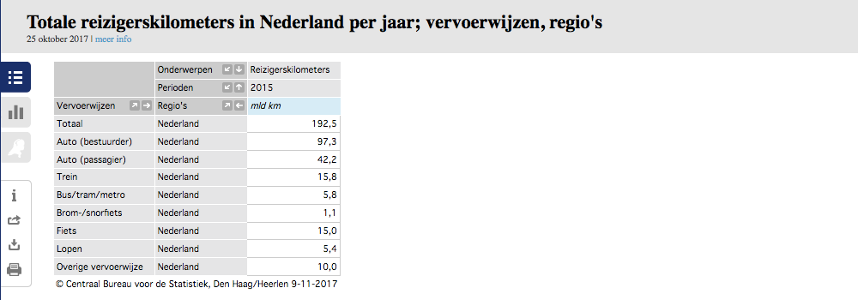
CBS | vehicle km | 105088.9 | mln vehicle km
 |  | 105088900000 | vehicle km
 | passenger km | 139.5 | mld passenger km
 |  | 139500000000 | passenger km

 |  | 1.327 | passenger km/vehicle km

 | output.passenger_kms | 0.6637237615 | passenger km/MJ | cedelft-ecn-tno2

