Notes
Sources |  | Notes

 |  | NOTE: This efficiency is used to derive the efficiency of passenger trains using diesel

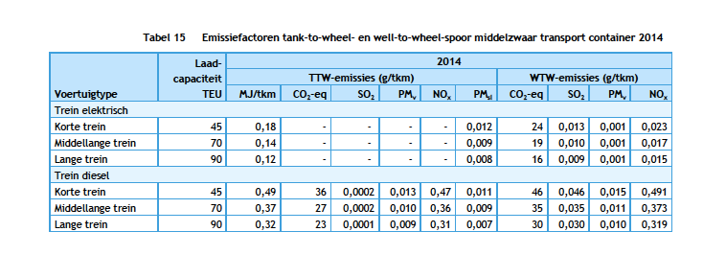
CE Delft
page 29 | train efficiency | 0.37 | MJ/ftk
 | output.freight_tonne_kms | 2.7027027027 | ftk/MJ

