Electricity
Final electricity demand | 90491.49 | IEA energy balance NL 2013

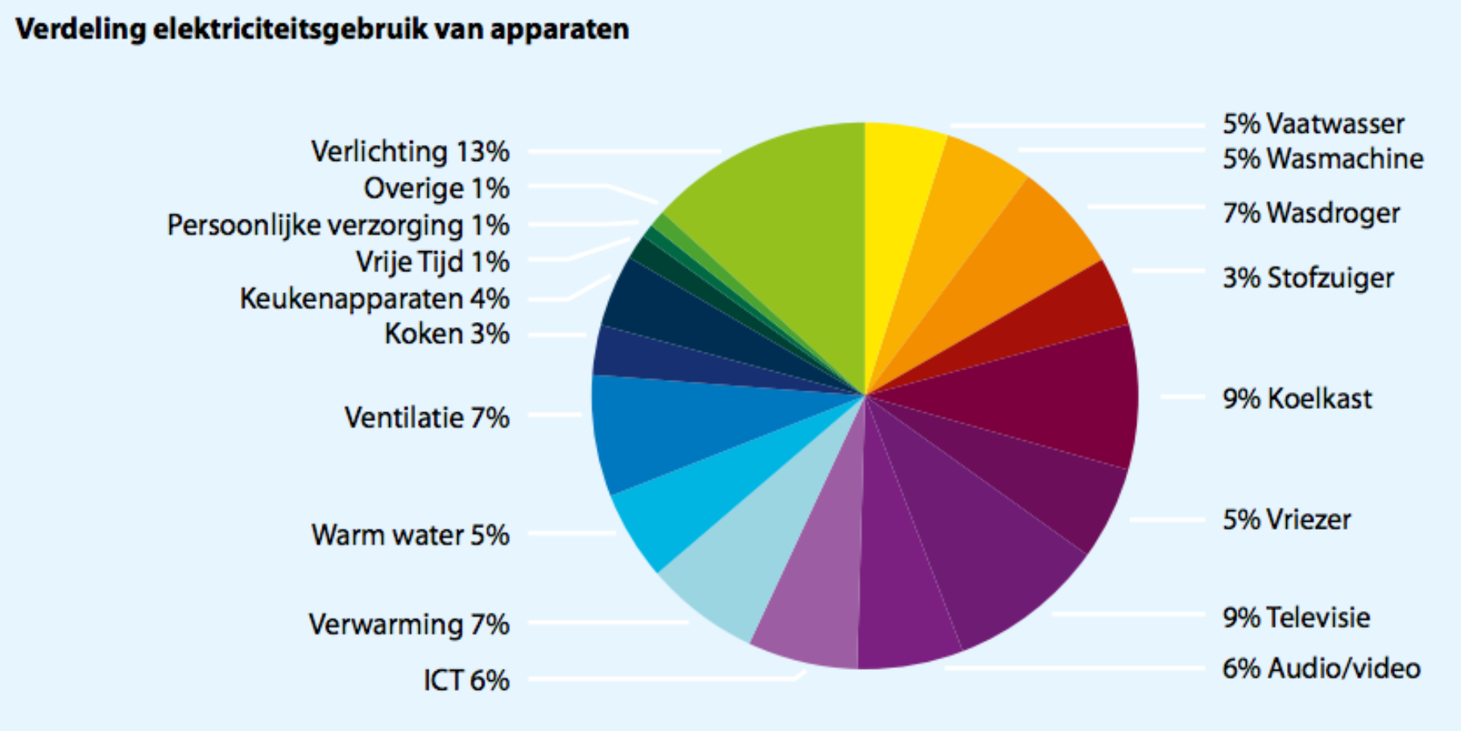
 | Enenrgietrends 2014
vaatwasser | 5.00%
wasmachine | 5.00%
wasdroger | 7.00%
stof. + rest | 3.00%
koelkast | 9.00%
vriezer | 5.00%
televisie | 9.00%
audio/video | 6.00%
ict | 6.00%
verwarming | 7.00%
warmwater | 5.00%
ventilatie | 7.00%
kookapp. | 3.00%
keukenapp. | 4.00%
vrije tijd | 1.00%
pers. verz. | 1.00%
overig | 1.00%
verlichting | 13.00% |  | Source: | Energietrends 2014, page 9 (ECN, Energie-Nederland en Netbeheer Nederland)
totaal |  |  | Hyperlink: | http://refman.et-model.com/publications/2027

The numbers from Energietrends 2014 need to be recast on the ETM categories.
As these numbers do not add up to 100%, they have to be corrected.

Category | Original data | Corrected data | Final electricity demand
Dishwasher | 5.00% | 5.15% | 4664.51
Fridges / Freezers | 14.00% | 14.43% | 13060.63
Washing Machines | 5.00% | 5.15% | 4664.51
Dryers | 7.00% | 7.22% | 6530.31
Television | 9.00% | 9.28% | 8396.12
Computers / Media | 12.00% | 12.37% | 11194.82
Vacuum Cleaners | 3.00% | 3.09% | 2798.71
Others | 7.00% | 7.22% | 6530.31

Space heating | 7.00% | 7.22% | 6530.31
Hot water | 5.00% | 5.15% | 4664.51
Lighting | 13.00% | 13.40% | 12127.73
Cooking | 3.00% | 3.09% | 2798.71
Cooling | 7.00% | 7.22% | 6530.31

The numbers in red are used to the 'Final demand per energy carrier' sheet (use Trace Dependents to find their destination)

