Notes
Sources | Page |  | Notes

EU JRC_201111_Well-to-wheel analysis of future automotive fuels and powertrains in the European context (version 3c) WTT Appendix 1
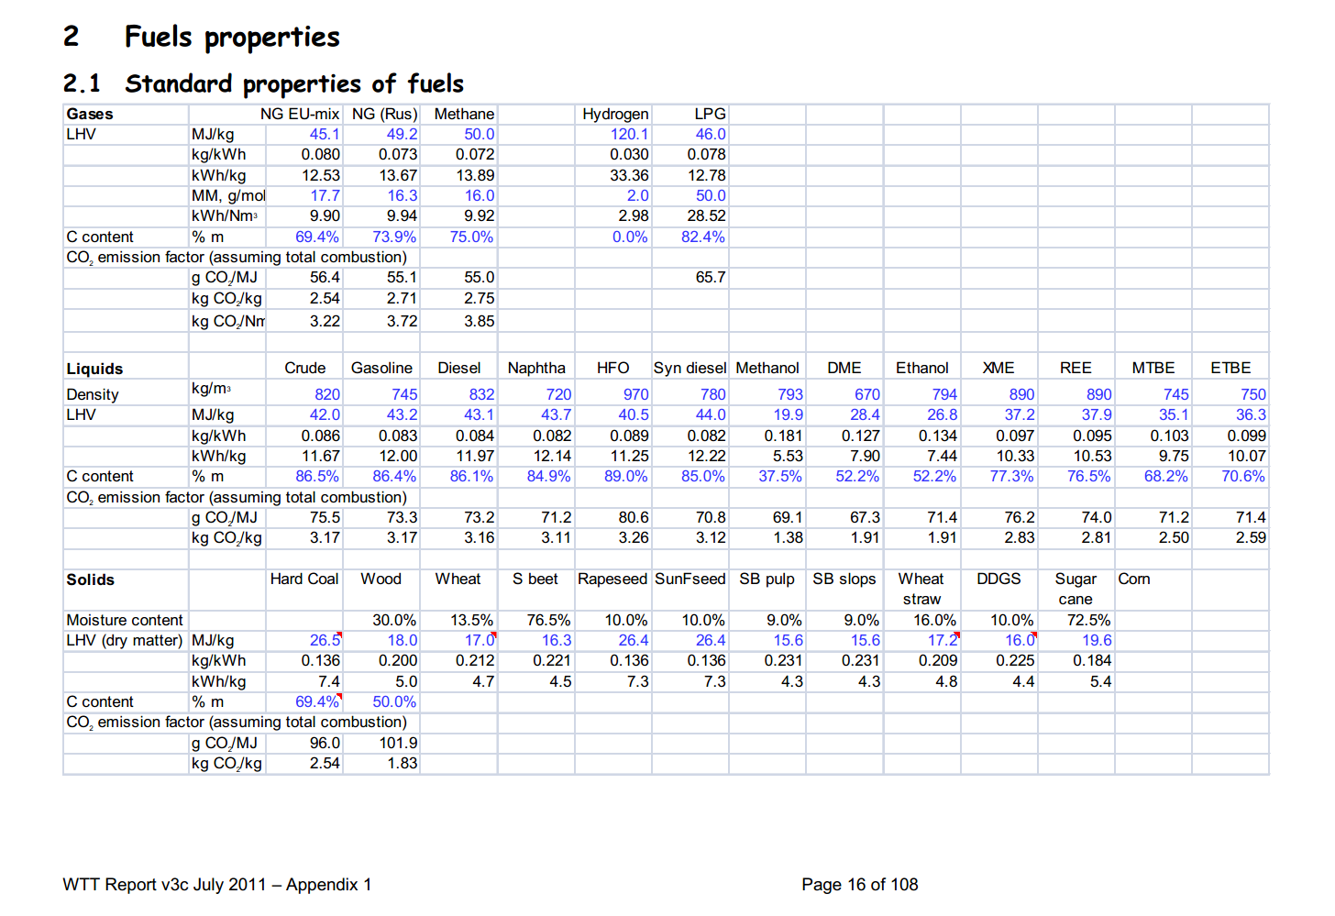

 | 16 | Gasoline | 745 | kg/m3 | Density
 |  |  | 43.2 | MJ/KG | LHV
 |  |  | 0.745 | kg/dm3 | transform to kg/Liter
 |  |  | 32.184 | MJ/L | LHV
 |  |  | 0.072 | kg/MJ | CO2 emission factor

 |  | Diesel | 832 | kg/m3 | Density
 |  |  | 43.1 | MJ/KG | LHV
 |  |  | 0.832 | kg/dm3 | transform to kg/Liter
 |  |  | 35.8592 | MJ/L | LHV
 |  |  | 0.0732 | kg/MJ | CO2 emission factor

 |  | LPG
 |  |  | 46 | MJ/KG | LHV
 |  |  | #REF! | kg/L | density @ 8 deg C
 |  |  | #REF! | MJ/L | LHV
 |  |  | 0.0657 | kg/MJ | CO2 emission factor

 |  | Methanol | 19.9 | MJ/KG | LHV
 |  |  | 793 | kg/m3 | density @ 8 deg C
 |  |  | 0.793 | kg/ltr
 |  |  | 15780.7 | MJ/m3 | LHV
 |  |  | 0.0691 | kg/MJ | CO2 emission factor

 |  |  | 256.67 | euro/tonne
 |  |  | 0.25667 | euro/kg
 |  |  | 0.01289798995 | euro/MJ

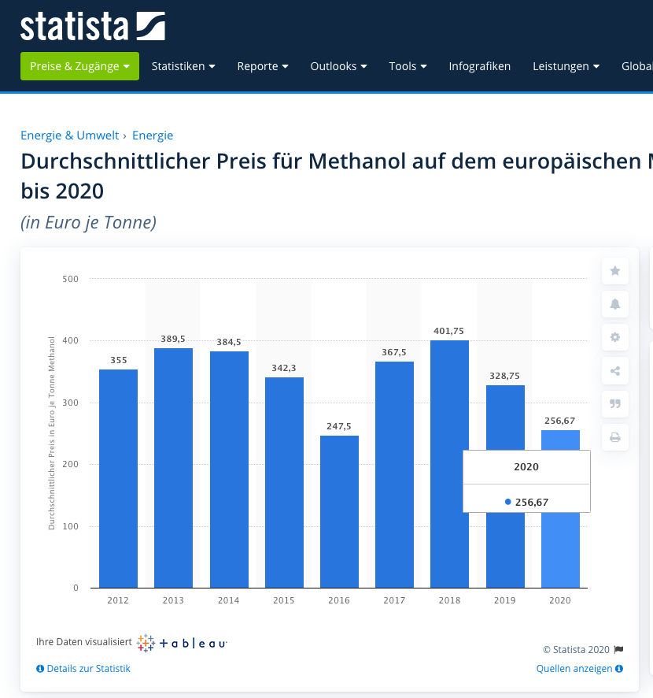

https://de.statista.com/statistik/daten/studie/730823/umfrage/durchschnittlicher-preis-fuer-methanol-auf-dem-europaeischen-markt/

