Notes
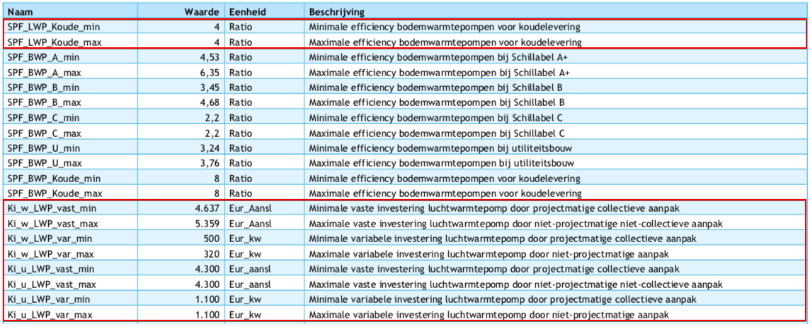
Source
heat_output_capacity | 2.25 | MW

Vesta Functioneel Ontwerp 4.0
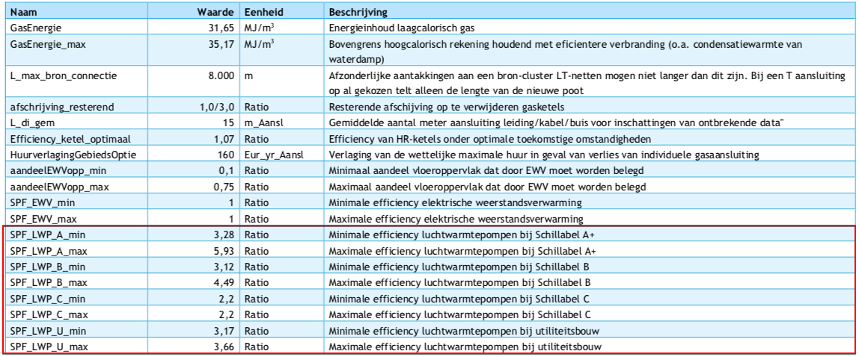
vaste investeringen | 4300 | euro/aansluiting | Ki_u_LWP_vast_min
variable investeringen | 1100 | euro/kW | Ki_u_LWP_var_min
initial_investment | 2479300 | euro/unit

