Notes
Source
Vesta Functioneel Ontwerp 4.0
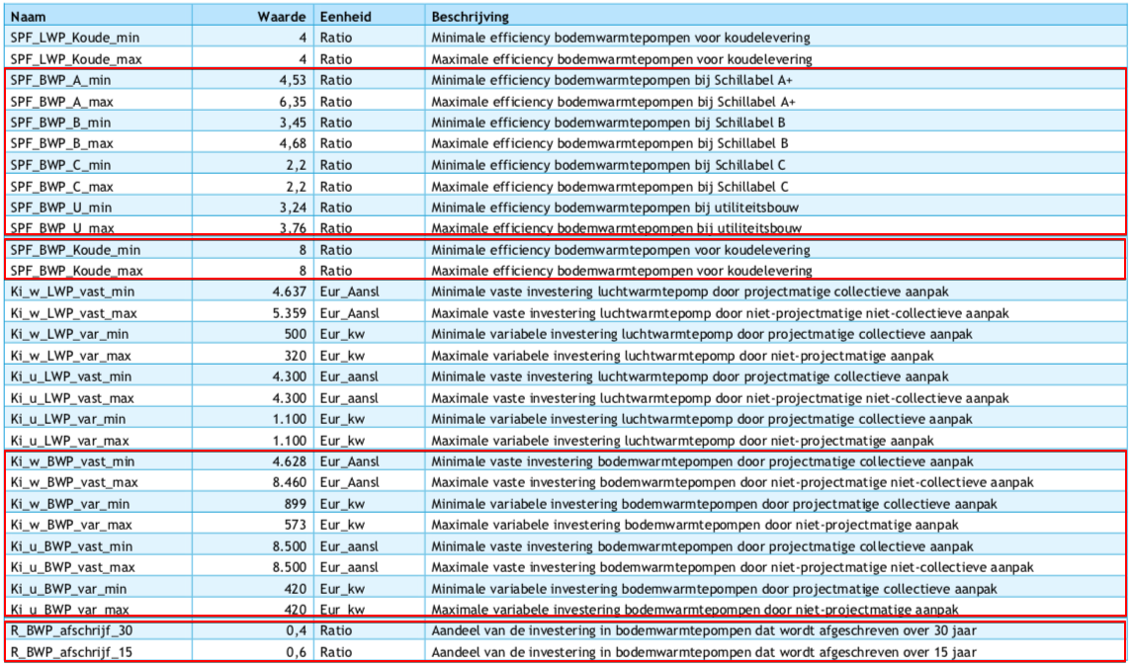
vaste investeringen | 8500 | euro/aansluiting
variable investeringen | 420 | euro/kW
initial_investment | 953500 | euro/unit

Seasonal Performance Factor - min | 3.24 | SPF_BWP_U_min
Seasonal Performance Factor - max | 3.76 | SPF_BWP_U_max
We nemen de bovenwaarde van deze range aan

input.ambient_heat | 0.7340
input.electricity | 0.2660

