Notes
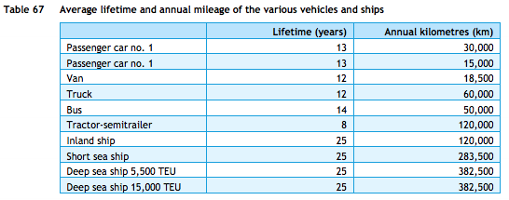
Source | Notes

TNO, ECN, CE Delft

Efficiency short sea ship (LNG diesel pilot 2% MGO) | 1094 | MJ/km
 | 0.00091 | km/MJ

Efficiency 5500 TEU sea ship (LNG diesel pilot 1% MGO) | 5287 | MJ/km
 | 0.00019 | km/MJ

Efficiency 18000 TEU sea ship (LNG diesel pilot 2% MGO) | 6373 | MJ/km
 | 0.00016 | km/MJ

Average efficiency LNG (average of all three sea ships) | 0.00042 | km/MJ

NOTE: LNG SHORT SEA SHIP EFFICIENCY IS CONSIDERABLY HIGHER THAN 5500/18000 TEU SHIPS

Lifetime | 25 | years

