Notes
Source | Notes

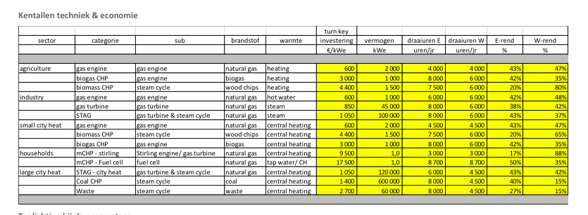
Energymatters
p.1

electricity_output_capacity | 120000 | KW
 | 120 | MW
 | 1050 | euro/KW

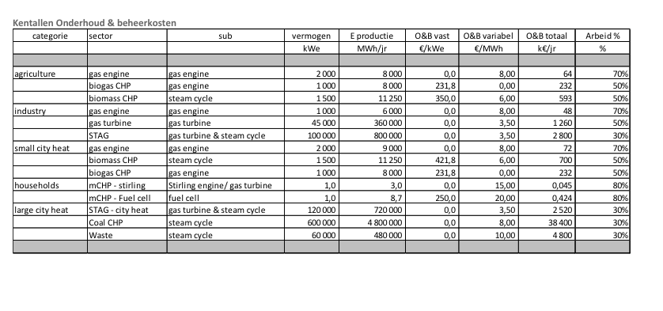
p.5

 | 2520000 | euro/yr
Variable O&M | 3.5 | euro/MWh

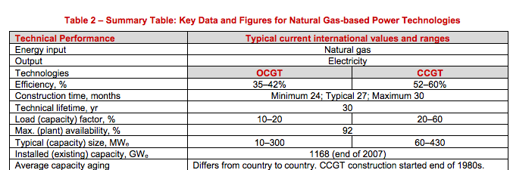
iea-etsap
p.4

 | 30 | months
 | 30 | yr

Ecofys
p.17
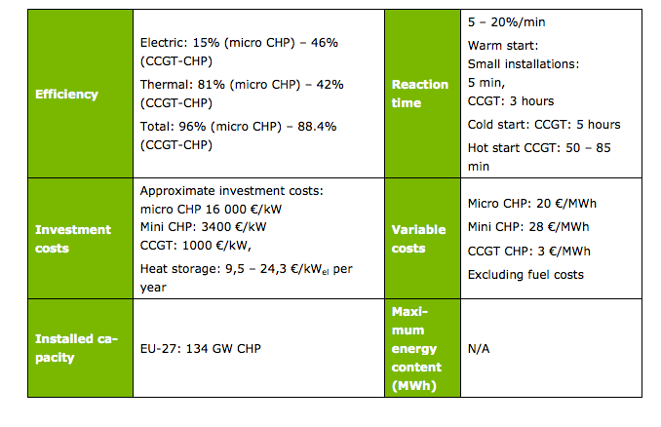

Efficiency CCGT CHP
output.electricity | 0.46
output.steam_hot_water | 0.42

heat_output_capacity | 109.56521739 | MW

Initial investment | 1000 | euro/KW
Vriable O&M | 3 | euro/MWh

