Notes
Source | Page | Notes

This analysis pertains to the compressor and dryer part of a compressed network gas refuelling station , since for other fuels refuelling stations are not modelled. This is an industrial compressor that has a target fuelling pressure of 25MPa, in agreement with the industry standard.

 |  |  |  |  | 120.1 | MJ/kg | energy density hydrogen

 |  |  |  |  |  |  |  | Exchange rate | Unit | Value | Definition | Date | Source

 |  |  |  |  | 1.098 | USD/eur | USD-euro conversion ratio | dollar_per_euro | USD/EUR | 1.098 | Running Month Average | 2015-08-05 | http://www.ecb.europa.eu/stats/exchange/eurofxref/html/eurofxref-graph-usd.en.html

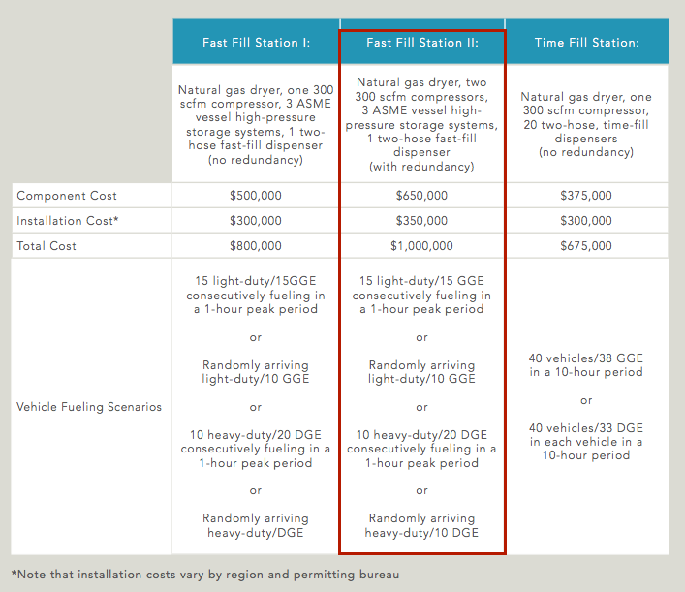
TIAX
p.17

 |  | 650000 | dollar | initial_investment
 |  | 591985.42805 | euro | initial_investment

 |  | this includes storage and dispensers

 |  | 350000 | dollar | cost_of_installing
 |  | 318761.38434 | euro | cost_of_installing

 |  | two 300 scfm compressors included in this station

 |  | 600 | scfm | typical_input_capacity
 |  | 16.990107955 | m3/min
 |  | 0.28316846592 | m3/s

 |  | 0.000833 | kg/L | from natural_gas.carrier
 |  | 38.018007203 | MJ/kg | from natural_gas.carrier

 |  | 8.9676621472 | MW | typical_input_capacity

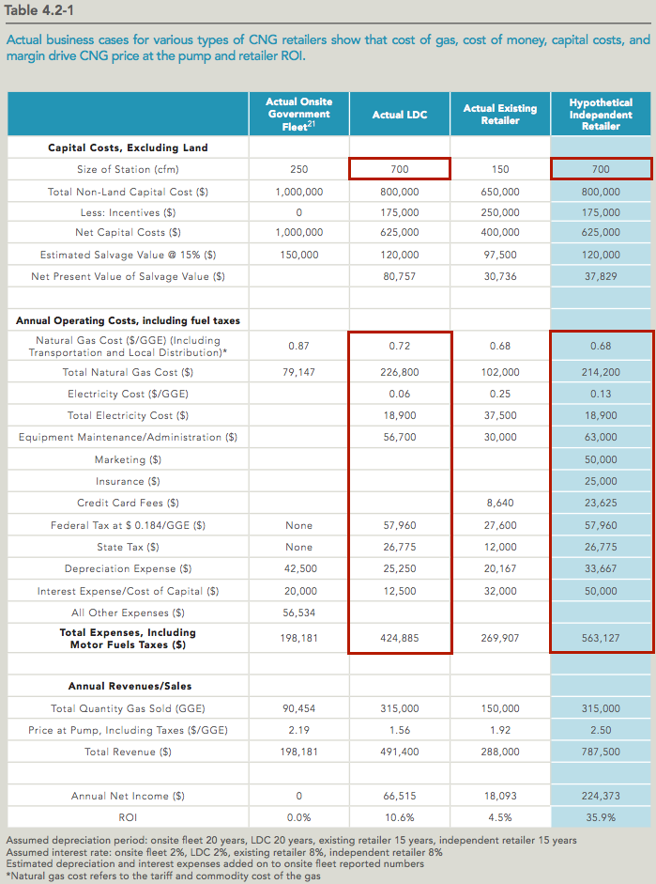
p.29

 |  | 56700 | dollar/y | fixed o&m
 |  | 63000 | dollar/y
 |  | 59850 | dollar/y | average
 |  | 51300 | dollar/y | scaling to 600 scfm capacity

 |  | 46721.311475 | euro/y | fixed o&m

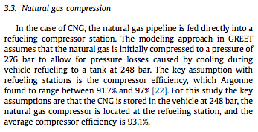
Energy (Journal)
Curran et al.
p. 197

 |  | 93.1 | % | compression efficiency

 |  | 0.931 |  | input.network_gas
 |  | 0.069 |  | input.electricity

 |  | 0.931 |  | output.compressed_network_gas
 |  |  |  | assuming no network_gas is lost
 |  |  |  | in compression

Assumptions and definitions

 |  | 6570 |  | FLH
 |  |  |  | For a station that is operational 18/24h

 |  | 20 | yrs | technical_lifetime (see energy_compressor_hydrogen)
 |  | 0.5 | yrs | construction_time
 |  | 0.0001 | km2 | land_user_per_unit (10m x 10m)

 |  |  |  |  |  |  |  |  |  |  |  |  | and | 08D_H2A_Refueling_Station_Analysis_Model_(HRSAM)_Version_1.1

For reference only, contrains similar values:

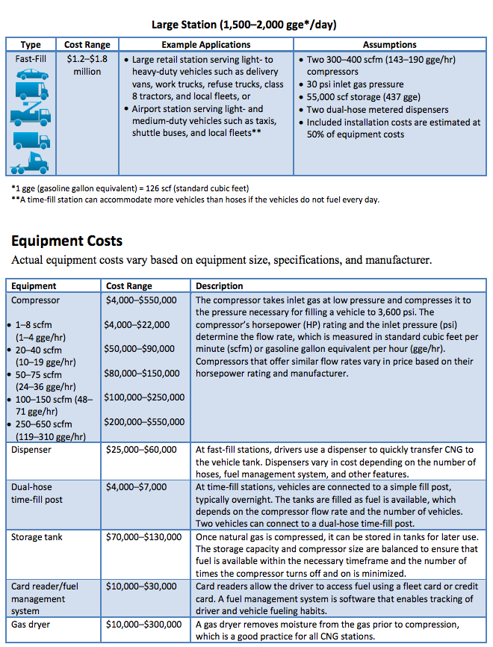
DOE
p.12
 |  |  |  |  |  |  |  |  |  |  |  |  | and | 08D_H2A_Refueling_Station_Analysis_Model_(HRSAM)_Version_1.1

http://www.afdc.energy.gov/uploads/publication/cng_infrastructure_costs.pdf

