Notes
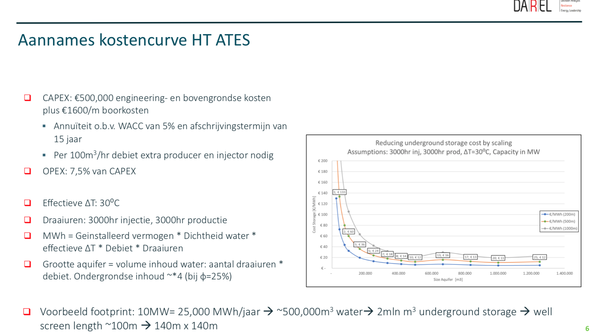
technical_lifetime | 30 | years

