Notes
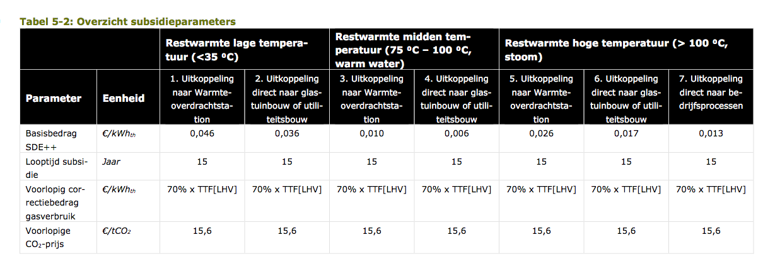
Sources | Notes

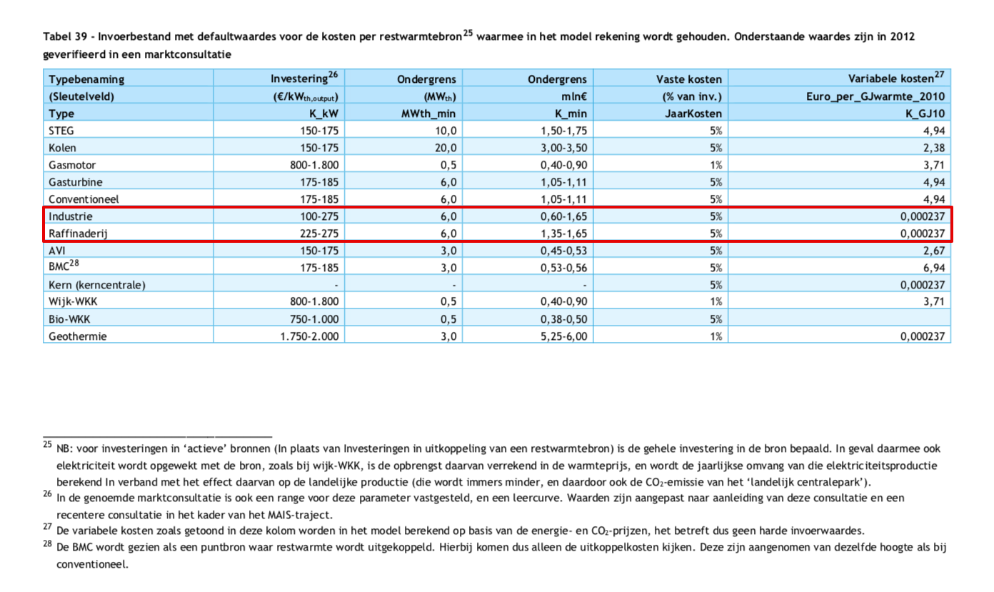
VESTA p.194
 | Investering | Vast | Variabel | Minimaal vemogen
 | euro / kWth output | % van investering | euro / GJ warmte | MWth output
Industrie | 100-275 | 5 | 0.000237 | 6
Raffinaderijen | 225-275 | 5 | 0.000237 | 6

Parameters chemie en kunstmest
full_load_hours | niet gegeven
heat_output_capacity | niet gegeven
initial_investment | 4687500 | gemiddelde bij vermogen van 25 MW (netals SDE ++)
fixed_operation_and_maintenance_costs_per_year | 234375
technical_lifetime | niet gegeven

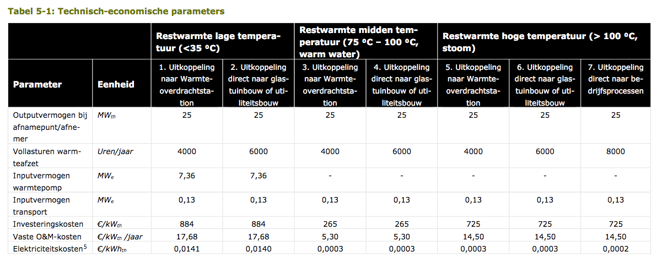
SDE++ p.15
 | Investering | Vast | Variabel (elektriciteit) | Vermogen
 | euro / kWth output | % van investering | euro / GJ warmte | MWth output
Industrie (midden temp 75 - 100C) | 265 | 2 | 0.083333333333 | 25
Industrie (lage temp <35C) | 884 | 2 | 3.8888888889 | 25
In bovenstaande tabel zijn de parameters voor de uitkoppeling naar warmteoverdrachtsstation getoond
Voor chemie, raffinaderijen en kunstmest gaan we uit van midden temperatuur bronnen

Parameters chemie, raffinaderijen en kunstmest
full_load_hours | 8760 | we rekenen met een vlak profiel voor restwarmte
heat_output_capacity | 25
initial_investment | 6625000
fixed_operation_and_maintenance_costs_per_year | 132500
technical_lifetime | 15

Variabele kosten nemen we niet mee omdat we op den duur de gebruikte elektriciteit ook willen gaan modelleren

