Notes
Sources | Notes
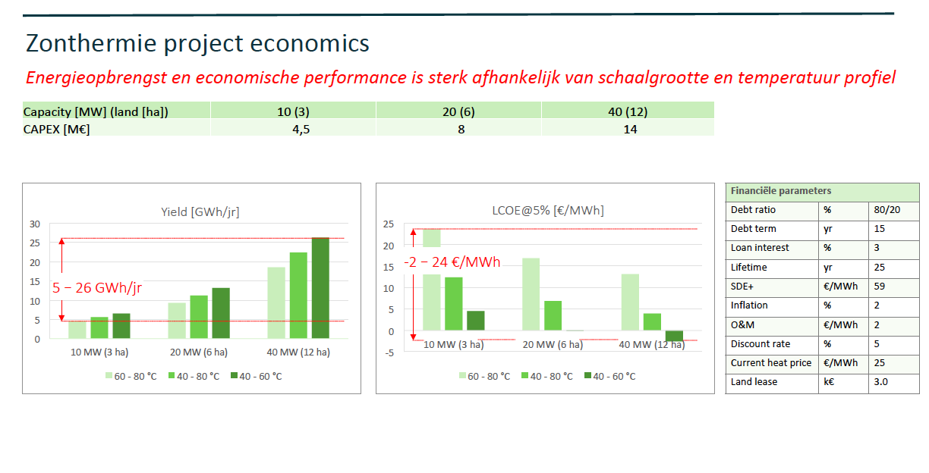
Darel
P.19

Initial investment costs | 9333333 | euro
Fixed operational and maintenance costs per year | 685152 | euro/year | 50 | euro/MWh

Technical lifetime of the plant | 25 | yr | Capacity | CAPEX
Heat output capacity | 23 |  | [MW] | [Meuro] | eur/MW
 |  |  | 10 | 4.5 | 450000
 |  |  | 20 | 8 | 400000
 |  |  | 40 | 14 | 350000

 |  | -

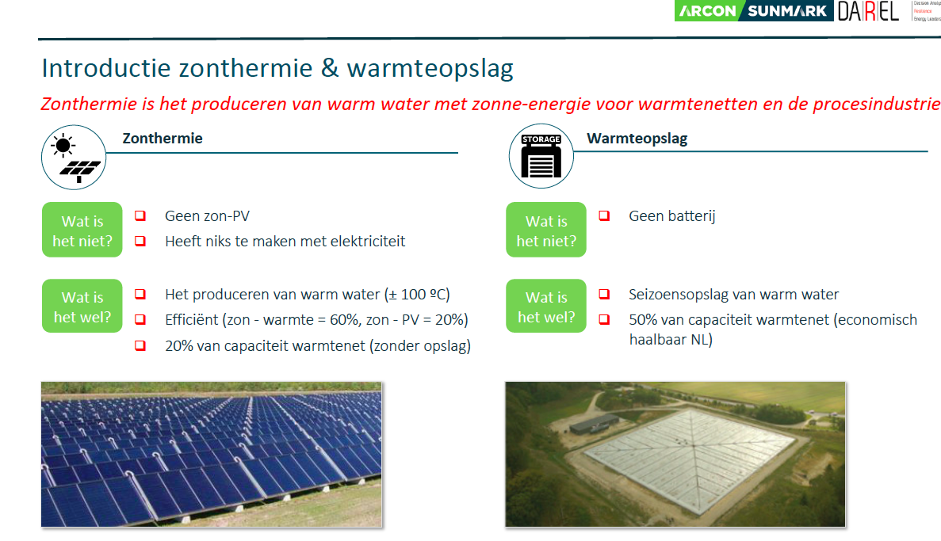

P.8
Efficiency | 60% | -

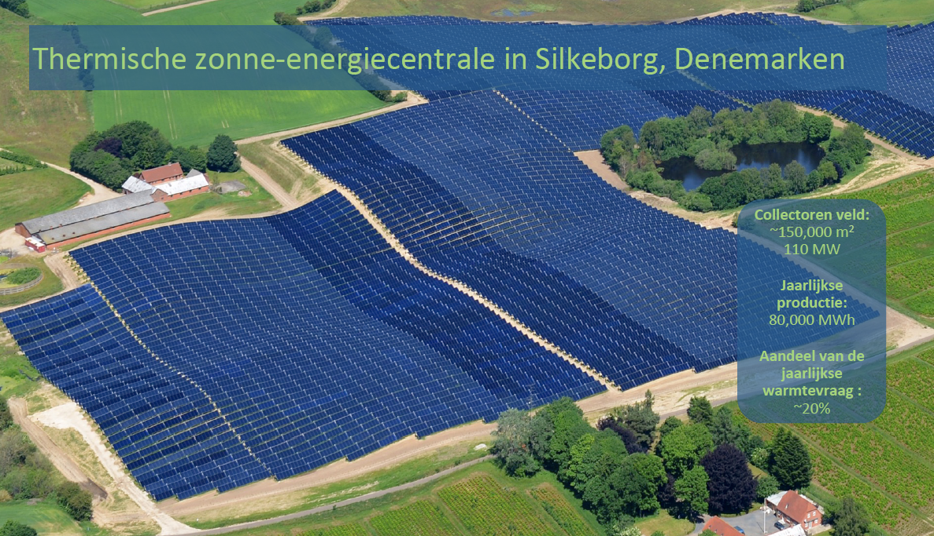

p.6

Land use of plant in NL | 0.032 | km2 | Surface | 150000 | m2
 |  |  | Surface | 0.15 | km2
 |  |  | Rated power | 110 | MW
 |  |  | Rated power | 110000000 | W
 |  |  | Yield DK | 80000 | MWh/jaar
 |  |  | Rated power | 733 | W/m2
 |  |  | Rated power | 0.733 | kW/m2
 |  |  | FLH DK | 727 | h/year
 |  |  | Surface per rated power | 733 | MW/km2
 |  |  | Surface for plant | 0.032 | km2

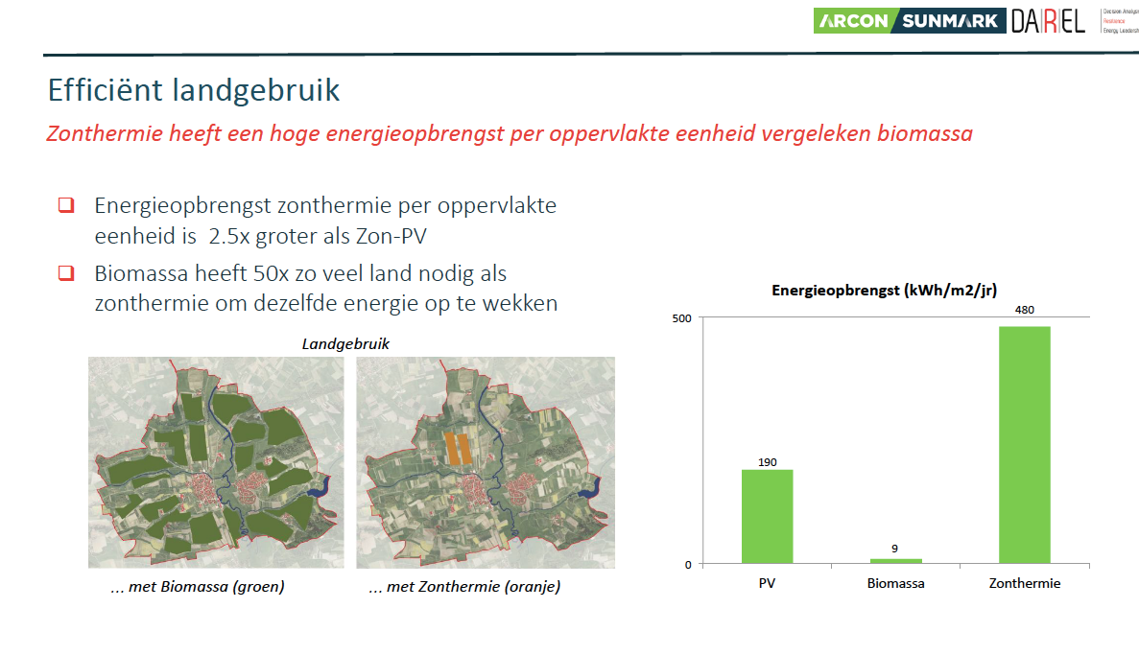
p.10
Full load hours | 655 | h/y | Standard test conditions | 1000 | W/m2
 |  |  | Yield NL | 480 | kWh/m2/jaar
 |  |  | FLH NL | 655 | h/year

Solar fields
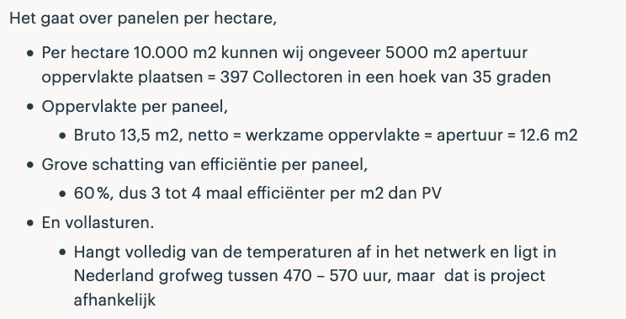
Efficiency | 60% | - | FLH 1 | 470
Full load hours | 520 | h/y | FLH 2 | 570
Land use of plant in NL | 0.078 | km2 | Land surface | 10000 | m2
 |  |  | Panel surface | 5000 | m2
 |  |  | Panel power | 600 | W/m2
 |  |  | Rated power | 300 | W/m2
 |  |  | Surface per rated power | 300 | MW/km2
 |  |  | Surface for plant | 0.08 | km2

