Notes
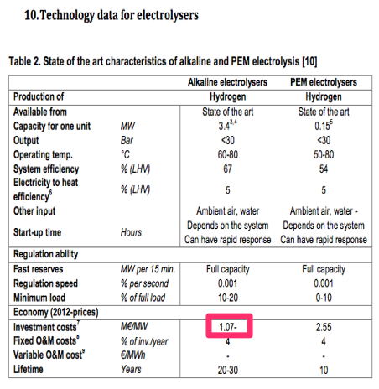
Source

EBN & Gasunie

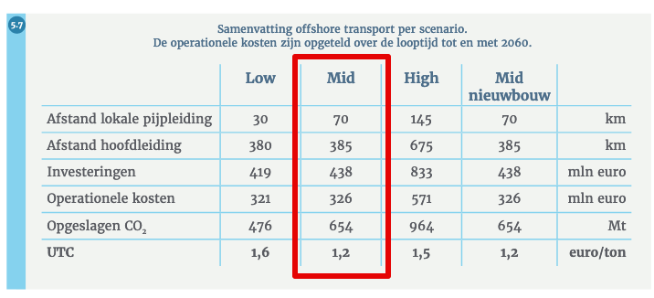
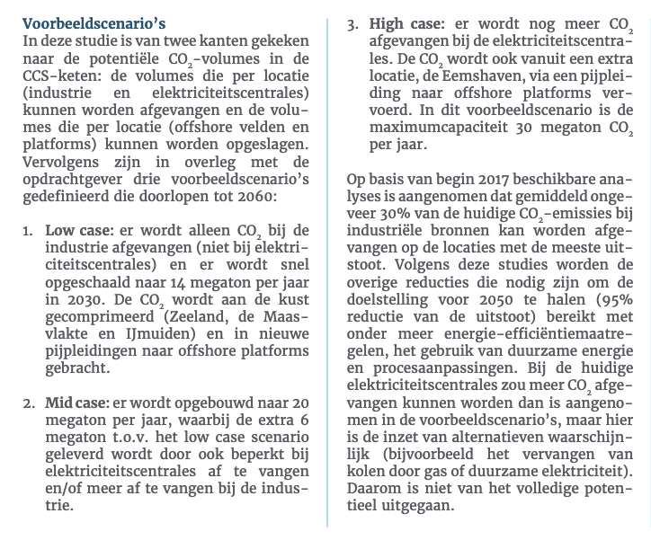
Offshore transport
Scenario: Mid case
Investment | 438 | million euro

Operational costs | 326 | million euro
 | 8.15 | million euro / year

Captured CO2 until 2060 | 654 | Mton

Technical lifetime (ASSUMPTION) | 40 | years

Capacity (ASSUMED LINEAIR) | 16.35 | Mton CO2 / year
 | 2043750 | kg CO2 / hour

Vollasturen (ASSUMPTION) | 8000 | hour/year

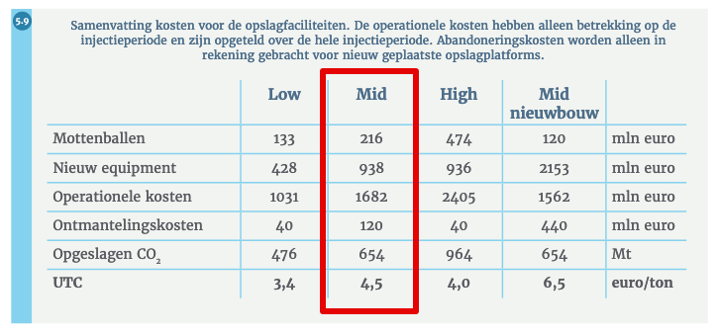
Offshore injection
Scenario: Mid case
Investment mottenballen | 216 | million euro
Investment new equipment | 938 | million euro
Total investment | 1154 | million euro

Operational costs | 1682 | million euro
 | 42.05 | million euro / year

Decommissioning costs | 120 | millon euro

Total costs offshore transport + injection

Investment | 1592000000 | million euro
Yearly fixed operational costs | 50200000 | million euro / year
Decommissioning costs | 120000000 | million euro

Yearly storage potential

Practical storage capacity in NL | 1678 | Mton CO2
Yearly storage potential | 41.95 | Mton/year
based on technical lifetime

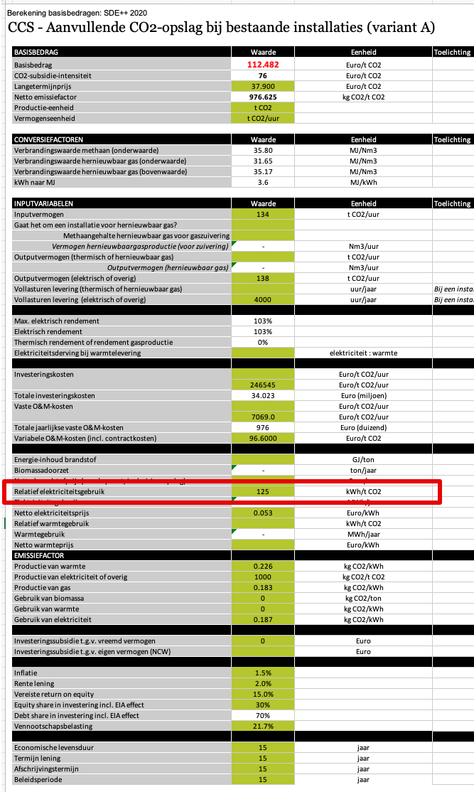
SDE++ 2020

Electricity demand

Eletricity demand | 125.00 | kWh/t CO2
 | 0.45 | MJ/kg CO

