Notes
Source | Parameter | Value | Unit | Downloaded from
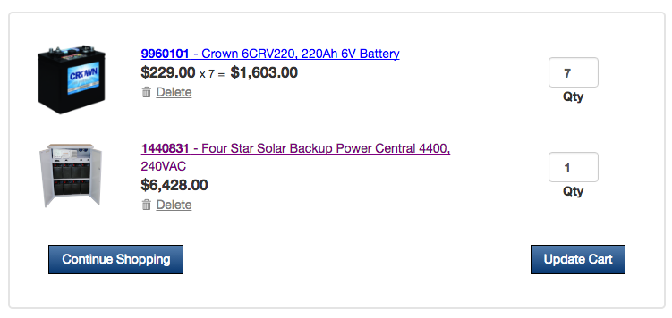
Wholesale Solar |  |  |  | http://www.wholesalesolar.com/1440831/four-star-solar/battery-backup-systems/four-star-solar-backup-power-central-4400-240vac#downloads

 | Initial investment | 7147.59 | EUR
 | Exchange rate | 0.89 | USD/EUR

 | Storage volume | 19800 | Wh

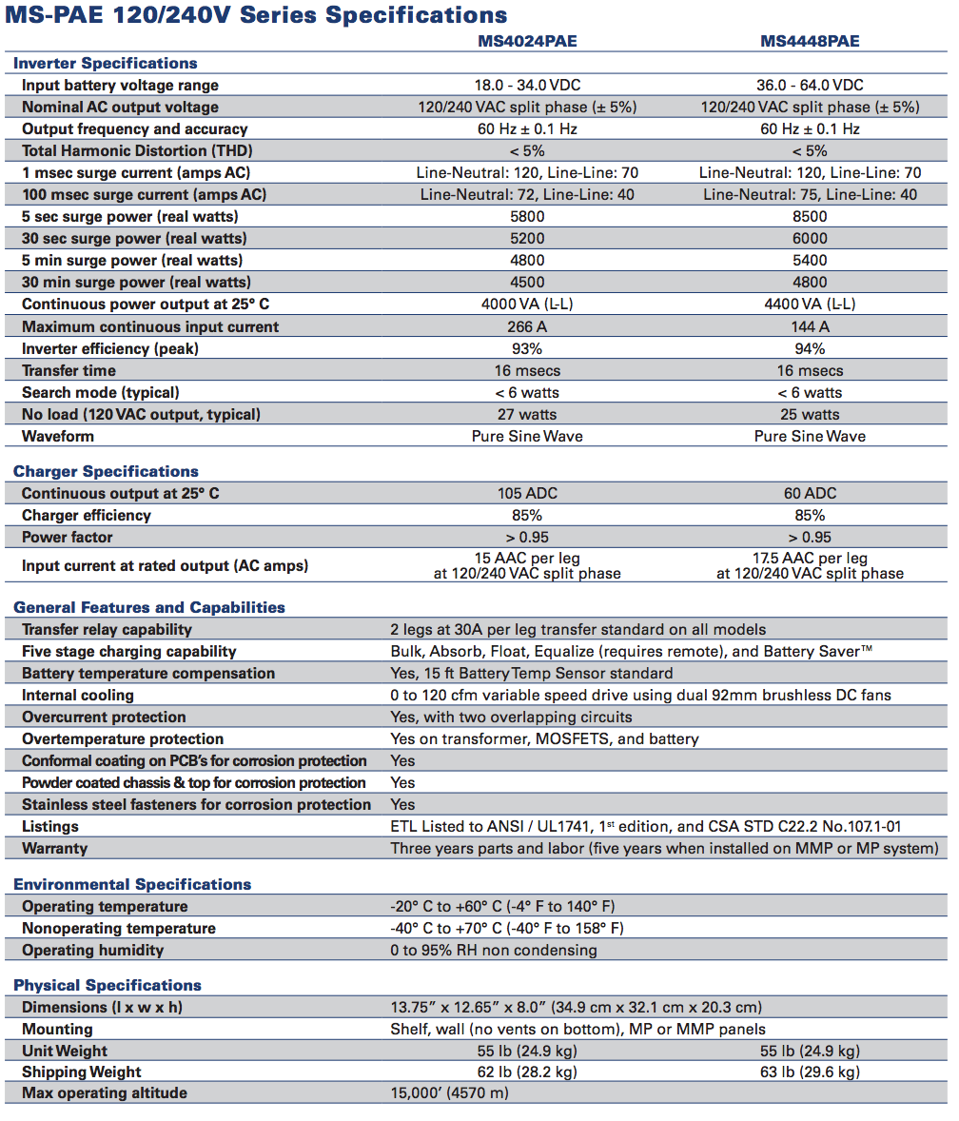
Wholesale Solar
 |  |  |  | http://pdf.wholesalesolar.com/inverter%20pdf%20folder/MagnumMS_PAE.pdf?_ga=1.180437863.1125987313.1453824270

 | Electrical output capacity | 4400 | W

 | Efficiency | 0.85
 | =' input efficiency
 | Input capacity | 4400 | W
 | =' Charging capacity?

We would (in the end) probably need (but this can be modelled in various ways):
input_capacity
input_efficiency
storage_volume
storage_decay
output_capacity
output_efficiency

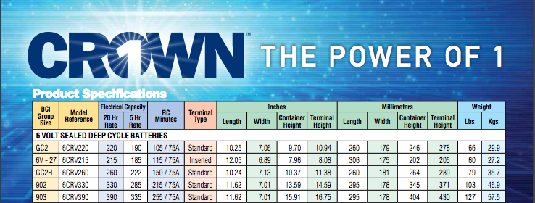
Wholesale Solar
 |  |  |  | https://www.wholesalesolar.com/cms/crown-6crv390-agm-battery-manual-3306454493.pdf
 | Voltage | 6 | V
 | Capacity | 220 | Ah
 | Storage volume / battery | 1320 | Wh
 | # batteries | 15
 | Total storage volume | 19800 | Wh

 |  |  |  | what does this charge method mean?

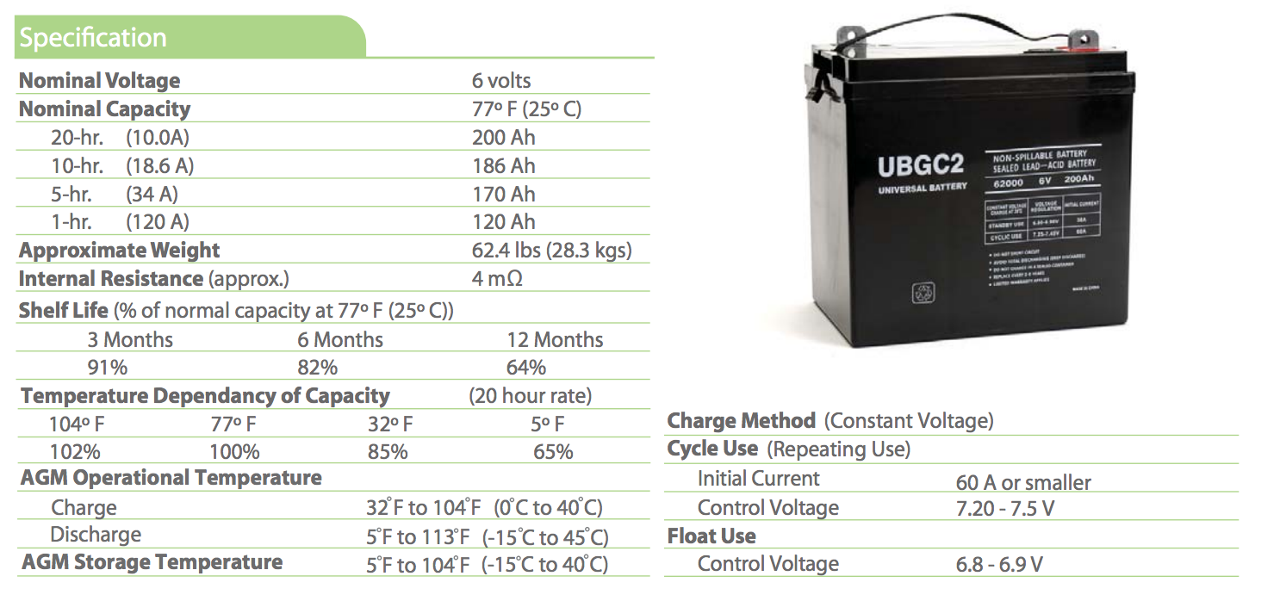
Wholesale Solar | For the Crown 6CRV220, 220Ah 6V Battery no storage decay information is available. So, Storage decay data of our previously used battery is used
 | Storage decay | 475.2 | Wh | http://pdf.wholesalesolar.com/battery-folder/UPG/ub-gc2-data.pdf?_ga=1.180456423.1125987313.1453824270
 | Shelf life | 8760 | h

 | Storage decay (% per hour) | 4.1095890411E-05 | %

