Notes
Source | Notes

Note: since the hybrid heatpump (HHP) is modeled as one converter, but in fact has two subtechnologies, it is necessary to find attribute values for both technologies. These two subtechnologies are an air/water HP and network gas condensing boiler. Henceforth the will be referred to as `HP part' and 'gas part', respectively.

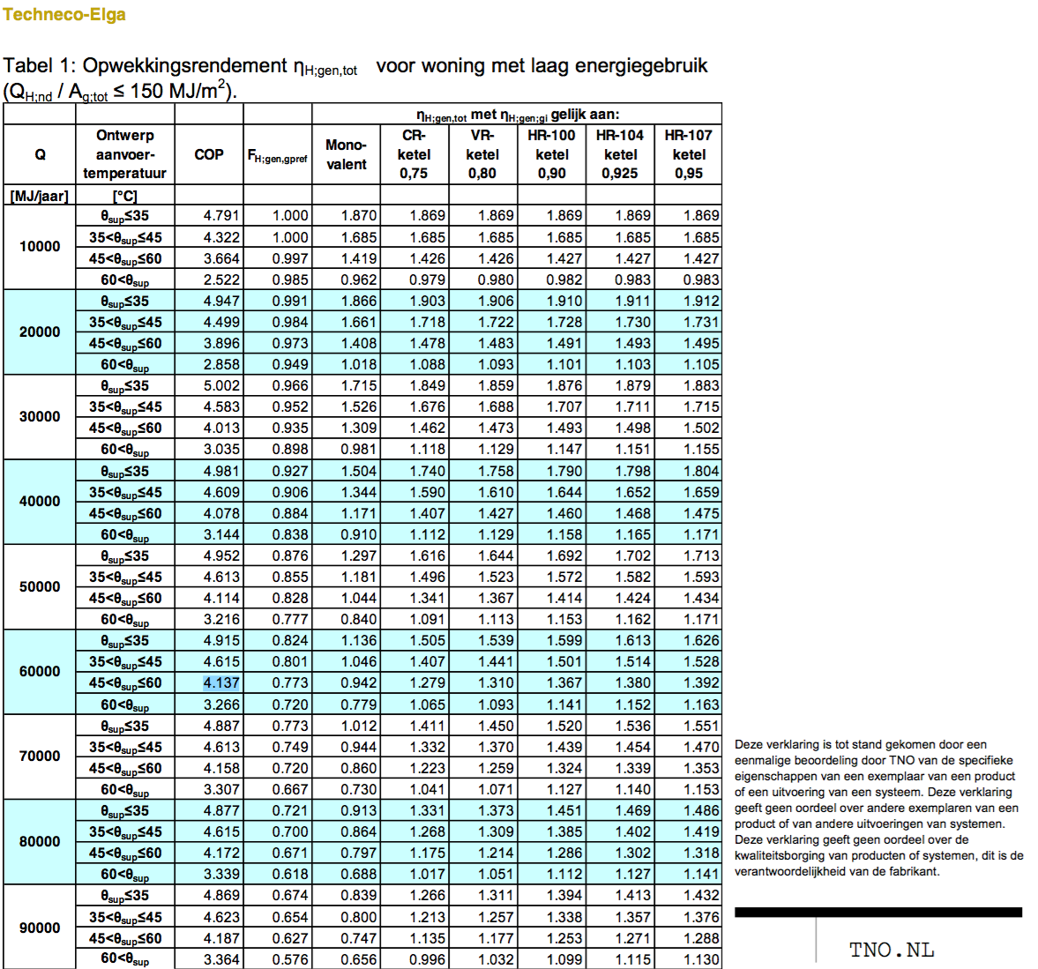

TNO |  |  |  | Quintel definitions
 |  |  |  | heatpump part share is
 |  |  |  | 0.63 according to Techneco
 |  |  |  | 0.801 according to TNO

 |  |  |  | But the ETM has significantly lower Q

 |  |  |  | For now, we set the gas part share to be 0.2

 |  | 0.2 |  | output of useable heat share from gas part

 |  | 1.07 |  | output.useable_heat.network_gas
 |  |  |  | efficiency of gas part

 |  |  |  | Based on HR-107 condensing boiler
 |  |  |  | From households_space_heater_combined_network_gas

 |  |  |  | To find the input share of network gas,
 |  |  |  | we divide the output share by the efficiency

 |  | 0.18691588785 |  | input.network_gas

Techneco2
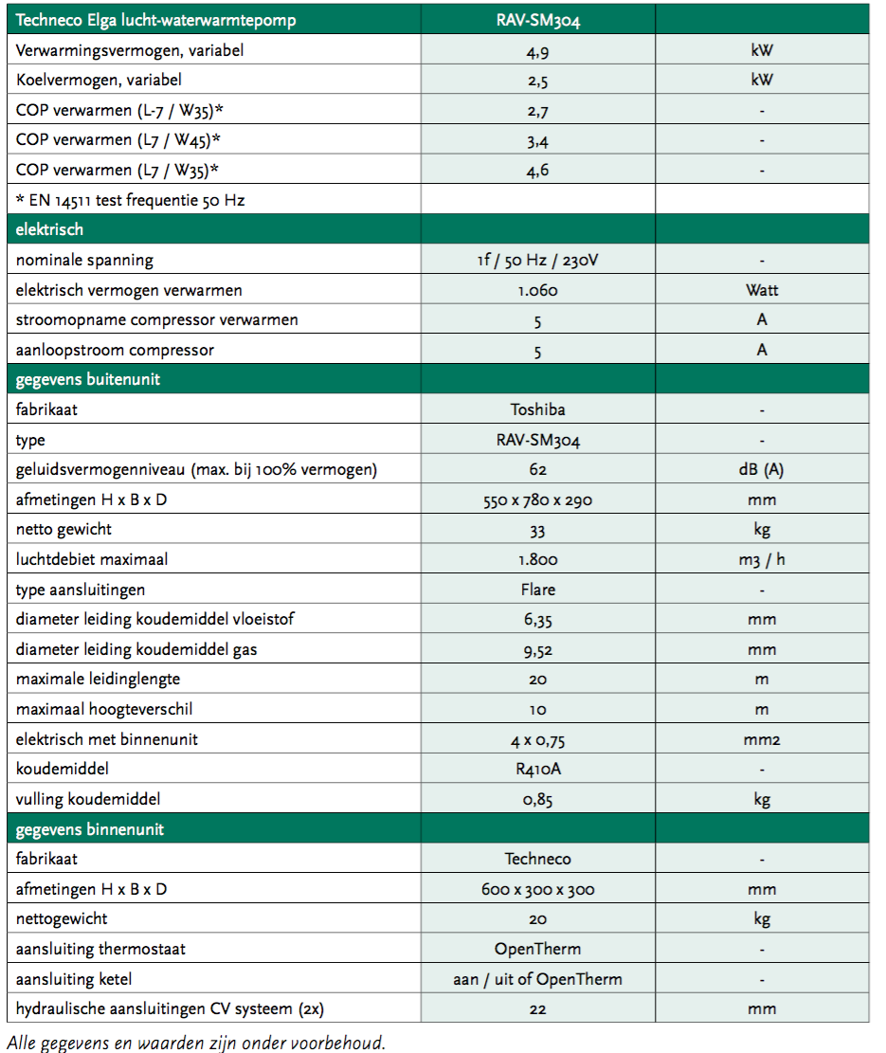

 |  | 4.9 | kW | heat_output_capacity
 |  | 0.0049 | MW | Note: for HP part

 |  | 4.5 |  | COP
 |  | 0.63239875389 |  | input.ambient_heat
 |  | 0.18068535826 |  | input.electricity

 |  | 1.0 |  | output.useable_heat.ambient_heat
 |  | 1.0 |  | output.useable_heat.electricity

 |  |  |  | Efficiency of HP part

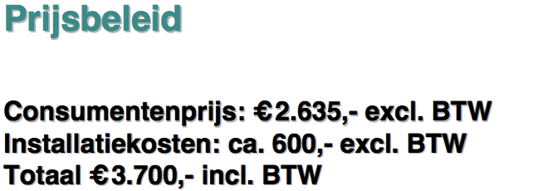

Techneco

 |  | 2635 | euro | investment costs
 |  |  |  | Note: just for the HP

 |  | 600 | euro | installing costs

 |  | 1500 | euro | investment costs |  | from households_space_heater_combined_network_gas
 |  |  |  | Note: just for the gas part of the hhp

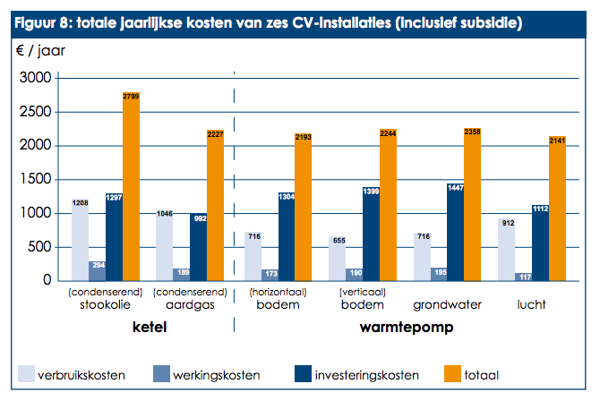
 |  | 4135 | euro | total investment costs

 | storage.volume | 0 | MWh | Buffering not required for Techneco Elga, it is self modulling

ODE

 |  | 117 | euro/yr | fixed operational costs incl. taxes
 |  |  |  | for HP part
 |  | 96.694214876 | euro/yr | fixed operational costs excl taxes
 |  |  |  | for HP part

 |  | 189 | euro/yr | fixed operational costs incl. taxes
 |  |  |  | for gas part

 |  | 156.19834711 | euro/yr | fixed operational costs excl. taxes
 |  |  |  | for gas part

 |  | 252.89256198 | euro/yr | total fixed operational costs
 |  |  |  | for HHP

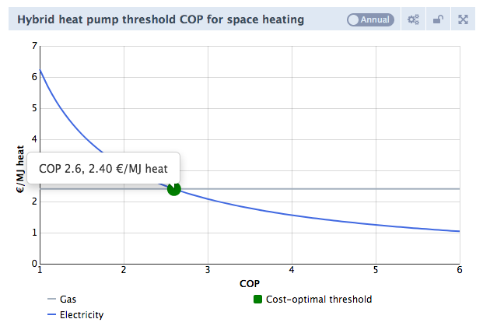
Quintel WD |  | fever.cop_cutoff | 2.6002380221

 |  | This cut-off COP is the cost-optimal threshold COP calculated based on these gas and electricity prices

 |  | gas | 81.4 | euro/m3
 |  |  | 2.4036261092 | euro/MJ warmte
 |  | electricity | 22.5 | euro/kWh
 |  |  | 6.25 | euro/MJ warmte | voor COP1

 |  | threshold COP | 2.6002380221

 |  | fever.capacity.network_gas | 0.0220 |  | quintel/etsource@0277ad226491f5aae44c874b298cbcf694d2f6cb
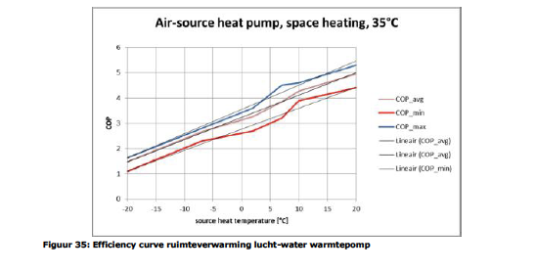
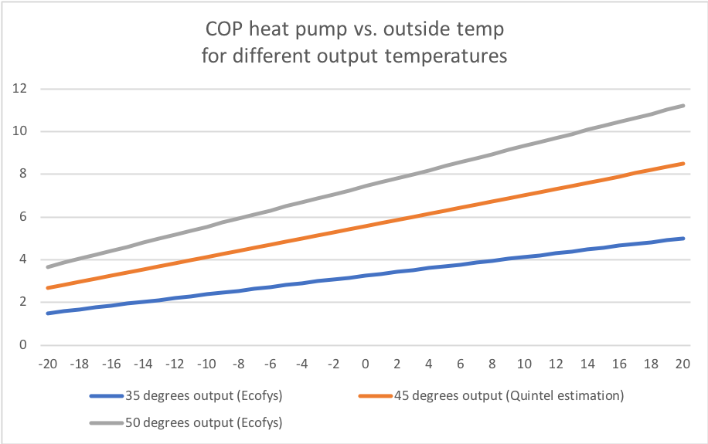
Ecofys | page | 65
 | Update Marlieke Verweij 20200401:
 | Output temperature is assumed to be 45 degrees and the COP curve is based on the Ecofys COP curves for 35 and 50 degrees Celsius.

 | output temperatuur (graden Celsius) | 35 | 45 | 50
 | base_cop | 3.2500 | 2.3233 | 1.8600
 | cop_per_degree | 0.0875 | 0.0578 | 0.0430
 | source | linear fit Ecofys curve |  | linear fit Ecofys curve

 | fever.base_cop | 2.3233 | COP
 | fever.cop_per_degree | 0.0578 | COP/degree C

 | With this output temperature and the cost-optimal threshold COP of 2.6, the HHP electricity share (heat output) for houses with energylabel B is 64%.
 | The input share in the node for the start year should be adjusted soon, will be done together with dataset update!

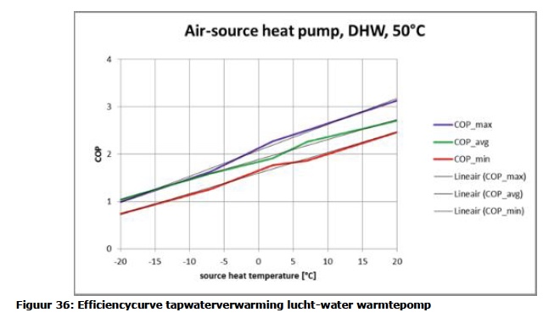

DHPA | Phone conversation
 | See file on Dropbox | 201707_Tabel RV WW en koude met warmtepompen

 | technical_lifetime | 15 | years
 | cost_of_installing | 1000 | euro
 | fixed_operation_and_maintenance_costs_per_year | 200 | euro/year
 | heat_output_capacity | 0.01 | MW
 |  |  |  |  | 5 | kW

 | Ref temperature for output capacity | 7 | oC
 | fever.capacity.electricity | 0.0018327326043 | MW

 | storage.volume | 0 | MWh | HHP's don’t need a buffer for storage as the compressor regulates itself.

ISSO 72 and Quintel calc |  |  |  | Note
 | buffer time | 10 | min
 | output capacity | 10 | kW output
 | specific capacity water | 4.18 | kJ/oC/l
 | temperature difference system | 10 | oC | Educated guess based on various sources
 | volume of buffer | 143.5 | liter
 | conversion kJ to kWh | 3600000 | kJ to MWh
 | storage.volume | 0.0017 | MWh

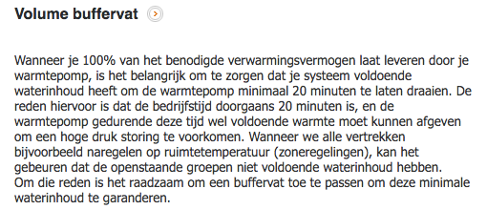
Warmtepompforum | buffer time | 20 | min
 | output capacity | 10 | kW output
 | specific capacity water | 4.18 | kJ/oC/l
 | temperature difference system | 10 | oC | Educated guess based on various sources
 | volume of buffer | 287.1 | liter
 | conversion kJ to kWh | 3600000 | kJ to kWh
 | storage.volume | 0.0033 | kWh

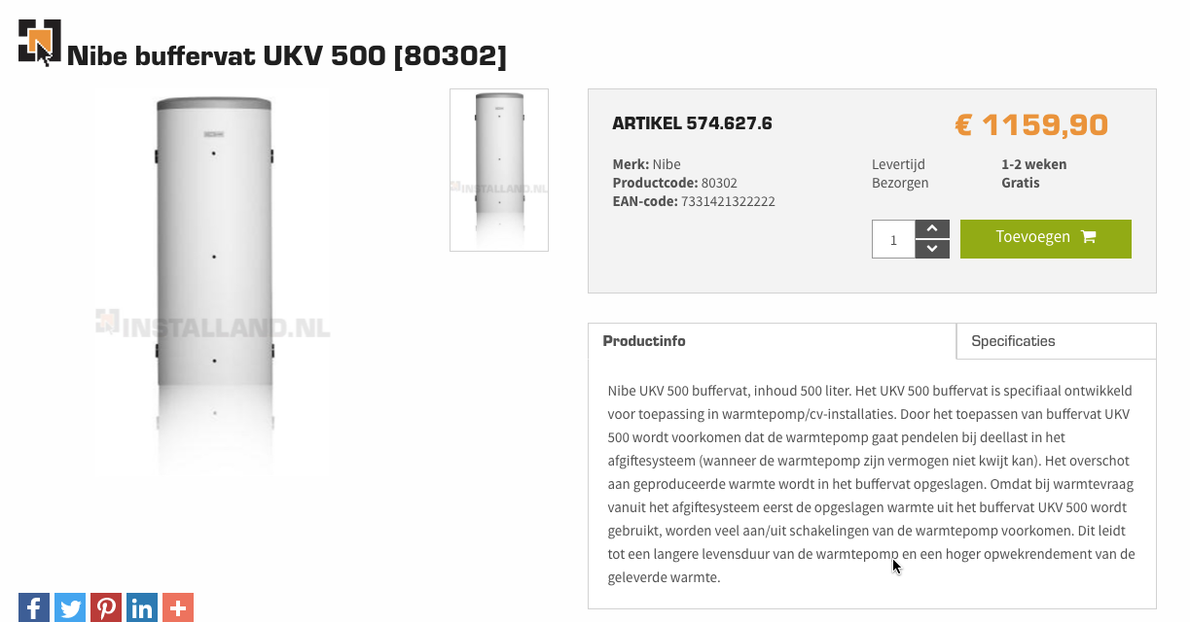
Installand
 | specific heat capacity of water | 4.18 | kJ/oC/l
 | delta T | 10 | oC
 |  | 41.8 | kJ/l
 |  | 3600000 | kJ/MWh
 |  | 0.00001 | MWh/liter
 |  | 500 | liter
 | costs including VAT | 1159 | euro
 | costs excluding VAT | 957.85 | euro
 | costs/liter | 1.916 | euro/liter

 | #REF! | 164989 | euro/MWh

Nefit |  | 300 | liter
 | costs excluding VAT | 539.00 | euro
 | costs/liter | 1.797 | euro/liter

 | #REF! | 154737 | euro/MWh

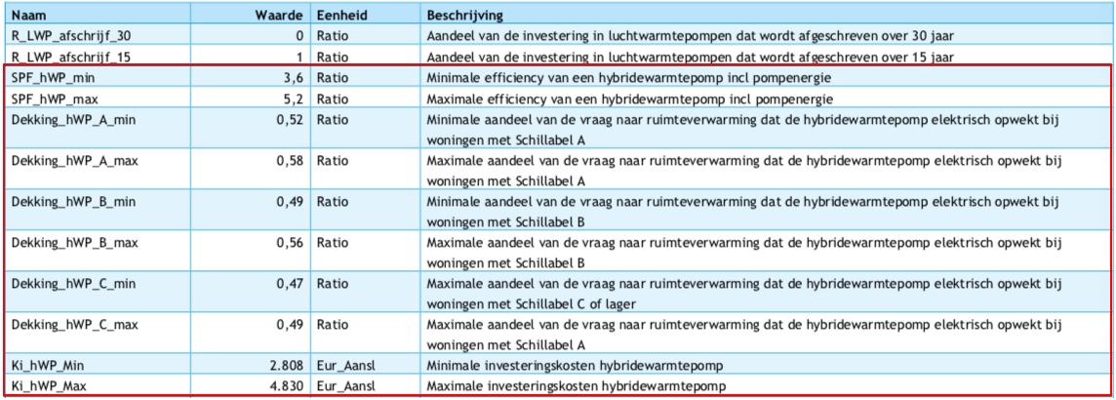
Vesta Fucntioneel Ontwerp 4.0
 | minimale investeringskosten | 2808 | euro/aansluiting
 | maximale investeringskosten | 4830 | euro/aansluiting
 | gemiddeld | 3819 | euro/aansluiting
 | dit is inclusief de cost_of_installing, dus die gaat naar nul

