Notes
Source | Notes

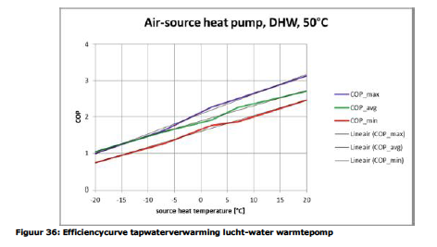
Ecofys | page | 66

 | Linear fit through COP_avg:
 | fever.base_cop | 1.86 | COP

 | fever.cop_per_degree | 0.043 | COP/oC

ISSO 72 and Quintel calc | storage.volume | 0.005 | MWh

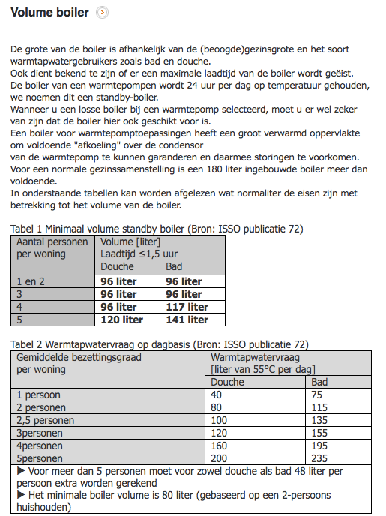

 |  |  | http://www.warmtepompforum.nl/Volumeboiler.php
 | minimal boiler volume with shower | 80 | liter
 | minimal boiler volume with bath | 115 | liter
 | average volume boiler | 100 | liter

 | heat capacity water | 4.18 | kJ/oC/l
 | T in | 10 | oC
 | T vessel | 50 | oC
 | Volume vessel | 100 | liter
 | Capacity vessel | 16720.0 | kJ
 | storage.volume | 4.6 | kWh

DHPA | Phone conversation
 | See file on Dropbox | 201707_Tabel RV WW en koude met warmtepompen

 | technical_lifetime | 15 | years
 | Investment heat pump + boiler | 9500 | euro
 | cost_of_installing | 1500 | euro
 | fixed_operation_and_maintenance_costs_per_year | 100 | euro/year
 | heat_output_capacity | 0.01 | MW | 10 | kW
 |  |  |  |  | Ecofys | Page 65
 | For space heating
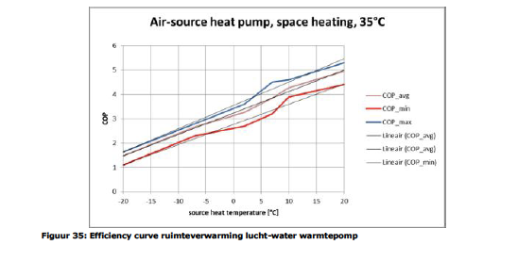
 | Linear fit through COP_avg:
 | fever.base_cop | 3.25 | COP
 | fever.cop_per_degree | 0.0875 | COP/oC

 | Ref temperature for output capacity | 7 | oC
 | fever.capacity.electricity | 0.0025889967638 | MW

 | initial_investment | 9246 | euro
 |  | 253.5687453

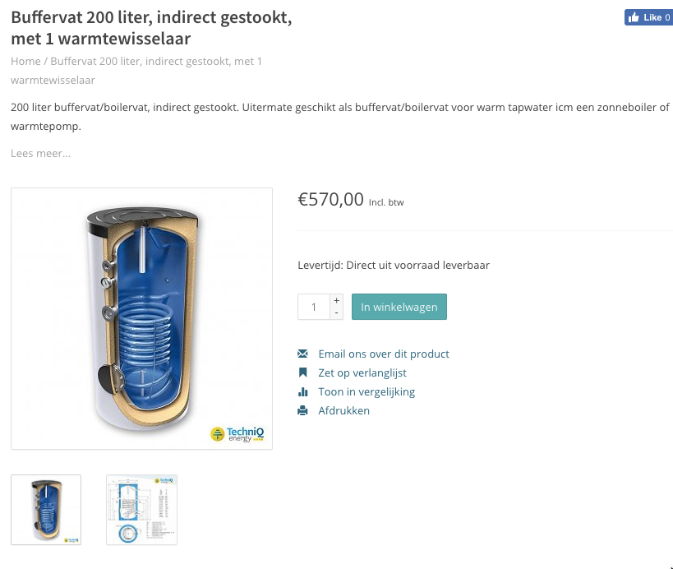
Zonneboiler-zelfbouw.nl | storage.cost_per_mwh | 50713.749 | euro/MWh
 | Storage volume | 200 | liter
 | Costs (incl VAT) | 570 | euro
 | Costs (excl VAT) | 471 | euro
 | costs per liter | 2.4 | euro/liter
 | liter per MWh | 21531 | liter/MWh
 | costs per heat pump | 254 | euro / hp

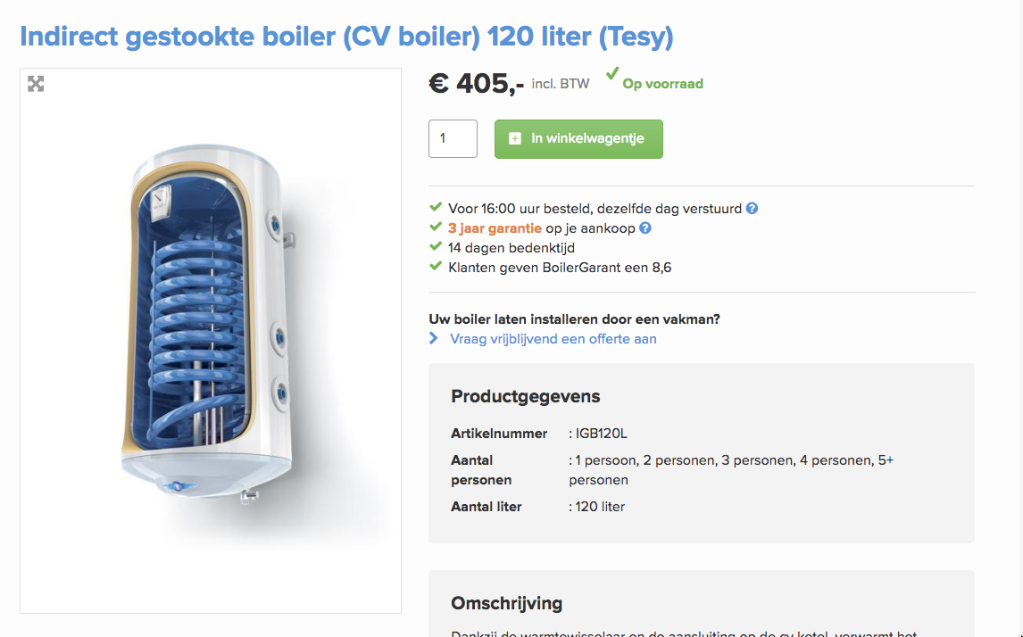
Boiler Garant | storage.cost_per_mwh | 60055.755 | euro/MWh
 | Storage volume | 120 | liter
 | Costs (incl VAT) | 405 | euro
 | Costs (excl VAT) | 335 | euro
 | costs per liter | 2.8 | euro/liter
 | liter per MWh | 21531 | liter/MWh
 | costs per heat pump | 300 | euro / hhp

