Notes
Source | Notes

ISSO 72 and Quintel calc | storage.volume | 0.005 | MWh

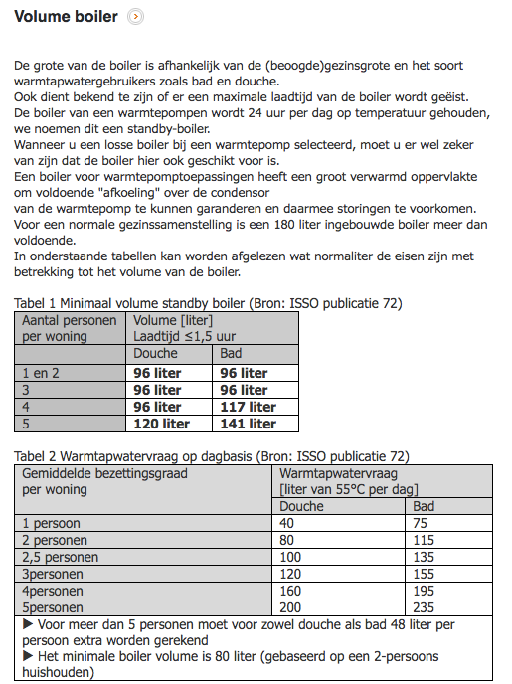

 |  |  | http://www.warmtepompforum.nl/Volumeboiler.php
 | minimal boiler volume with shower | 80 | liter
 | minimal boiler volume with bath | 115 | liter
 | average volume boiler | 100 | liter

 | heat capacity water | 4.18 | kJ/oC/l
 | T in | 10 | oC
 | T vessel | 50 | oC
 | Volume vessel | 100 | liter
 | Capacity vessel | 16720.0 | kJ
 | storage.volume | 4.6444444444 | kWh

DHPA

 | initial_investment | 12746 | euro
 | cost_of_installing | 1500 | euro
 | fixed_operation_and_maintenance_costs_per_year | 100 | euro/year

 | Initial investment (including boiler) | 13000 | euro
 | Costs for boiler | 253.6 | euro

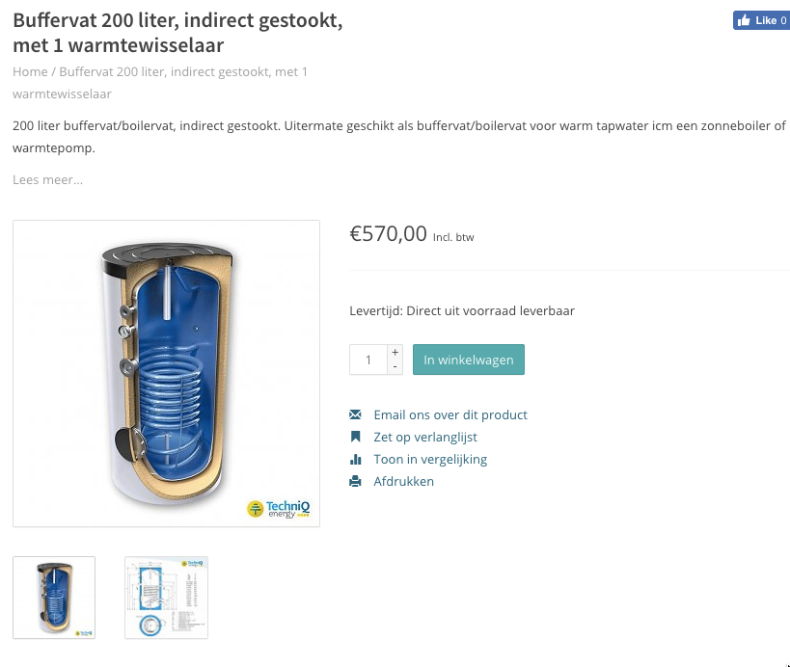
Zonneboiler-zelfbouw.nl | storage.cost_per_mwh | 50713.749 | euro/MWh
 | Storage volume | 200 | liter
 | Costs (incl VAT) | 570 | euro
 | Costs (excl VAT) | 471 | euro
 | costs per liter | 2.4 | euro/liter
 | costs per MWh | 21531 | liter/MWh
 | costs per heat pump | 254 | euro / hhp

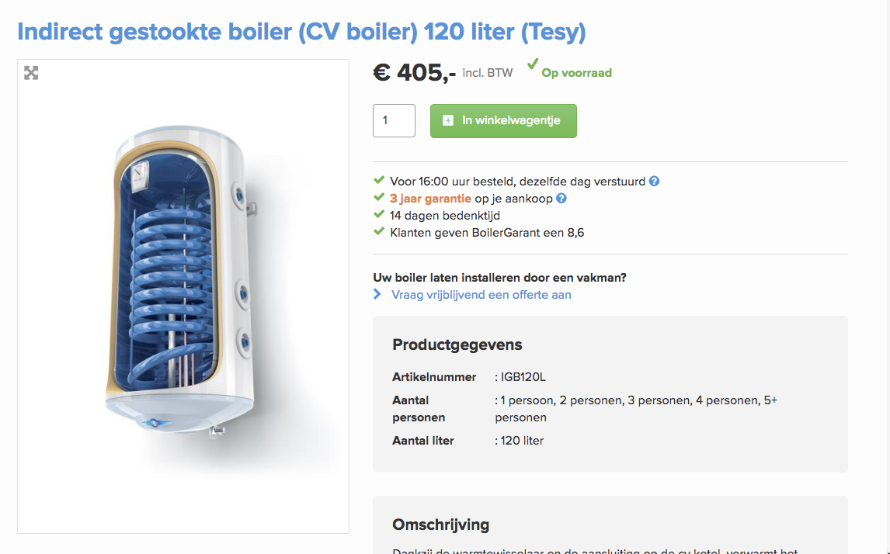
Boiler Garant | storage.cost_per_mwh | 60055.755 | euro/MWh
 | Storage volume | 120 | liter
 | Costs (incl VAT) | 405 | euro
 | Costs (excl VAT) | 335 | euro
 | costs per liter | 2.8 | euro/liter
 | costs per MWh | 21531 | liter/MWh
 | costs per heat pump | 300 | euro / hhp

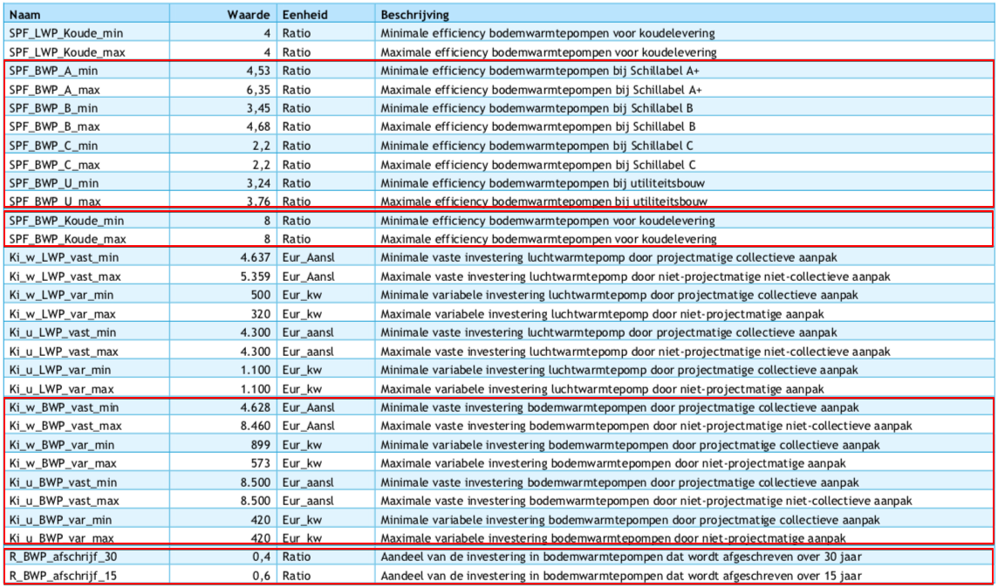
Vesta Functioneel Ontwerp 4.0

 | vaste investeringskosten min | 4628 | euro/aansluiting | Ki_w_BWP_vast_min
 | variable investeringskosten min | 573 | euro/kW | Ki_w_BWP_var_max
 | totale investeringskosten min | 10358

 | vaste investeringskosten max | 8460 | euro/aansluiting | Ki_w_BWP_vast_max
 | variable investeringskosten max | 899 | euro/kW | Ki_w_BWP_var_min
 | totale investeringskosten max | 17450

gemiddelde nemen! | investment_costs | 13904 | euro/unit
 | dit is inclusief de cost_of_installing, dus die gaat naar nul

 | LETOP: het lijkt erop alsof de variable kosten zijn omgewisseld tussen min/max

