Notes
Source | Notes

Note: since the hybrid heatpump (HHP) is modeled as one converter, but in fact has two subtechnologies, it is necessary to find attribute values for both technologies. These two subtechnologies are an air/water HP and network gas condensing boiler. Henceforth the will be referred to as `HP part' and 'gas part', respectively.

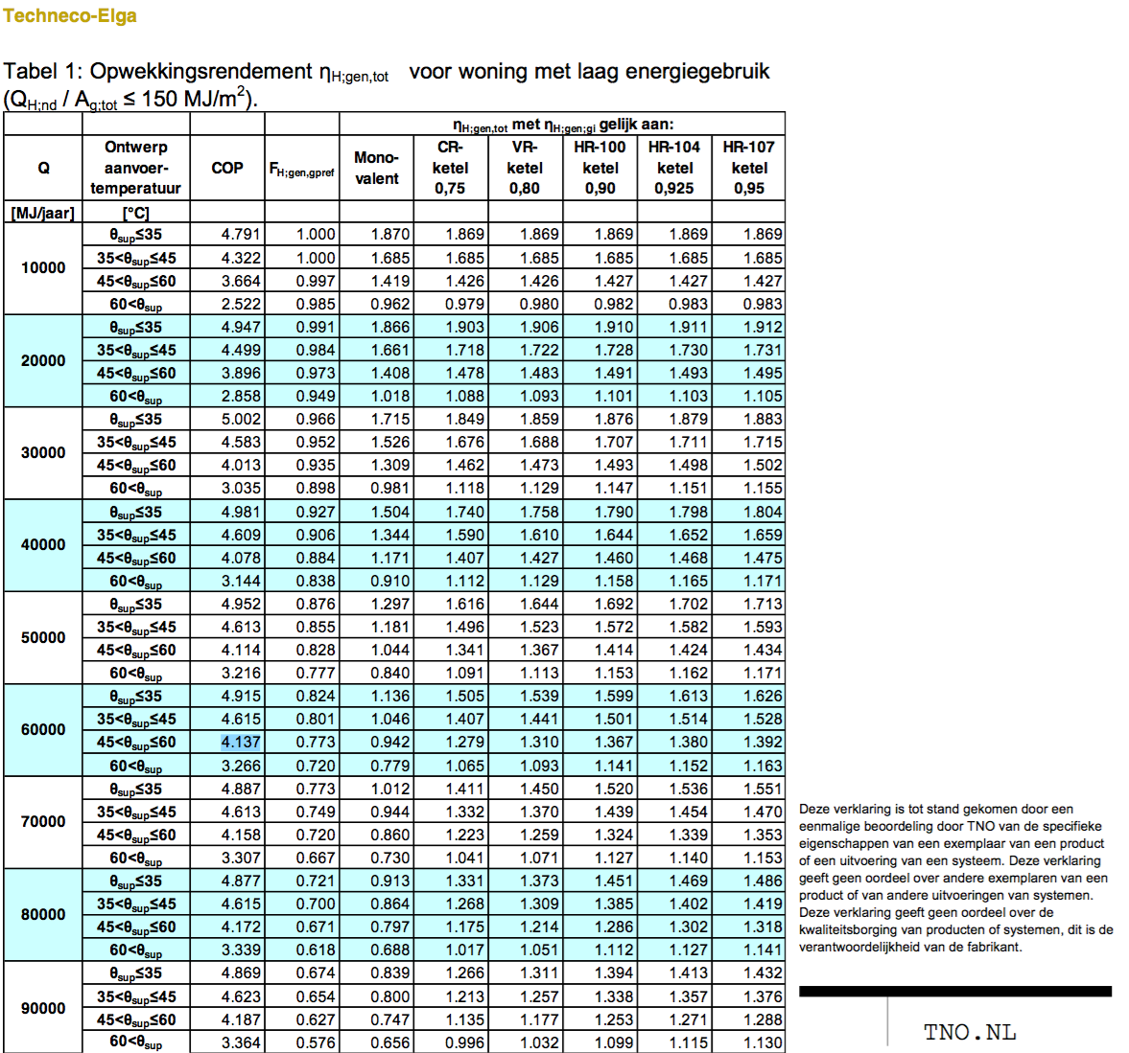

 |  |  |  | Quintel definitions
 |  |  |  | heatpump part share is
 |  |  |  | 0.63 according to Techneco
 |  |  |  | 0.801 according to TNO

 |  |  |  | But the ETM has significantly lower Q
 |  |  |  | For water heater higher share of gas part

 |  |  |  | For now, input.network_gas is set to 0.3

 |  | 0.3 |  | output of useable heat share from gas part

 |  | 0.9 |  | output.useable_heat.network_gas
 |  |  |  | Efficiency for gas part

 |  |  |  | Based on HR-107 condensing boiler
 |  |  |  | From households_space_heater_combined_network_gas

 |  |  |  | To find the input share of network gas,
 |  |  |  | we divide the output share by the efficiency

 |  | 0.33333333333 |  | input.network_gas

 |  |  | gasoline
 |  | 35.17 | MJ/m3
 |  | 31.65 | MJ/m3
 |  | 28.485
 |  | 0.80992323003

 |  |  | hydrogen
 |  | 141 | MJ/kg
 |  | 120 | MJ/kg
 |  | 114.19917543
 |  | 0.95165979528 |  | output.useable_heat.hydrogen

 |  | 0.33333333333 |  | input.hydrogen

 |  | fever.cop_cutoff | 6 |  | Do not use electric part of HHP for hot water

 |  | fever.capacity.hydrogen | 0.022 | 0 | quintel/etsource@0277ad226491f5aae44c874b298cbcf694d2f6cb

Techneco2
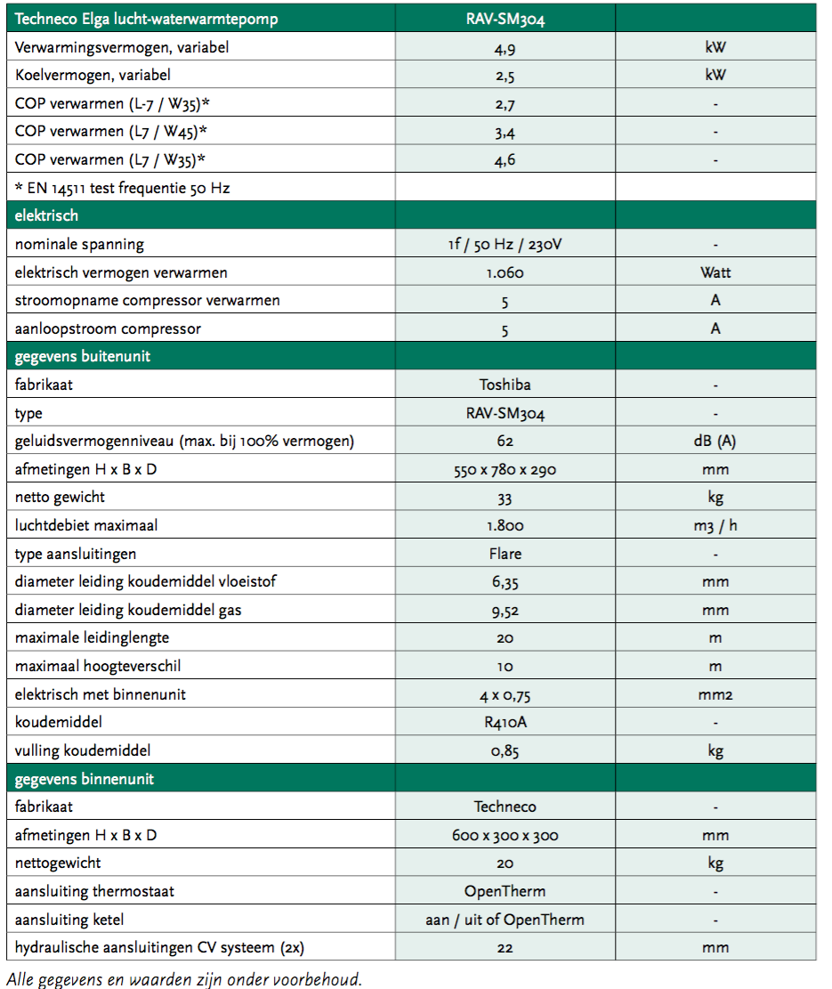

 |  | 4.9 | kW | heat_output_capacity
 |  | 0.0049 | MW | Note: for HP part

 |  | 3 |  | COP
 |  | 0.44444444444 |  | input.ambient_heat
 |  | 0.22222222222 |  | input.electricity

 |  | 1.0 |  | output.useable_heat.ambient_heat
 |  | 1.0 |  | output.useable_heat.electricity

 |  |  |  | Efficiency of HP part

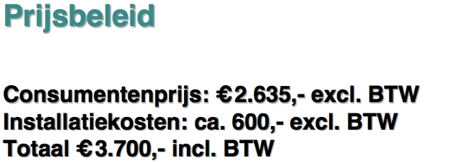
Techneco

 |  | 2635 | euro | investment costs
 |  |  |  | Note: just for the HP

 |  | 600 | euro | installing costs

 |  | 1500 | euro | investment costs |  | from households_water_heater_combined_network_gas
 |  |  |  | Note: just for the gas part of the hhp

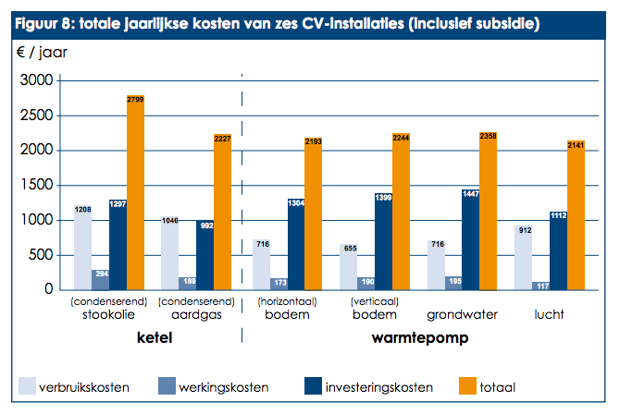
 |  | 4135 | euro | total investment costs excluding boiler

ODE

 |  | 117 | euro/yr | fixed operational costs incl. taxes
 |  |  |  | for HP part
 |  | 96.694214876 | euro/yr | fixed operational costs excl taxes
 |  |  |  | for HP part

 |  | 189 | euro/yr | fixed operational costs incl. taxes
 |  |  |  | for gas part

 |  | 156.19834711 | euro/yr | fixed operational costs excl. taxes
 |  |  |  | for gas part

 |  | 252.89256198 | euro/yr | total fixed operational costs
 |  |  |  | for HHP

DHPA | Phone conversation
 | See file on Dropbox | 201707_Tabel RV WW en koude met warmtepompen

 | technical_lifetime | 15 | years
 | cost_of_installing | 1000 | euro
 | fixed_operation_and_maintenance_costs_per_year | 200 | euro/year
 | heat_output_capacity | 0.005 | MW |  | 5 | kW
 |  |  |  |  |  | Ecofys | Page 65
 | For space heating
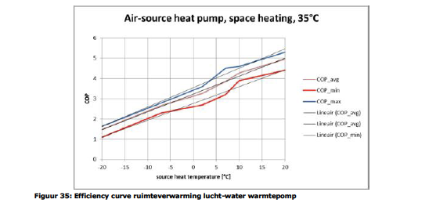
 | Linear fit through COP_avg:
 | fever.base_cop | 3.25 | COP
 | fever.cop_per_degree | 0.0875 | COP/oC

 | Ref temperature for output capacity | 7 | oC
 | fever.capacity.electricity | 0.0012944983819 | MW

 | storage.volume | 0 | MWh | HHP's not regularly used to supply water heating

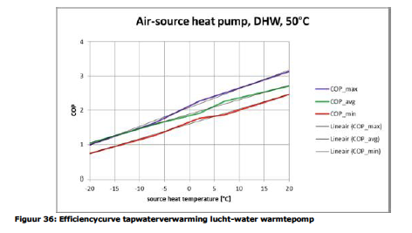
Ecofys | page | 66

 | Linear fit through COP_avg:
 | fever.base_cop | 1.86 | COP

 | fever.cop_per_degree | 0.043 | COP/oC

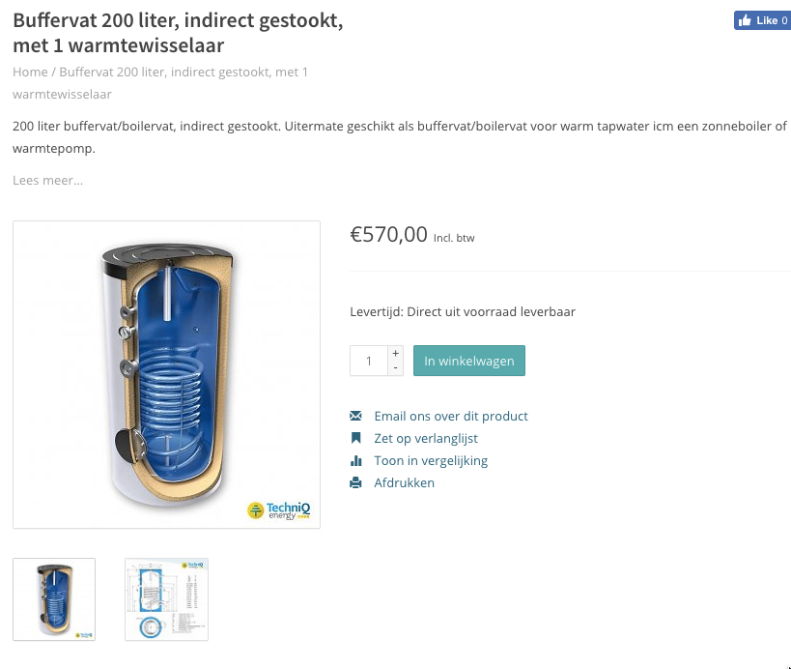
Zonneboiler-zelfbouw.nl | 0 | 50713.749 | euro/MWh
 | Storage volume | 200 | liter
 | Costs (incl VAT) | 570 | euro
 | Costs (excl VAT) | 471 | euro
 | costs per liter | 2.4 | euro/liter
 | costs per MWh | 21531 | liter/MWh
 | costs per heat pump | 0 | euro / hp

 | heat capacity water | 4.18 | kJ/oC/l
 | T in | 10 | oC
 | T vessel | 50 | oC
 | Volume vessel | 200 | liter
 | Capacity vessel | 33440.0 | kJ
 | 0 | 0.0093 | MWh

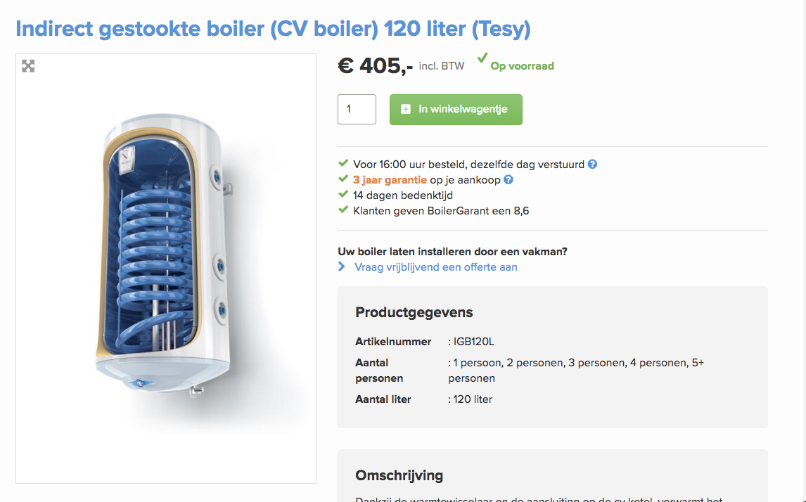
Boiler Garant | 0 | 60055.755 | euro/MWh
 | Storage volume | 120 | liter
 | Costs (incl VAT) | 405 | euro
 | Costs (excl VAT) | 335 | euro
 | costs per liter | 2.8 | euro/liter
 | costs per MWh | 21531 | liter/MWh
 | costs per heat pump | 0 | euro / hhp

 | heat capacity water | 4.18 | kJ/oC/l
 | T in | 10 | oC
 | T vessel | 50 | oC
 | Volume vessel | 120 | liter
 | Capacity vessel | 20064.0 | kJ
 | 0 | 0.0056 | MWh

