Notes
Source |  | Notes
ECN part of TNO

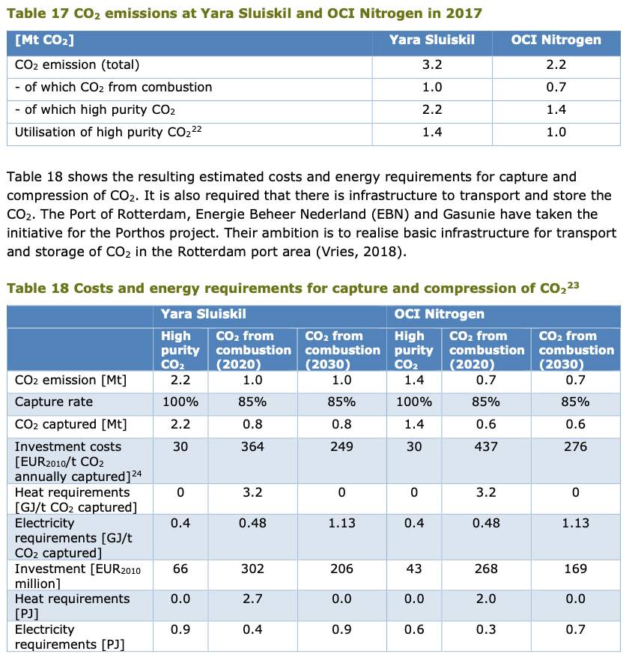
MIDDEN - rapport
Output capacity Yara | 1 | Mt CO2 / year
Output capacity OCI | 0.7 | Mt CO2 / year
Average output capacity | 0.85 | Mt CO2 / year
 | 106.25 | t CO2 / hour
 | 106250 | t CO2 / hour

Assumption: full load hours | 8000 | hour/year

Investment costs Yara | 364 | euro / t CO2 / year
Investment costs OCI | 437 | euro / t CO2 / year
Average investment costs | 400.5 | euro / t CO2 / year | 2020
 | 340425000 | euro / plant

Electricity demand | 0.48 | GJ / t CO2
Heat demand | 3.2 | GJ / t CO3
Electricity demand | 3.68 | GJ / t CO2
Total electricity demand | 3.68 | MJ / kg CO2

MIDDEN - database
Total yearly fixedO&M costs | 3.0 | % of investment | 2010
 | 10212750 | euro / year

Technical lifetime | 15 | year

 |  |  |  | Midden database

