Notes
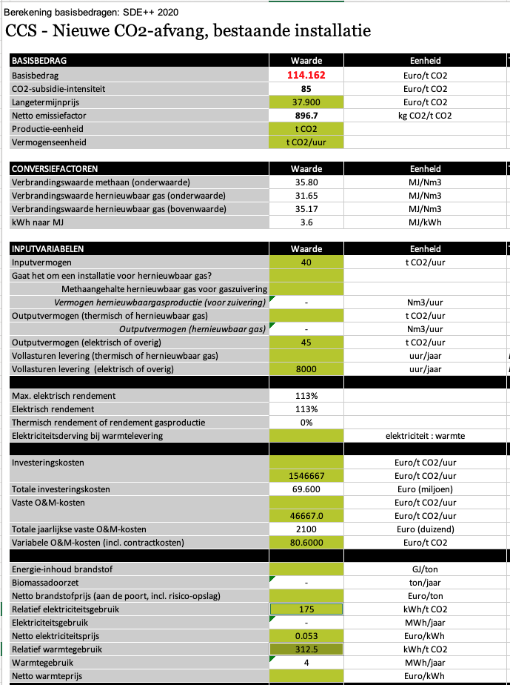
Source |  | Notes

 |  |  | No information available on Electric furnace capture. Therefore, we use generic post-combustion capture specs
Electricity demand | 175 | kWh / t CO2
Heat demand | 312.5 | kWh / t CO2
Total energy demand | 487.5 | kWh / t CO2

Total energy demand | 1.755 | MJ / kg CO2 | Note: full energy demand is currently modelled as electricity demand in the ETM

