Notes
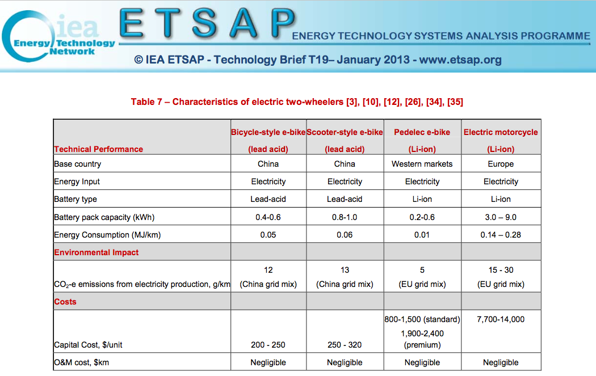

Sources | Notes
 |  | Efficiency
IEA (efficiencies) | E-bike & speed pedelec | 0.035 | MJ/km | Since bicycle e-bikes in the IEA report are based on the Chinese market and since pedelec e-bikes are part of the ETM e-bike category as well, MJ/km efficiency is assumed to be 0.035.
 |  | 28.571428571 | km/MJ

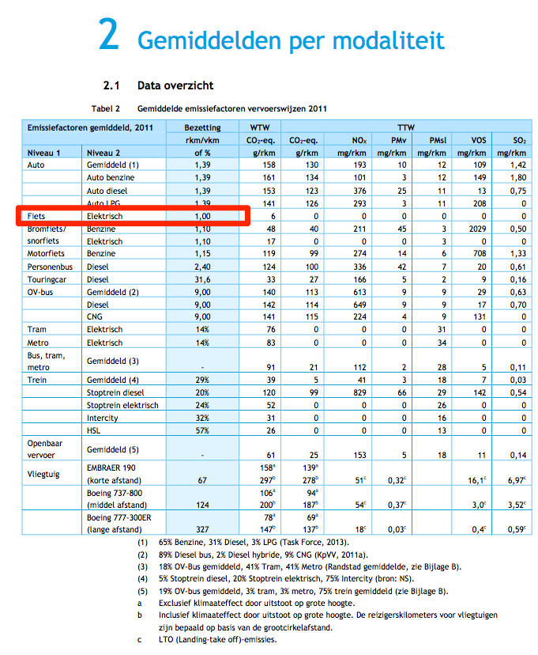
 |  |  |  |  | CE Delft: pkm/vkm for e-bikes is 1:1
CBS
CE Delft
 | passenger km | 15 | mld passenger km
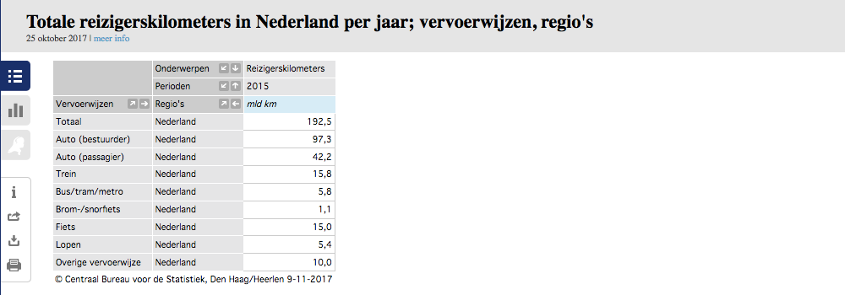
 |  | 15000000000.00 | passenger km

 |  | 1.000 | passenger km/vehicle km

 | output.passenger_kms | 28.571428571 | passenger km/MJ

