Notes
Sources |  | Notes

 |  | NOTE: This efficiency is used to derive the efficiency of passenger trains using diesel

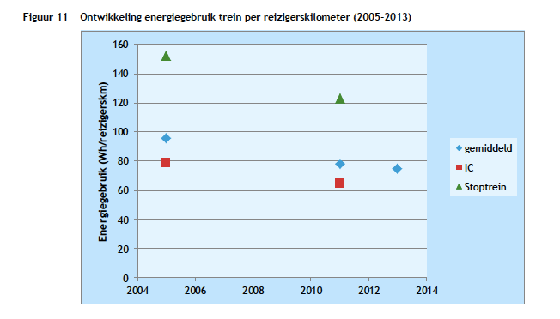
CE Delft
 | 75 | Wh/passenger km
 | 277.778 | Wh/MJ
 | 0.270 | MJ/passenger km
 | 3.70 | passenger km/MJ

