Notes
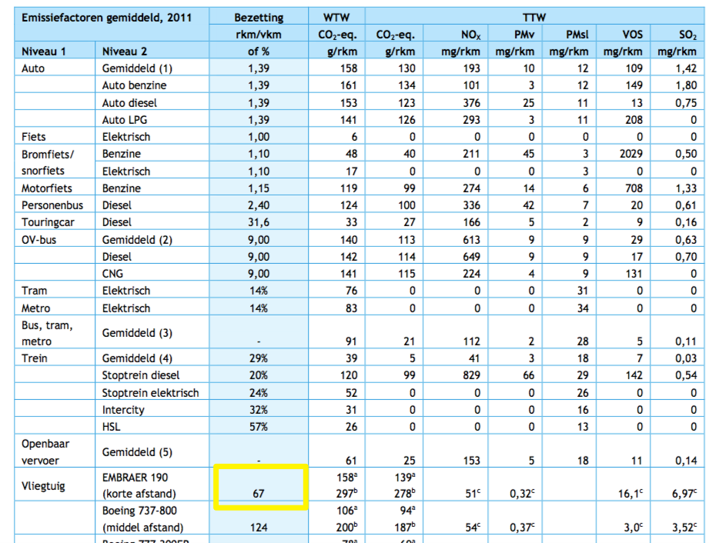

Sourcse |  | Notes

CE Delft | pkm/vkm | 67

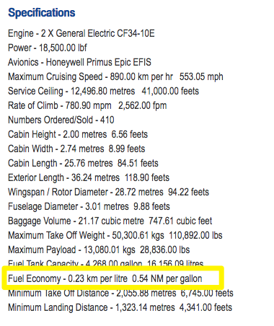

Aircraft compare | km/litre kerosene | 0.23
 | l/km | 4.347826087 | l/km
ETSource
 | Kerosene | 43.15 | MJ/kg
 | Gasoline | 43.2 | MJ/kg
 | Bio-ethanol | 26.8 | MJ/kg

 | Kerosene | 1.25 | kg/l
 | Gasoline | 1.3333333333 | kg/l
 | Bio-ethanol | 1.2658227848 | kg/l

 | Kerosene | 53.9375 | MJ/l
 | Gasoline | 57.6 | MJ/l
 | Bio-ethanol | 33.924050633 | MJ/l

 | Efficiency kerosene/gasoline | 0.93641493056
 | Efficiency kerosene/ethanol | 1.589948694

 | Kerosene | 234.51086957 | MJ/km
 | Gasoline | 219.59947964 | MJ/km | Using relative efficiencies of gasoline and bio-ethanol MJ/l compared to kerosene MJ/l to calculate MJ/km for gasoline and bio-ethanol
 | Bio-ethanol | 372.8602508 | MJ/km

 | Kerosene | 0.0042641946698 | km/MJ
 | Gasoline | 0.0045537448524 | km/MJ
 | Bio-ethanol | 0.0026819699817 | km/MJ

 | Kerosene | 0.28570104287 | pkm/MJ
 | Gasoline | 0.30510090511 | pkm/MJ
 | Bio-ethanol | 0.17969198877 | pkm/MJ

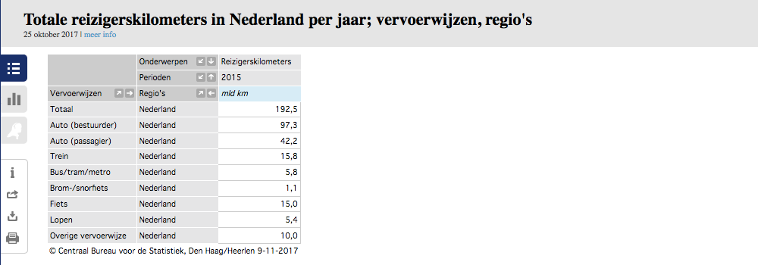
CBS | vehicle km | 105088.9 | mln vehicle km
 |  | 105088900000 | vehicle km
 | passenger km | 139.5 | mld passenger km
 |  | 139500000000 | passenger km

 |  | 1.327 | passenger km/vehicle km

 | output.passenger_kms | 0 | passenger km/MJ

