Notes
Sources |  | Notes

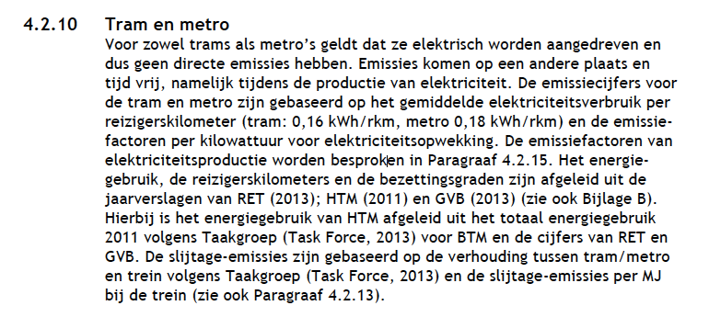
CE Delft | tram | 0.16 | kWh/pkm
 | metro | 0.18 | kWh/pkm
 | Average | 0.17 | kWh/pkm

 | Conversion | 3.6 | MJ/kWh
 |  | 0.612 | MJ/pkm
 | output.passenger_kms | 1.6339869281 | pkm/MJ

