Notes
Source |  | Notes
ECN part of TNO
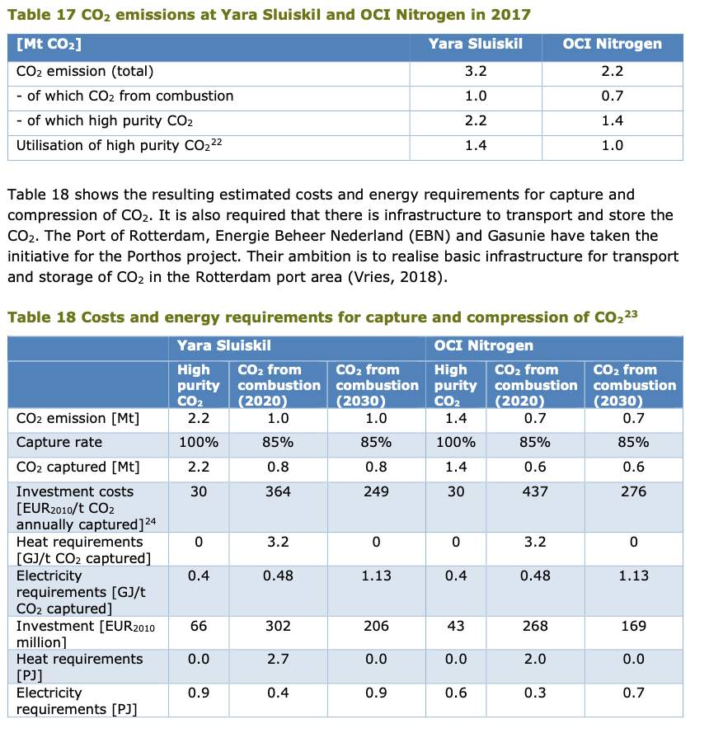
Output capacity Yara | 2.2 | Mt CO2 / year
Output capacity OCI | 1.4 | Mt CO2 / year
Average output capacity | 1.8 | Mt CO2 / year
Average output capacity | 225 | t CO2 / hour
 | 225000 | kg CO2 / uur

AANNAME: Vollasturen | 8000 | hour/year

Total investment costs | 30.00 | euro / t CO2 / year | 2010
 | 54000000 | euro / plant

Total yearly fixed O&M costs | 3.0 | % of investment | 2010
 | 1620000 | euro / year

Technical lifetime | 15 | year

Electricity demand | 0.4 | GJ / t CO2
Total electricity demand | 0.4 | MJ / kg CO2

 |  |  |  | Midden database

