Notes
Source |  | Notes

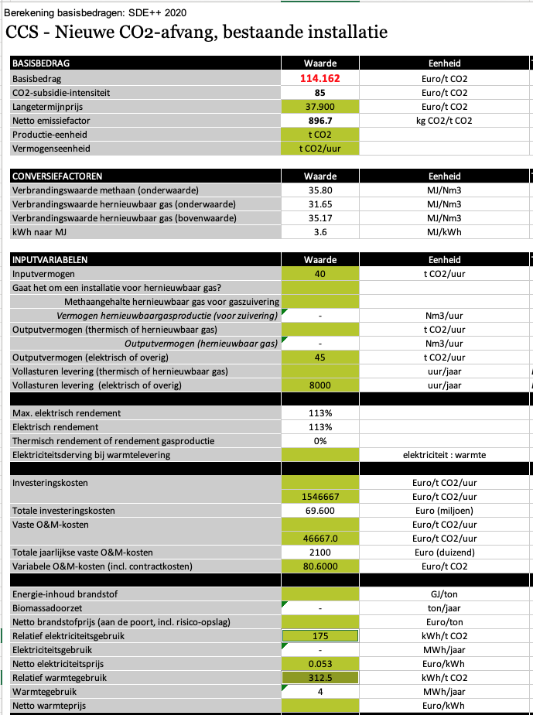
Output capacity | 45 | t CO2 / hour
 | 45000 | kg CO2 / hour

Full load hours | 8000 | hour/year

Total investment costs | 69.60 | million euro / plant
 | 69600015 | euro / plant

Total yearly fixed O&M costs | 2100.0 | thousand euro/year
 | 2100015 | euro /year

Variable O&M costs | 80.6000 | euro / t CO2
 | 3627 | euro / FLH

Vollasturen | 8000 | hour

Technical lifetime | 15 | year

Electricity demand | 175 | kWh / t CO2
Heat demand | 312.5 | kWh / t CO2
Total electricity demand | 487.5 | kWh / t CO2
(heat demand is added to electricity demand for modelling purposes)
Total electricity demand | 1.755 | MJ / kg CO2

