Notes
Source |  | Notes
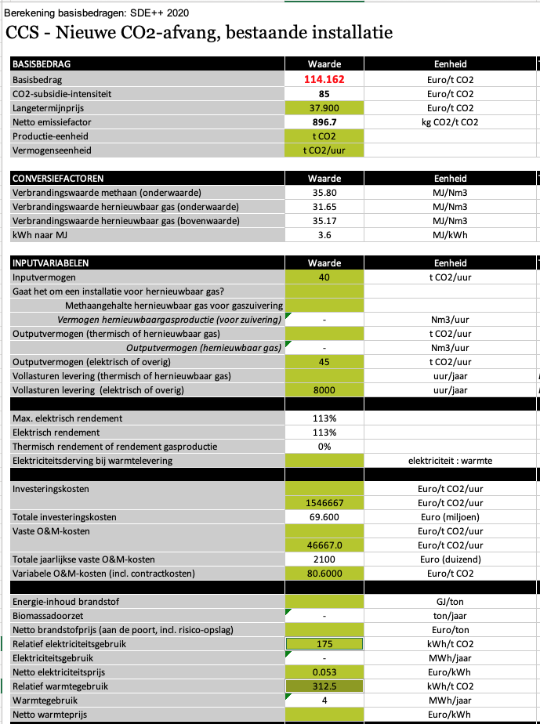

Outputvermogen | 45 | t CO2 / uur
 | 45000 | kg CO2 / uur

Vollasturen | 8000 | uur/jaar

Totale investeringskosten | 69.60 | miljoen euro / plant
 | 69600015 | euro / plant

Totale jaarlijkse vaste O&M kosten | 2100.0 | duizen euro / jaar
 | 2100015 | euro / jaar

Variable O&M kosten | 80.6000 | euro / t CO2
 | 3627 | euro / FLH

Vollasturen | 8000 | uur

Technical lifetime | 15 | jaar

Elektriciteitsvraag | 175 | kWh / t CO2
Warmtevraag | 312.5 | kWh / t CO2
Totale elektriciteitsvraag | 487.5 | kWh / t CO2
(warmtevraag wordt bij elektriciteitsvraag opgeteld)
Totale elektriciteitsvraag | 1.755 | MJ / kg CO2

