Notes
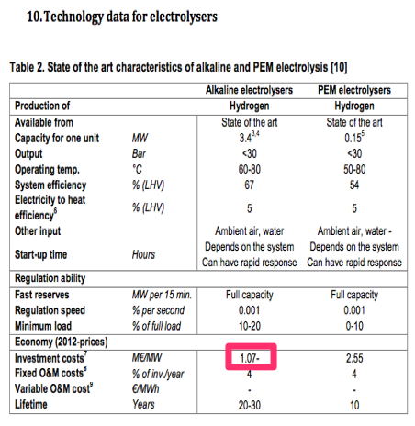
Source

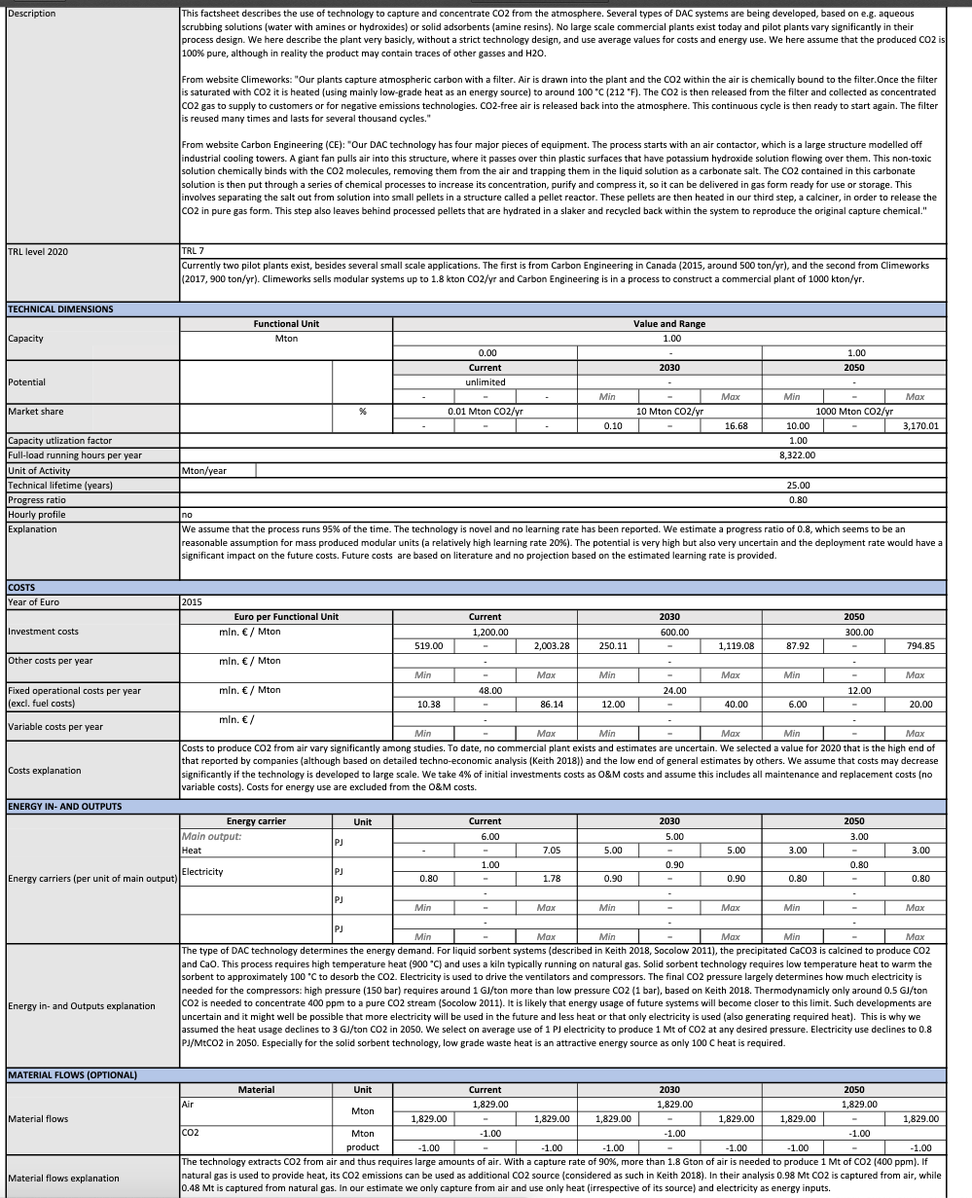
TNO

Full load hours | 8322 | uur / year

Capacity | 1 | Mton/year
 | 120163.42 | kg/hour

Investment costs | 1200.00 | mln euro/ PJ | CIURRENT
 | 1200000000 | euro / plant

Fixed operational costs (excl fuel costs) | 48 | mln euro/ PJ | CIURRENT
 | 48000000.00 | euro / plant / year

Technical lifetime | 25.00 | years

ENERGY INPUT
Heat | 6 | PJ
Electricity | 1.00 | PJ
ENERGY OUTPUT
Methanol | 1.00 | Mton

Energy input per kg product
Heat | 6.000 | PJ/Mton CO2
Electricity | 1.000 | PJ/Mton CO2
Total electricity input | 7.000 | PJ/Mton CO2
 | 7.000 | MJ/kg CO2
As we do not want to use gas for DAC (because of the combustion emisions), we assume the heat is deliverd with 100% electricity

