Notes
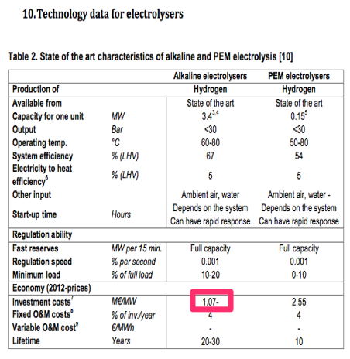
Source

EBN & Gasunie

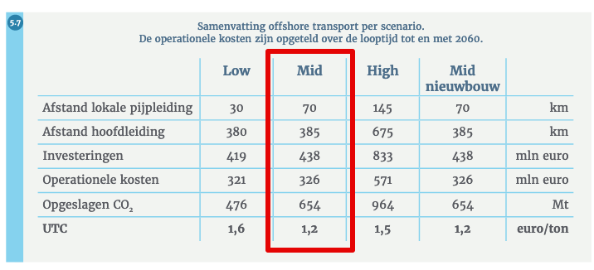
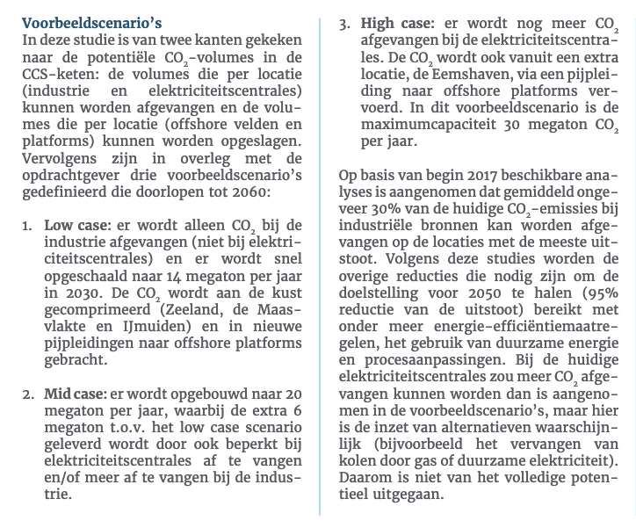
Offshore transport
Scenario: Mid case
Investment | 438 | million euro

Operational costs | 326 | million euro
 | 8.15 | million euro / year

Captured CO2 until 2060 | 654 | Mton

Technical lifetime (ASSUMPTION) | 40 | years

Capacity (ASSUMED LINEAIR) | 16.35 | Mton CO2 / year
 | 4087500 | kg CO2 / hour

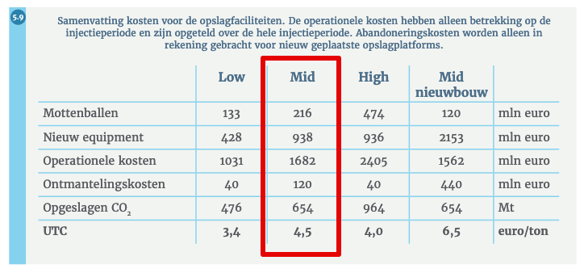
Offshore injection
Scenario: Mid case
Investment mottenballen | 216 | million euro
Investment new equipment | 938 | million euro
Total investment | 1154 | million euro

Operational costs | 1682 | million euro
 | 42.05 | million euro / year

Decommissioning costs | 120 | millon euro

Total costs offshore transport + injection

Investment | 1592000000 | euro
Yearly fixed operational costs | 50200000 | euro / year
Decommissioning costs | 120000000 | euro

Yearly storage potential

Practical storage capacity in NL | 1678 | Mton CO2
Yearly storage potential | 41.95 | Mton/year
based on technical lifetime

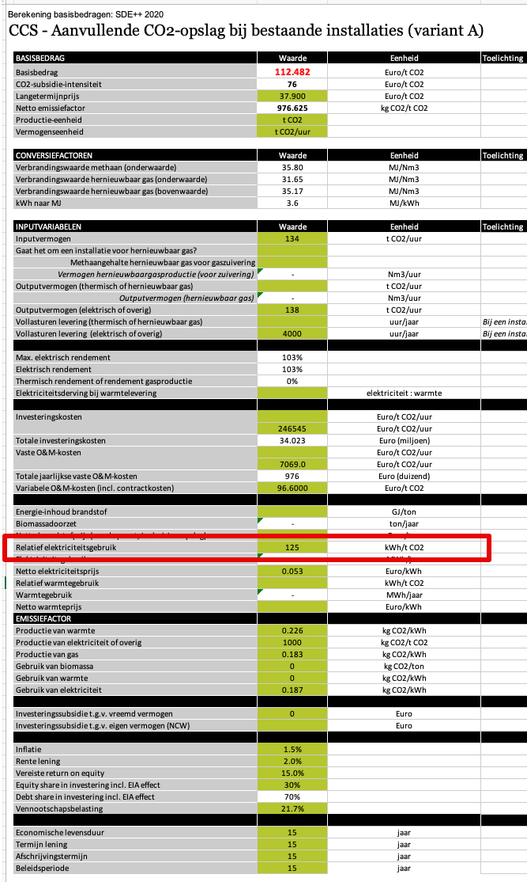
SDE++ 2020

Electricity demand

Vollasturen | 4000 | hour/year

Eletricity demand | 125.00 | kWh/t CO2
 | 0.45 | MJ/kg CO

Investment | 246545.00 | euro/t CO2/hour
 | 1007752687.5 | euro

Fixed OPEX | 7069 | euro/t CO2/hour
 | 28894537.50 | euro / year

Variabel OPEX | 96.60 | euro/t CO2
 | 394852.5 | euro / hour

Cost comparison SDE++ and EBN & Gasunie
 | SDE | EBN & Gasunie
Investment (million euro) | 1007.8 | 1592.0
Fixed OPEX (million euro / year) | 28.9 | 50.2
Variable OPEX (million euro / hour) | 0.4 | 0
Decommisioning costs | 0 | 120
Yearly CO2 stored | 16.35 | 16.35
Full load hours | 4000 | 4000

