Notes
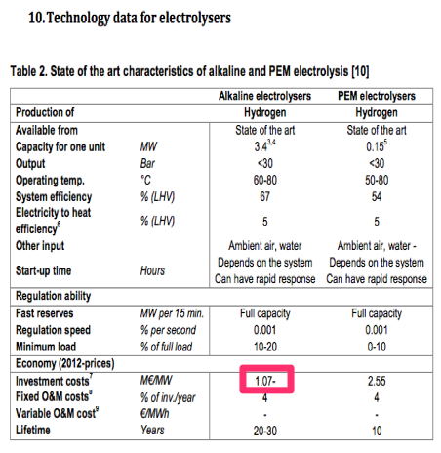
Source

TNO
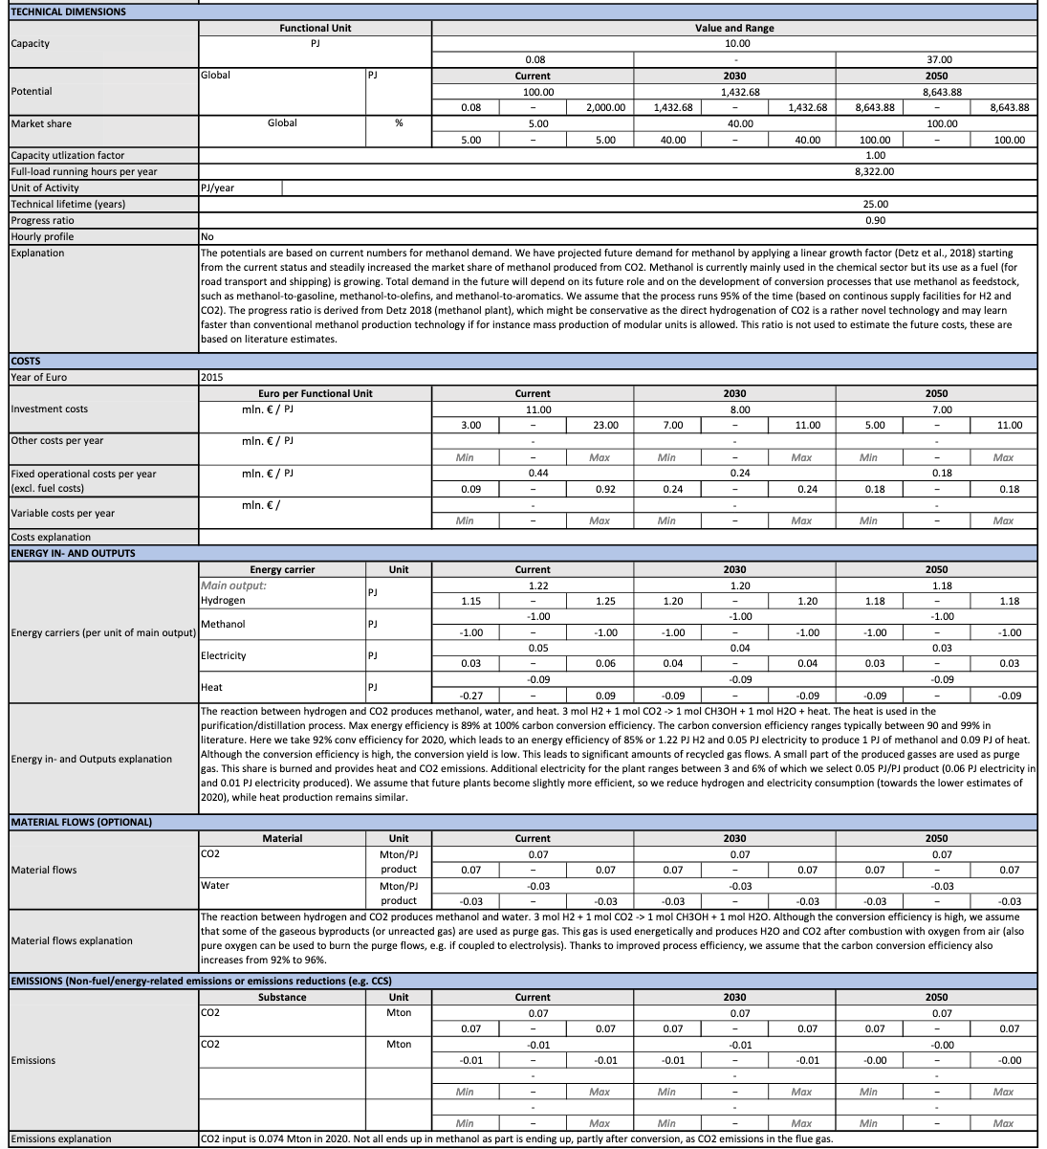
Full load hours | 8322 | hour / year

Capacity | 10 | PJ / year
 | 333.79 | MJ/s = MW

Investment costs | 11.00 | mln euro/ PJ
 | 110000000 | euro / plant

Fixed operational costs (excl fuel costs) | 0.44 | mln euro/ PJ
 | 4400000.00 | euro / plant / year

Technical lifetime | 25.00 | years

ENERGY INPUT
Hydrogen | 1.22 | PJ
Electricity | 0.05 | PJ
ENERGY OUTPUT
Methanol | 1.00 | PJ
Heat | 0.09 | PJ
The heat is used in the purification/distillation proces, therefore we assume no losses
Losses | 0 | PJ

EMISSIONS (Non-fuel/energy-related emissions or emissions reductions (e.g. CCS
CO2 input | 0.074 | Mton/PJ product
 | 0.074 | kg/MJ product
CO2 output | 0.01 | Mton/PJ product
 | 0.01 | kg/MJ product
CO2 utilised | 0.064 | Mton/PJ product

CO2 input is 0.074 Mton in 2020. Not all ends up in methanol as part is ending up, partly after conversion, as CO2 emissions in the flue gas

