Notes
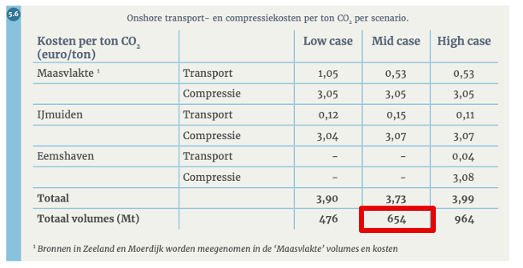
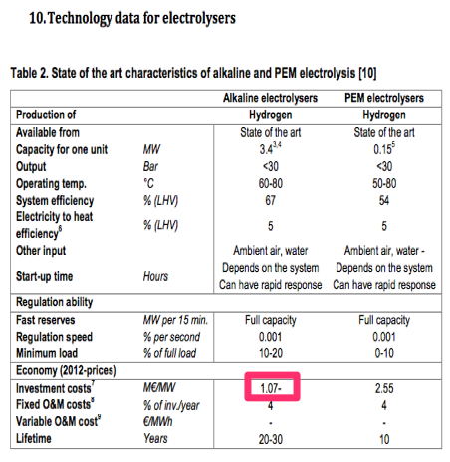
Source

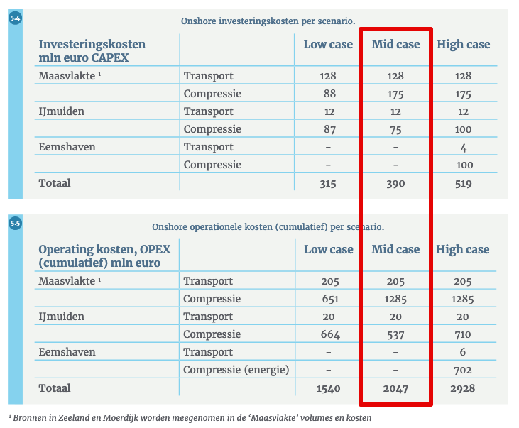
EBN & Gasunie

Costs transport + compression
Scenario: Mid case
Investment costs | 390000000 | euro

Operational costs (OPEX) | 2047000000 | eur
 | 51175000 | mln euro / year

Captured CO2 until 2060 | 654 | Mton

Capacity (ASSUMED LINEAIR) | 16.35 | Mton CO2 / year
 | 1866438.3562 | kg CO2 / hour

Technical lifetime (ASSUMPTION) | 40 | years
same value as hydrogen pipelines (TNO)

Vollasturen (ASSUMPTION) | 8760 | hour/year

