Notes
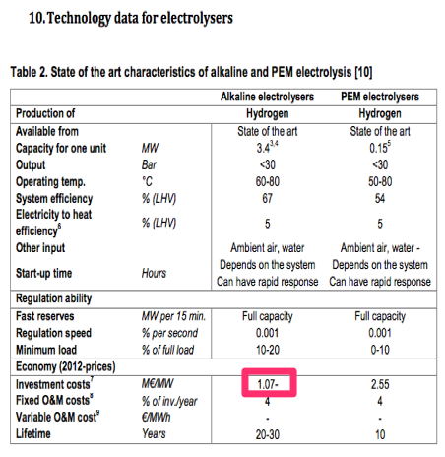
Source

Zero emission platform

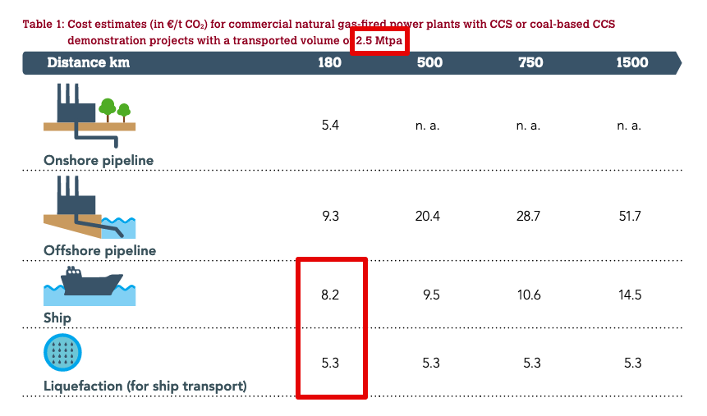
Costs ship + liquefaction

Capacity | 2.5 | MtCO2/year
 | 285388.12785 | kg/uur

Overall costs CAPEX + OPEX
Cost ships | 8.2 | euro/tCO2
Costs liquefaction | 5.3 | euro/tCO2
Total costs | 13.5 | euro/tCO2
 | 33750000 | euro/year

ASSUMPTION: 50% CAPEX, 50% OPEX
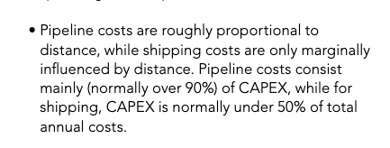

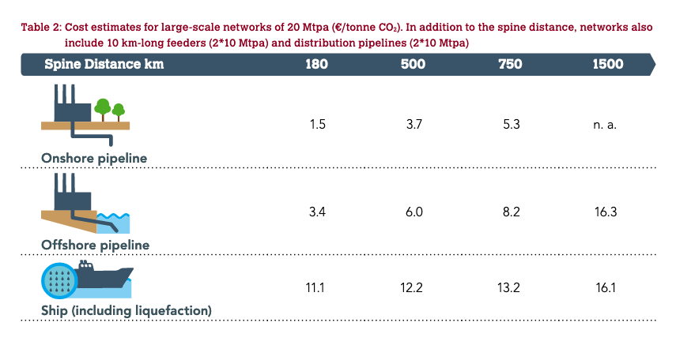
Investment costs | 253125000 | euro

Operational costs | 16875000 | euro/year

Technical lifetime (ASSUMPTION) | 15 | years

Vollasturen (ASSUMPTION) | 8760 | hour/year

