Notes
Source | Notes

Frauhofer 2018

output.electricity |  | 0.17

Frauenhofer 2017

This is a utility scale-20 MW ground-mounted crystalline PV system. This technology was chosen because is commercially available on a large scale, the most common, and featured in a recent extensive and quantitative research by the Fraunhofer Institute (2017).
Land Usage

 | solar PV plant | 20 | MW
 |  | 20,000 | kW

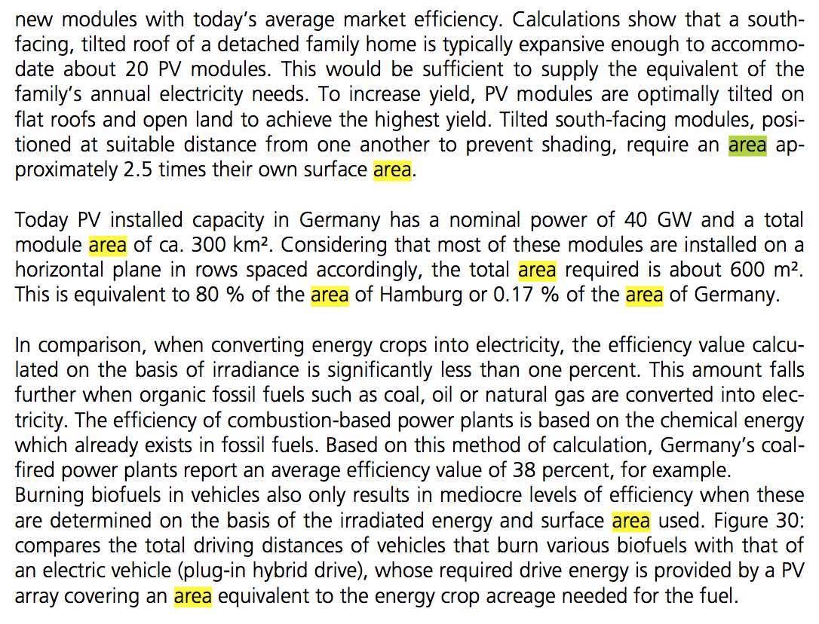

Fraunhofer Recent Facts about Photovoltaics in Germany 2017 |  |  |  | pg. 41

 | total capacity | 40,000 | MW
 | horizontal spaced area | 600,000,000 | m2

 | area per kW | 15 | m2/kW
 | land_use_per_unit (including spacing) | 300,000 | m2
 | area for 20 MW plant | 0.30 | km2

 |  |  |  |  |  |  |  |  | 604

 |  |  |  |  | PS. There is a mistake here that it should be 600 km2 instead of 600 m2

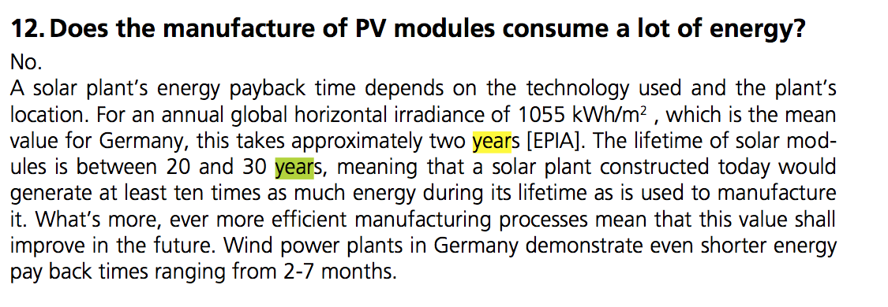
Frauenhofer 2017
 | p.39
 | Technical lifetime | 20 | years
 |  | 30 | years
 | average | 25


Sunpower.com
 | construction time | 6 months
 |  | 0.5 | years

 |  |  |  |  | PS. WACC is very variable based on the used financing method
Economic Analysis
 |  |  |  |  |  | USD | 0.836 | Euro
Initial Investment |  |  |  |  |  |  | xe.com
 |  |  |  |  |  |  | 9-Sep-17

ECN 2017 | p26-27
 |  | Total investment costs | 871 | euro per kWp
 | Break down costs:
 | Module |  | 440 | euro per kWp
 | Inverter |  | 84 | euro per kWp
 | BoS (excluding installation) |  | 297 | euro per KWp
 | Installation |  | 50 | euro per KWp
 |  |  | Installation costs based on Fraunhofer 2015, see below

 | fixed O&M | 14.7 | euro per kWp per year
 |  |  | includes land costs
 | Replacement inverter after 12 years | 30 |  | euro per kWp

 | total fixed O&M per kWp | 15.9 | euro per kWp per year

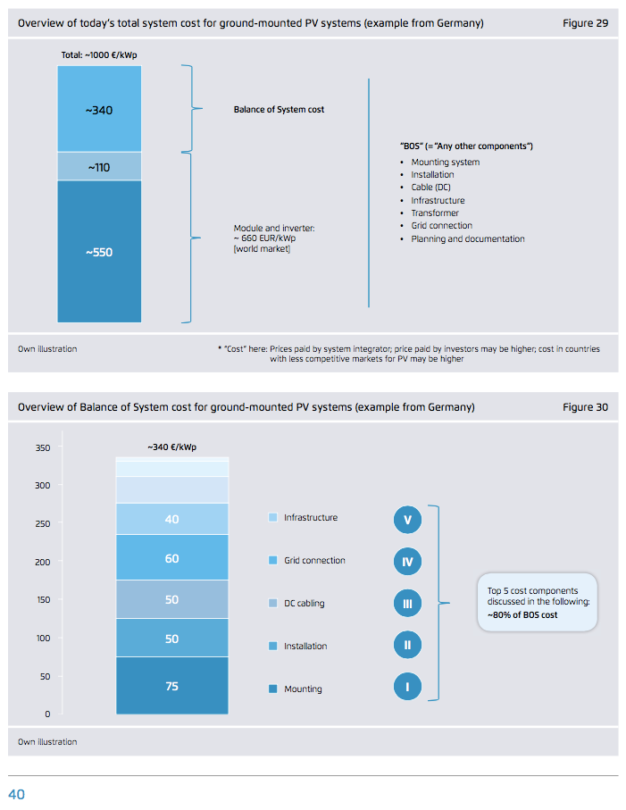

 | Fraunhofer 2015 p.40

