Notes
Source | Page | Notes

 |  | pipeline distance | 100 | km | Quintel assumption
 |  | initial investment costs | 67,314,800 | eur
 |  | fixed O&M costs | 1,120,560 | eur/yr

From North Sea Wind Power Hub programme, Pathway 2.0 Techno-economic data

 |  | CAPEX H2 infrastructure | 449.4 | EUR/MWth_LHV/km | Costs are assumed to be for new infrastructure rather than repurposing existing natural gas pipelines
 |  | CAPEX H2 compression | 223.7 | EUR/MWth_LHV/km
 |  | OPEX incl pumping | 11.2 | EUR/MWth_LHV/km/year
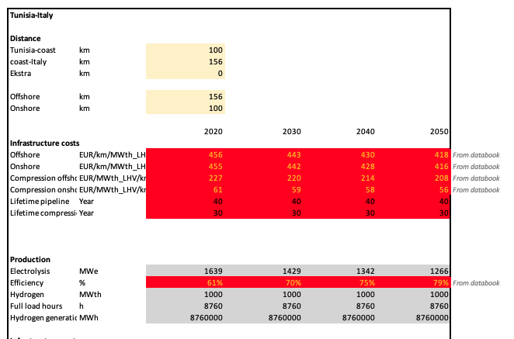
 |  | elektrolyzer hydrogen output | 1000.0 | MWth
 |  | full load hours | 8760.0 | h

 |  | lifetime compression | 30.0 | yr
 |  | lifetime pipelines | 40.0 | yr

