Notes
Source | Notes

Electricity output capacity | 3 | MW | corresponds to energy_power_wind_turbine_inland
Full load hours | 3734 | h/yr | Quintel calculation, based on cental production dataset
Annual production | 11202 | MWh/yr
initial investment costs | 5,480,367 | euro
fixed O&M costs per year | 162,000 | euro
fixed + variable O&M costs per year | 218,010 | euro | include variable in fixed O&M costs for modelling purposes
 |  |  |  | NSWPH dataset:

North Sea Wind Power Hub programme (NSWPH)
Pathway 2.0 Techno-economic data

Base investment | 1.34 | mEUR/MW | Base investment excludes connection costs (transmission), foundation costs, platform and substation costs
Foundation investment | 0.49 | mEUR/MW | Offshore water depth>10m, offshore wind area IJVER water depth between 16,8 en 46,9m
Fixed O&M | 54 | EUR/kW | assumed for 83 km from shore
Variable O&M | 5 | EUR/MWh | assumed for 83 km from shore

Foundation investment
Foundation
0 m to -10 m | Water depth (m) | mEUR/MW | 0.23
-10 m to -20 m | 5 | mEUR/MW | 0.33
-20 m to -30 m | 15 | mEUR/MW | 0.43
-30 m to -40 m | 25 | mEUR/MW | 0.54
-40 m to -50 m | 35 | mEUR/MW | 0.64
-50 m to -60 m | 45 | mEUR/MW | 0.75
-60 m to -70 m | 55 | mEUR/MW | 0.85
 | 65

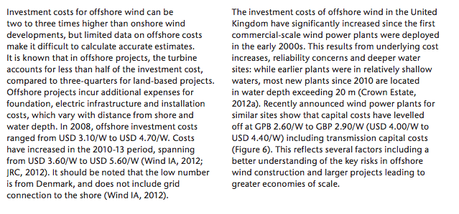
IEAa
p.15

 |  | $/W
Average | 3.6-5.6 | $/W
 | 4.6

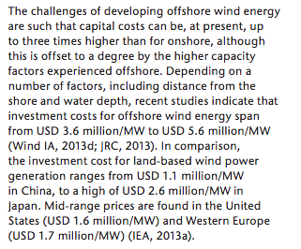
IEAb
p.7

 |  | $m/MW
Average | 3.6-5.6 | $m/MW
 | 4.6 | euro/KW
 | 3444

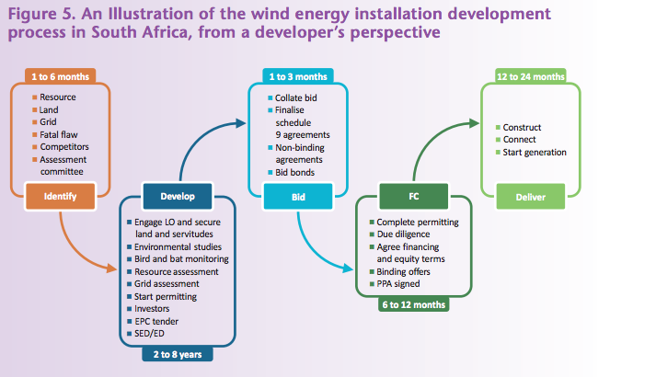
p.15

 |  | months
 | 12 to 24
 | 18

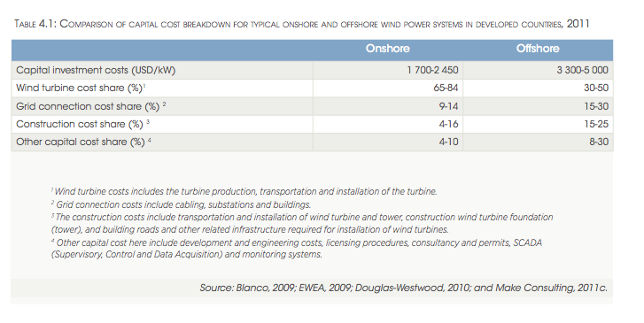

IRENA
p.19

 |  | %
Average | 15-25
 | 20%

p.51

 |  | yr
 | 20
NREL
p.24

 |  | yr
 | 20

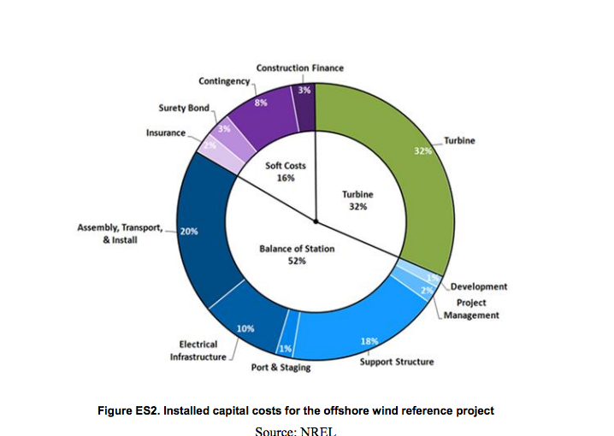
p.viii

 | 20%

ISE
p.10

 |  | euro/KW
 | 3400 | euro/kW
Average | 4500 | euro/kW
 | 3950

p.11

 |  | yr
 | 20

worldenergy
p.17

 |  | $m/MW
Average | 4.29-6.08 | $/KW
 | 5185 | euro/KW
 | 4218 | $/KW
Average | 100-160 | $/KW
 | 130 | euro/KW
 | 101

rwe
p.10

 |  | m
Average | 350-1000 | m
 | 700

