Notes
Source | Page | Notes

Methanol production from CO2 is considered
TNO |  | Carrier input | 1 | PJ
 |  | Methanol output | 0.787 | PJ
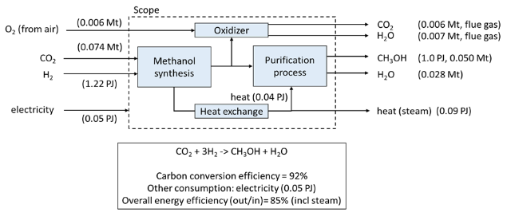
 |  | Input
 |  | Hydrogen | 1.22 | PJ
 |  | Electricity | 0.05 | PJ
 |  | Total carrier input | 1.27
 |  | Share hydrogen | 0.961
 |  | Share electricity | 0.039

 |  | Output
 |  | Methanol | 1 | PJ | for 1.27 PJ carrier input
 |  | Methanol converted output | 0.787 | PJ | for 1.0 PJ carrier input
 |  | Loss | 0.213 | PJ | for 1.0 PJ carrier input

 |  | Typical production | 10 | PJ/year | 0.08-37.00 PJ
 |  |  | 2,777,778 | MWh/year
 |  | Typical capacity | 333.79 | MW
 |  | Full load hours | 8322 | h/year
 |  | Capacity utilization factor | 1
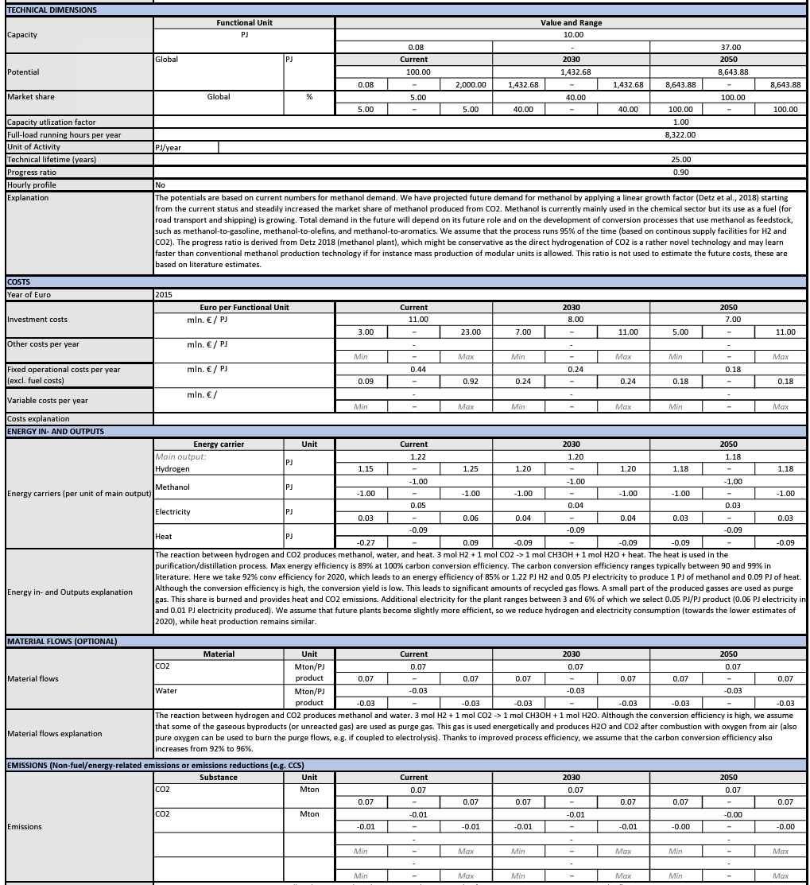
 |  | Technical lifetime | 25 | year
 |  | Progress ration | 0.9
 |  | Efficiency | 85%

 |  | Investment | 110,000,000 | euro | for 10 PJ/yr typical capacity
 |  | OPEX | 4,400,000 | euro/year | for 10 PJ/yr typical capacity

 |  | Costs per PJ
 |  | Investment | 11 | mln euro/PJ | 13-37
 |  |  | 11000000 | euro/PJ
 |  | OPEX | 0.44 | mln euro/PJ | 0.09-0.92
 |  |  | 440000 | euro/PJ

