Notes
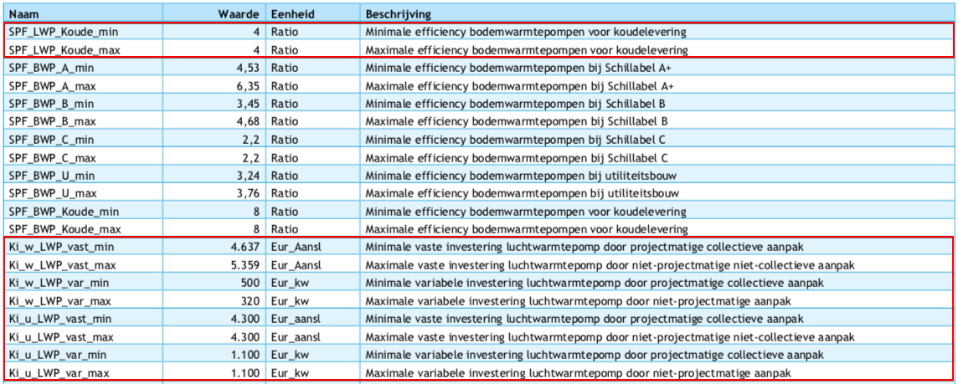
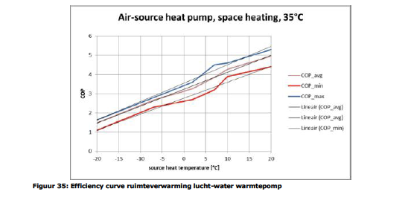
Source | Notes

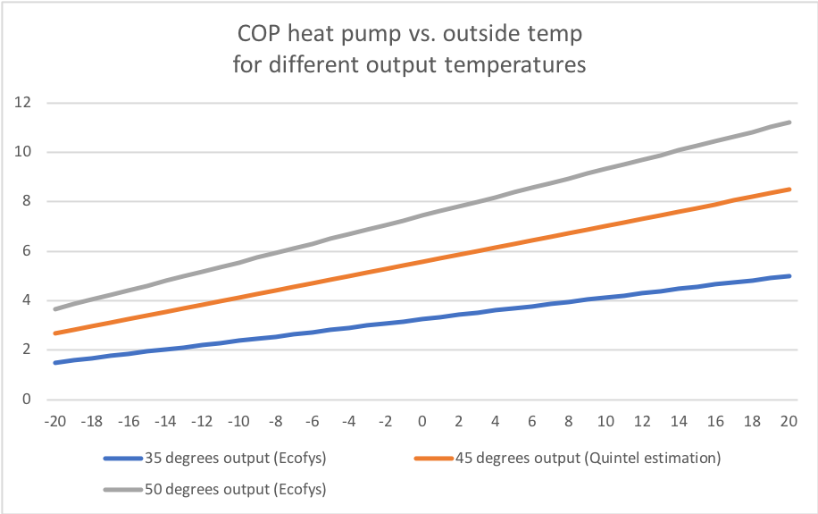
Ecofys | page | 65
 | Update Marlieke Verweij 20200401:
 | Output temperature is assumed to be 45 degrees and the COP curve is based on the Ecofys COP curves for 35 and 50 degrees Celsius.

 | output temperatuur (graden Celsius) | 35 | 45 | 50
 | base_cop | 3.2500 | 2.3233 | 1.8600
 | cop_per_degree | 0.0875 | 0.0578 | 0.0430
 | source | linear fit Ecofys curve |  | linear fit Ecofys curve

 | fever.base_cop | 2.3233 | COP
 | fever.cop_per_degree | 0.0578 | COP/degree C

 | With this output temperature and the cost-optimal threshold COP of 2.6, the HHP electricity share (heat output) for houses with energylabel B is 64%.
 | The input share in the node for the start year should be adjusted soon, will be done together with dataset update!
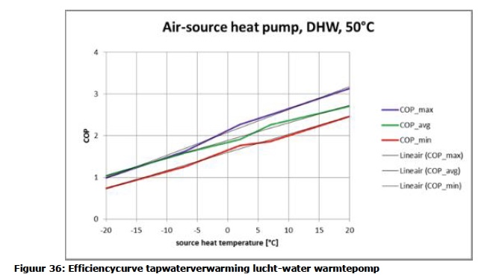

ISSO 72 and Quintel calc |  |  |  |  | Note
 | buffer time | 10 | min
 | output capacity | 10 | kW output
 | specific capacity water | 4.18 | kJ/oC/l
 | temperature difference system | 10 | oC |  | Educated guess based on various sources
 | volume of buffer | 143.5 | liter
 | conversion kJ to kWh | 3600000.0 | kJ to MWh
 | storage.volume | 0.0017 | MWh

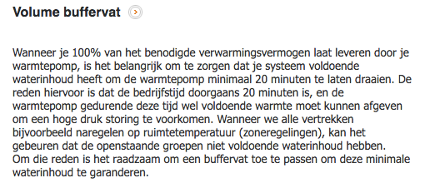
Warmtepompforum | buffer time | 20 | min
 | output capacity | 10 | kW output
 | specific capacity water | 4.18 | kJ/oC/l
 | temperature difference system | 10 | oC |  | Educated guess based on various sources
 | volume of buffer | 287.1 | liter
 | conversion kJ to kWh | 3600000.0 | kJ to MWh
 | storage.volume | 0.0033 | MWh

DHPA | Phone conversation
 | See file on Dropbox | 201707_Tabel RV WW en koude met warmtepompen

 | technical_lifetime | 15 | years
 | Initial investment (including boiler) | 9500 | euro
 | Costs for boiler | 253.6 | euro
 | initial_investment | 9246.4 | euro
 | cost_of_installing | 1500 | euro |  | See documentation Households water heater heatpump air water electricity
 | fixed_operation_and_maintenance_costs_per_year | 100 | euro/year
 | heat_output_capacity | 0.01 | MW |  |  | 10 | kW

 | Ref temperature for output capacity | 7 | degrees C
 | fever.capacity.electricity | 0.0036654652086 | MW
 | storage.volume | 0 | MWh |  | Hot water boiler vessel used as storage device to protect compressor

?? | storage.cost_per_mwh | 0 | euro/MWh

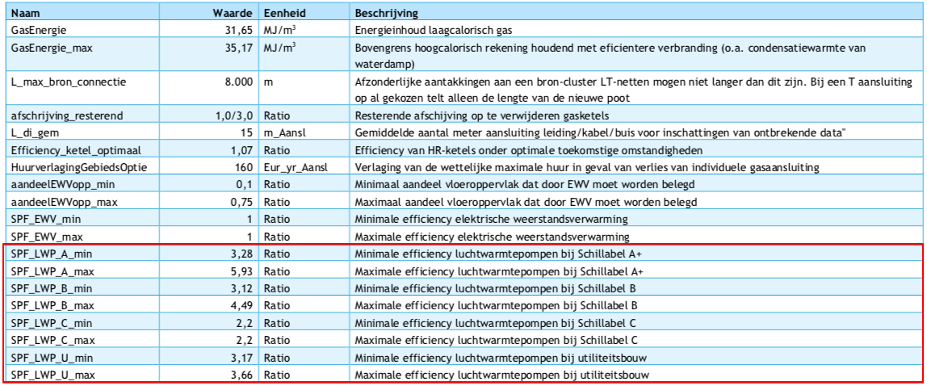
Vesta Functioneel Ontwerp 4.0

 | vaste investeringskosten min | 4637 | euro/aansluiting | Ki_w_LWP_vast_min
 | variable investeringskosten min | 320 | euro/kW | Ki_w_LWP_var_max
 | totale investeringskosten min | 7837

 | vaste investeringskosten max | 5359 | euro/aansluiting | Ki_w_LWP_vast_max
 | variable investeringskosten max | 500 | euro/kW | Ki_w_LWP_var_min
 | totale investeringskosten max | 10359

gemiddelde nemen! | investment_costs | 9098 | euro/unit
 | dit is inclusief de cost_of_installing, dus die gaat naar nul

 | LETOP: het lijkt erop alsof de variable kosten zijn omgewisseld tussen min/max

