Notes
Source | Parameter | Value | Unit |  |  | Downloaded from

Solar Quotes | battery system choice | Hansol Scalable AIO 10.8 |  | Li-ion battery system that is ready to implement in homes, also known as All-in-one (AIO) system |  | https://www.zecoenergy.com.au/wp-content/uploads/2019/02/data-sheet.pdf
 |  |  |  | AIO system is preferred because it means that no additional components need to be bought
 |  |  |  | Li-ion is preferred because it is the dominating home storage system technology on the market |  | https://www.sciencedirect.com/science/article/pii/S2352152X19309442#fig0007

Solar Quotes | investment cost | 13540 | $ | Costs of the 10,8 kWh battery system from Solar Quotes in the dataset |  | https://www.zecoenergy.com.au/wp-content/uploads/2019/02/data-sheet.pdf
 |  |  |  | These costs are in line with other AIO systems when looking at $/kWh prices at Solar Quotes |  | https://www.solarquotes.com.au/battery-storage/comparison-table/
 |  |  |  | See for example Q.Home battery system of €7450 for 6,5 kWh system |  | https://www.shop-muenchner-solarmarkt.de/qhome-ess-ac-g2.htm
 |  | 0.84 | $/€ | Exchange rate
 |  | 11373.6 | €

Zeco Energy Specification sheet | input capacity | 5 | kW | Specification sheet: Battery - Power (kW) |  | https://www.zecoenergy.com.au/wp-content/uploads/2019/02/data-sheet.pdf
 | output capacity | 5 | kW | Specification sheet AC Side (GRID) - Rated Output Power (kW), which is the same as battery power

 | storage volume | 9.72 | kWh | Specificaiton sheet: Rated Usable Capacity (kWh) for 10.8 size battery storage option
 |  |  |  | Nominal storage in this case is 10.8 kWh, but usable storage is preferred option at DoD of 90%

 | storage decay | 25 | W | Specification sheet Others - Standby Losses (W)
 |  | 0.257 | %/h | Based on standby losses and storage volume the storage decay in % of storage volume / hour is determined

 |  | 6.173 | %/day | For verification, this seems in range with a 5% in 24h estimated self-discharge for Li-ion given by Batttery University |  | https://batteryuniversity.com/learn/article/elevating_self_discharge#:~:text=Lead%2D%20and%20lithium%2Dbased%20systems,have%20a%20lower%20self%2Ddischarge.&text=Li%2Dion%20self%2Ddischarges%20about,another%203%20percent%20per%20month.

 | efficiency | 0.96 | - | Specification sheet:Efficiency - PV to Grid (%)
 |  |  |  | Seems rather high to be considerd the actual roundtrip efficiency (see Solar Quotes Blog) |  | https://www.solarquotes.com.au/blog/hansol-technics-aio-battery-system-dont-call-samsung/
Hansol User Manual | efficiency | 0.90 | - | Based on actual performance in Hansol User Manual an actual roundtrip efficiency of 94,5% * 95,5% is more likely |  | https://allenergyhq.com.au/wp-content/uploads/2018/06/manual.pdf
 |  | 0.90 | - | Rounded to 90% based on Solar Quotes Blog

 |  |  |  |  | System efficiency from user manual
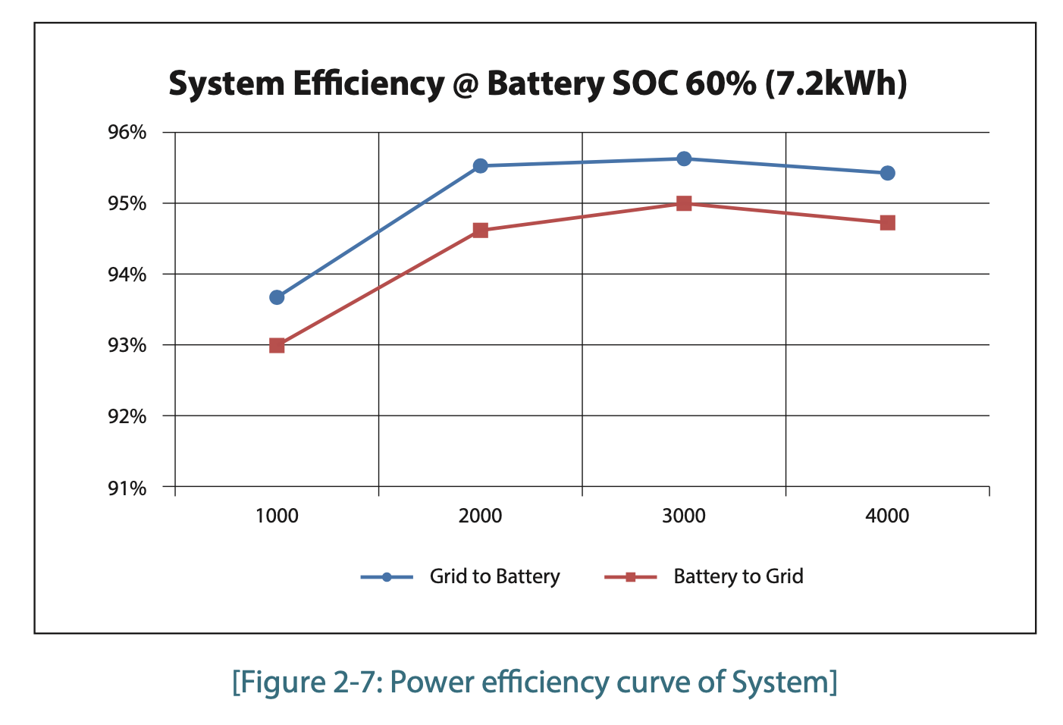

 |  |  |  |  | Typical self-discharge from various battery technologies

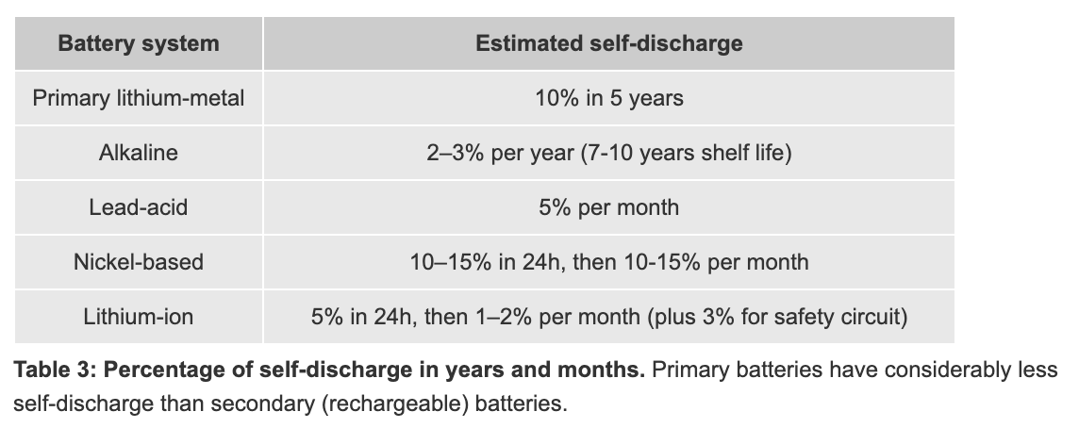

 |  |  |  |  | Home storage system battery technologies market shares in Germany

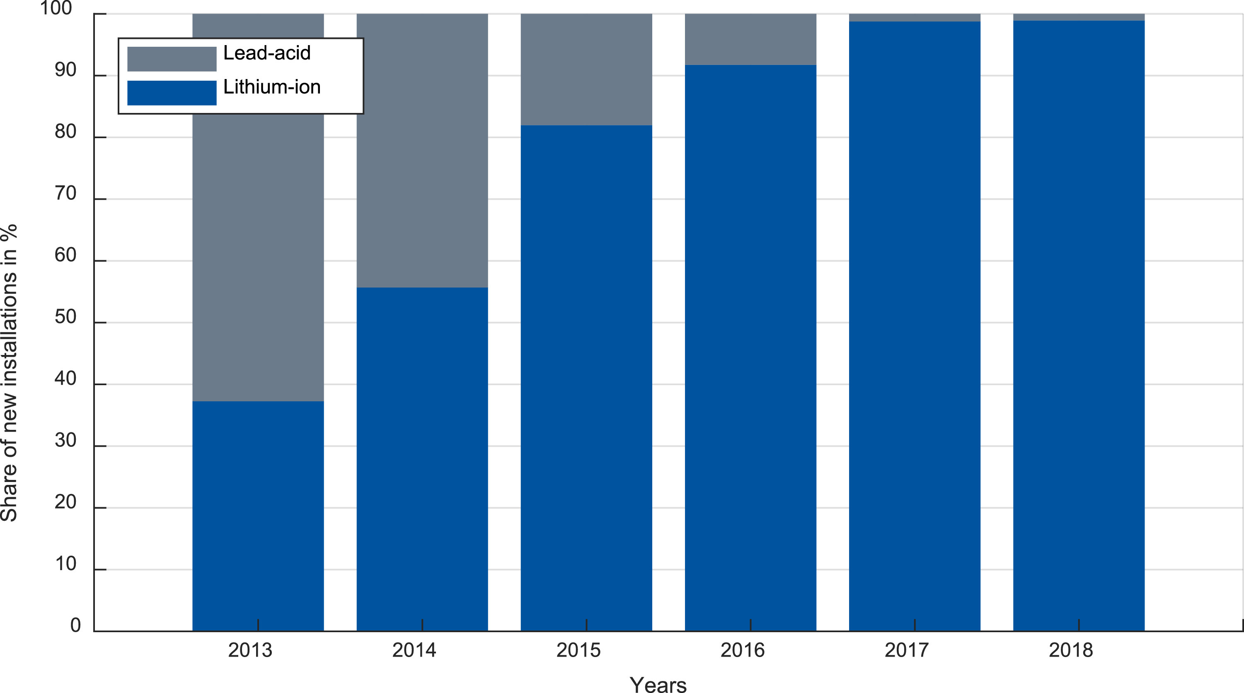

 |  |  |  |  | Fig. 7. Market shares of battery technology with respect to new HSS installations.

