Notes
Sources | Notes

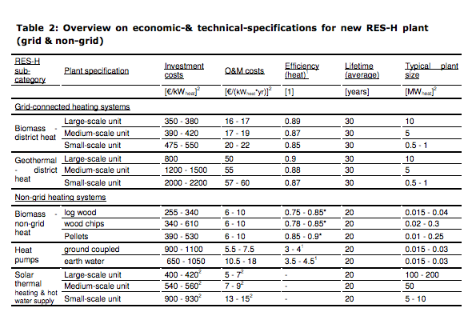
Ecofys-ISE
p.14

 | 10 | MW
Initial investment | 800 | euro/KW
O&M | 50 | euro/KW
Lifetime | 30 | yr

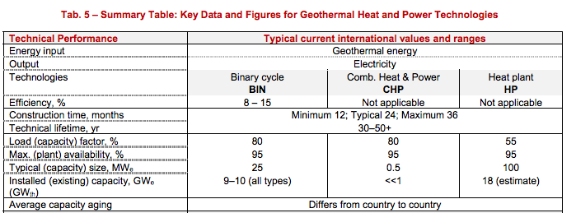
iea-etsap
p.5

construction time | 24 | months
Lifetime | 30 | yr

EBN, 2019 |  |  |  | Response to request from interview EBN

Full load hours |  | 7000 |  | Case for Martha | Case 1- Warmtenet en Glastuinbouw |  | Case 2 - LT warmte industrie
Capacity |  | 30 | MW
 |  | 30000 | kW | Case in SDE | >500<4000 m |  | >4000 m
Initial investment costs | euro | 75270000
Initial investment costs | euro/kWheat | 2509 |  | Capaciteit | 14 | MW | 30 | MW
Fixed operational and maintenance costs | euro/year | 3210000
Fixed operational and maintenance costs | euro/KW/year | 107 |  | Load Hours | 6000 | Hours/Year | 7000 | Hours/Year
Variable operational and maintenance costs | euro/FLH | 228
Variable operational and maintenance costs | euro/MWh | 7.6 |  | Investerings kosten | 1909 | EUR/kW Th | 2509

production | kWh | 210000000 |  | Vaste O&M-kosten | 101 | EUR/kW Th/year | 107
variable O&M costs | euro | 1596000
variable O&M costs/full oad hour | euro/FLH | 228 |  | Variable O&M-kosten | 0.0019 | EUR/kWh Th | 0.0076

 |  |  |  | SDE period | 15 | years | 15 | years
 |  |  |  | (Proxy for 'levensduur' of the technology?)

 |  |  |  | Stroom verbruik | 2.5 | kWh_e/GJth | 2.5 | kWh_e/GJth

COP
input.electricity | 0.0434
input.geothermal | 0.9566

