Notes
 |  |  |  |  |  |  |  |  | Figure A: Grant VortexAir Oil boiler technical data
 |  |  |  |  |  |  |  |  | Source: | Grant UK | For comparison, see the Grant Vortex ProCombi 26 spec sheet
Source | Notes |  |  |  |  |  |  |  |  |  | https://www.grantuk.com/media/5675/grant-vortex-pro-combi-installer-uk-doc-0122-rev-31-february-2024.pdf
Note: since the hybrid heatpump (HHP) is modeled as one converter, but in fact has two subtechnologies, it is necessary to find attribute values for both technologies. These two subtechnologies are an air/water HP and oil boiler. Henceforth the will be referred to as `HP part' and 'oil part', respectively.
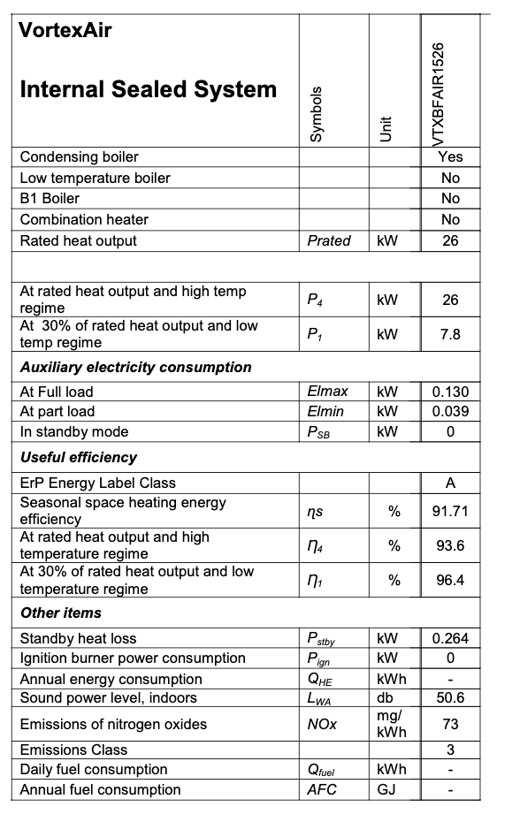
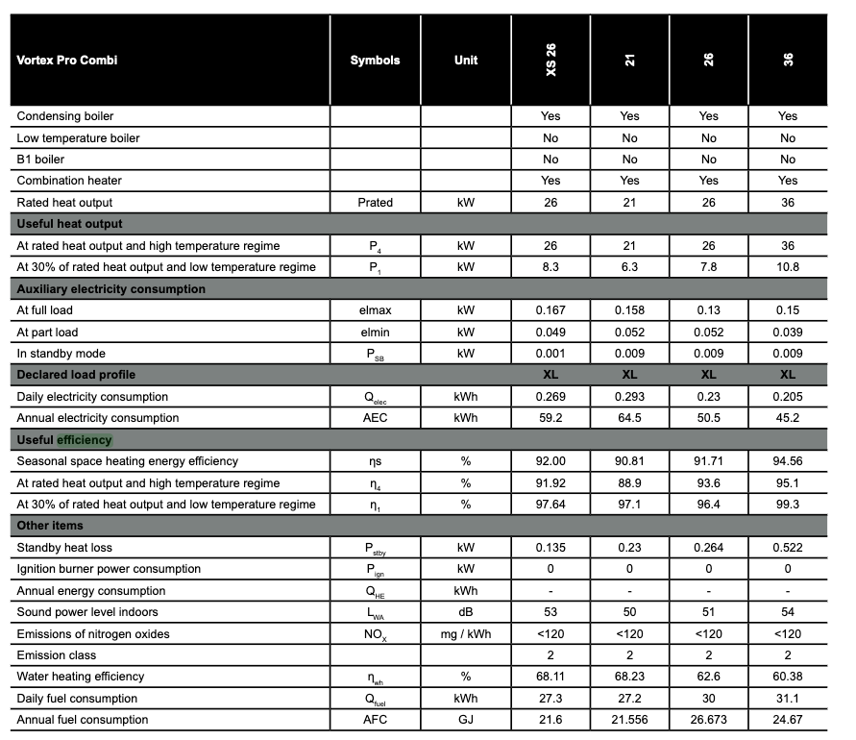

Grant UK | Oil boiler specifications based on Grant ProCombi 26 Oil Boiler | 0.936 |  | Useful efficiency - at rated heat output and high temperature regime | See figure A to the right
 |  | 0.964 | PJ | Useful efficiency - at 30% of rated heat output and low temperature regime

 |  | 0.95 |  | Average efficiency

 | Typically British sources use the Higher Heating Value of a fuel (=heat of combustion including heat from water vapor condensation).
 | However, because these efficiency figures derive from a EU-regulated product fiche, we assume the efficiency is based on the Lower Heating Value of kerosene
 | Otherwise, you would need to multiply this efficiency by QHHV/QLHV, i.e. a factor > 1

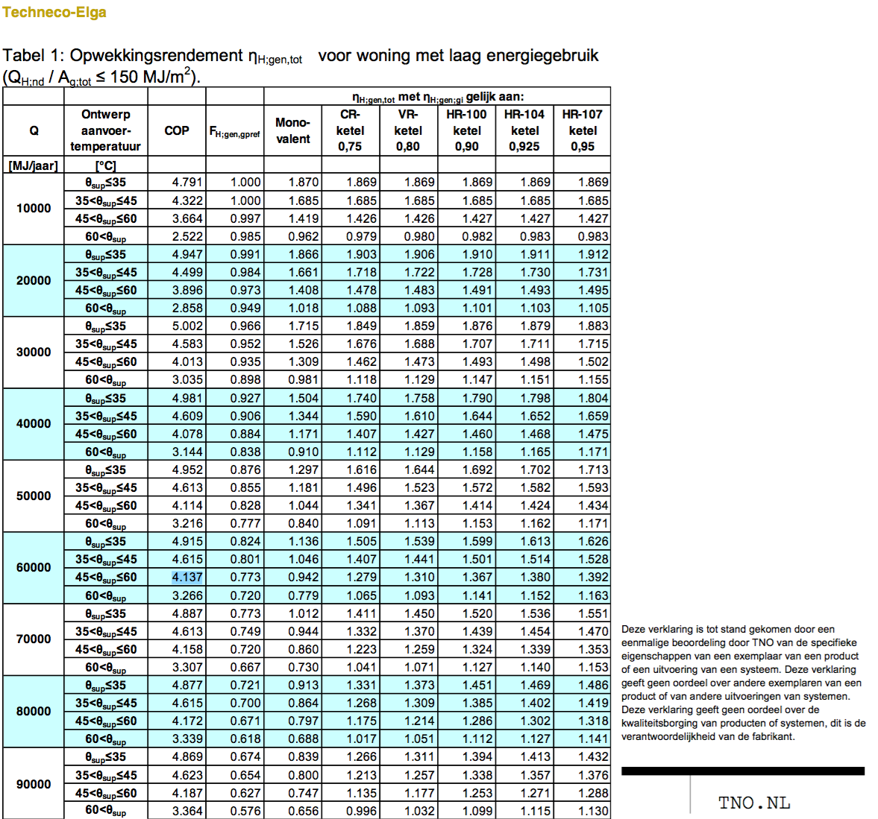
 |  |  |  | Note by Koen van Bemmelen on 25/03/2024
 |  |  |  | The analysis below is copied from households_space_heater_hybrid_hydrogen_heatpump_air_water_electricity.converter
 |  |  |  | Additions and alterations are marked in red
TNO |  |  |  | Quintel definitions
 |  |  |  | heatpump part share is
 |  |  |  | 0.63 according to Techneco
 |  |  |  | 0.801 according to TNO

 |  |  |  | But the ETM has significantly lower Q

 |  |  |  | For now, we set the gas oil part share to be 0.2

 |  | 0.2 |  | output of useable heat share from gas oil part

 |  | 0.95 |  | output.useable_heat.crude_oil
 |  |  |  | efficiency of gas oil part

 |  |  |  | To find the input share of network gas oil,
 |  |  |  | we divide the output share by the efficiency

 |  | 0.21052631579 |  | input.crude_oil

Grant UK

 |  | 12.2 | kW | heat_output_capacity | See Prated in spec sheets below
 |  | 0.0122 | MW | Note: for HP part

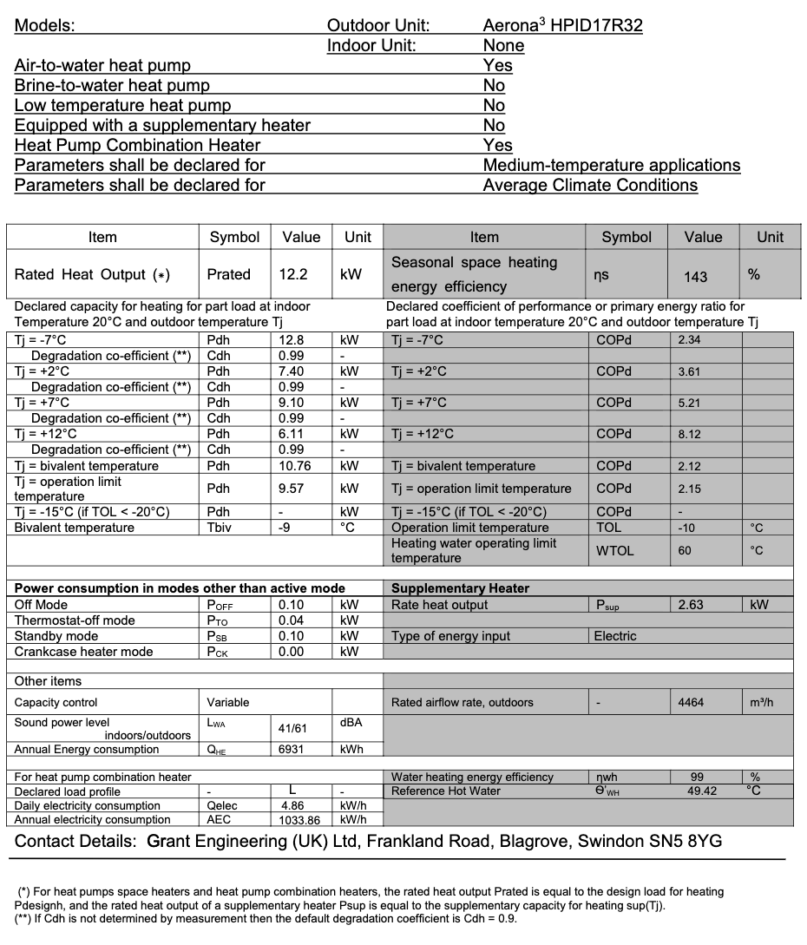
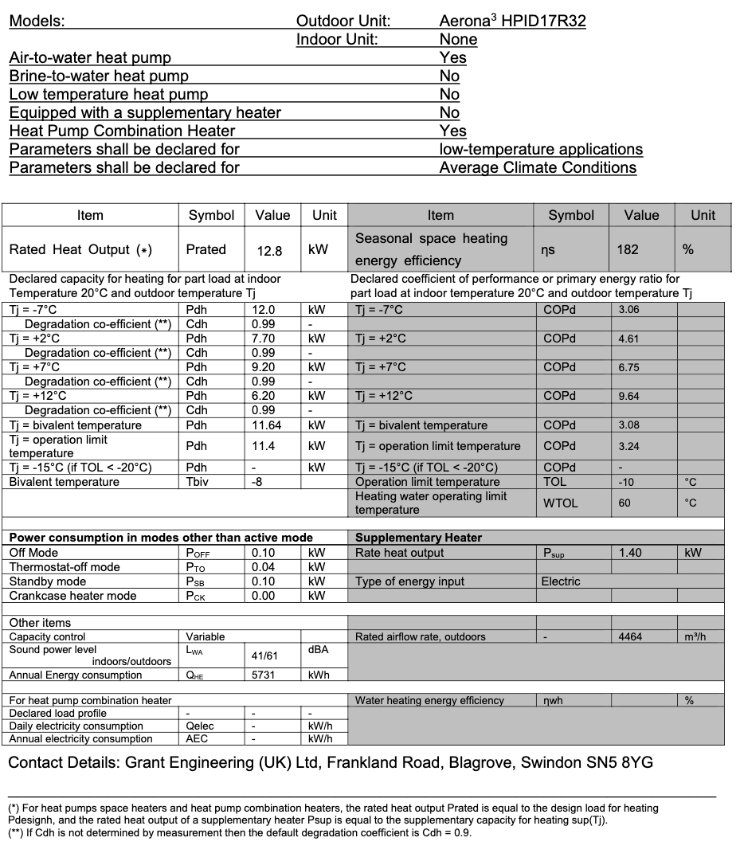
 |  | 5.2 |  | COP (note: at Tj = +7 degC, water heating temperature of 55 degC as per EU regulation of 'medium temperature application')
 |  | 0.63765182186 |  | input.ambient_heat
 |  | 0.15182186235 |  | input.electricity

 |  | 1.0 |  | output.useable_heat.ambient_heat
 |  | 1.0 |  | output.useable_heat.electricity

 |  |  |  | Efficiency of HP part

 |  | 0 | MWh | Buffering not required

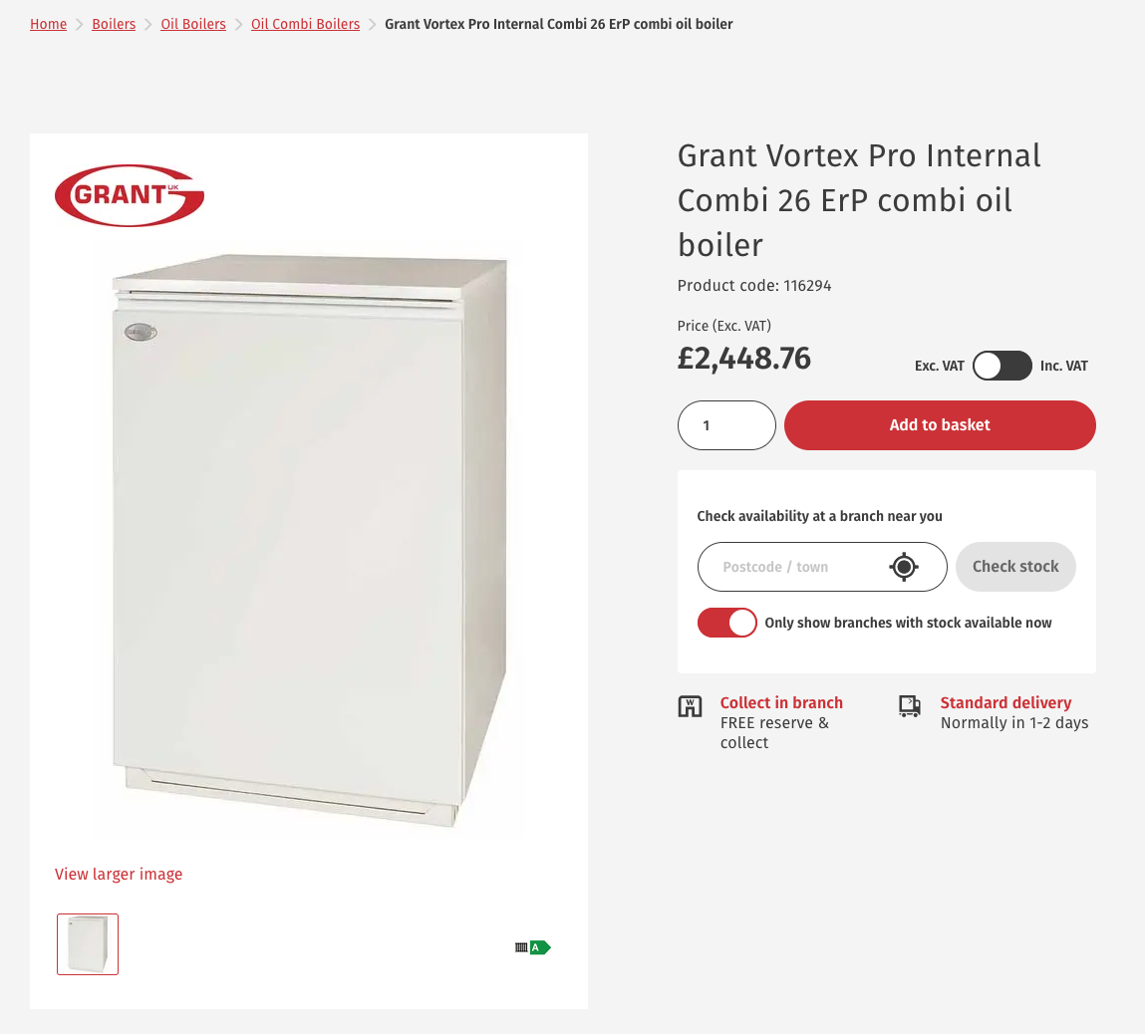

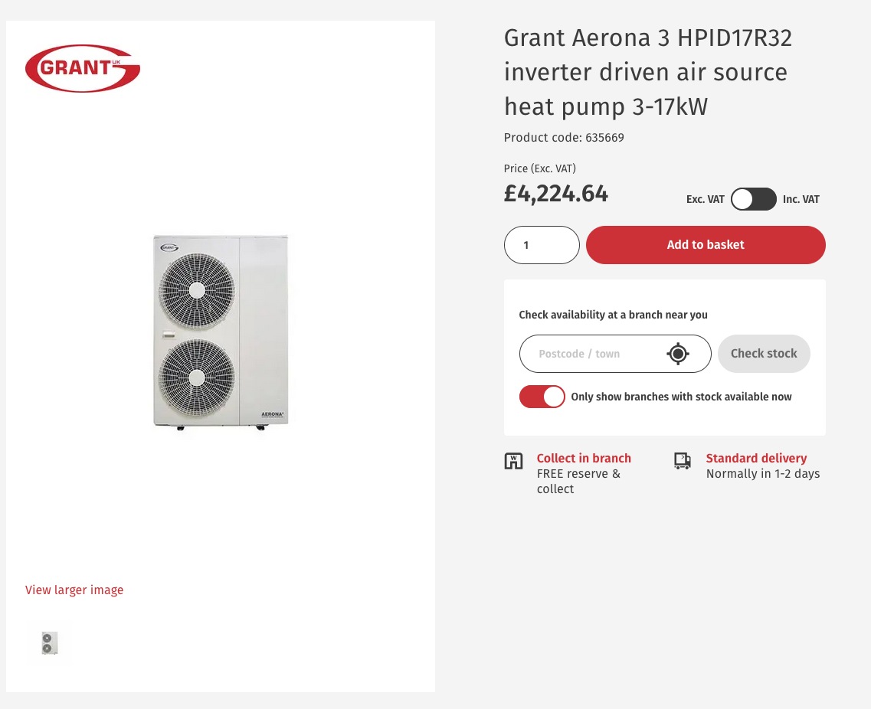

Wolseley
 |  | 1.17 | EUR/GBP | As per 25/03/2024

 |  | 4224.64 | GBP | investment costs
 |  |  |  | Note: just for the HP

Heatable |  | 2750 | GBP | installation costs
 |  | 3217.5 | EUR | cost_of_installation

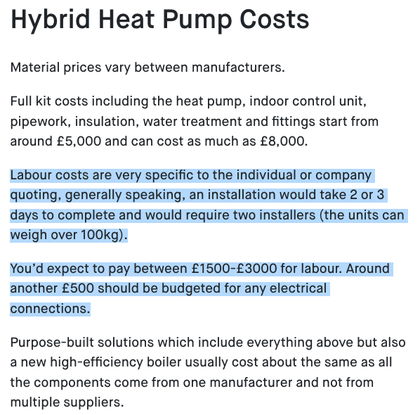
Wolseley |  | 2448.76 | GBP | investment costs
 |  |  |  | Note: just for the oil part of the hhp

 |  | 6673.4 | GBP | total investment costs

 |  | 7808 | EUR | total investment costs

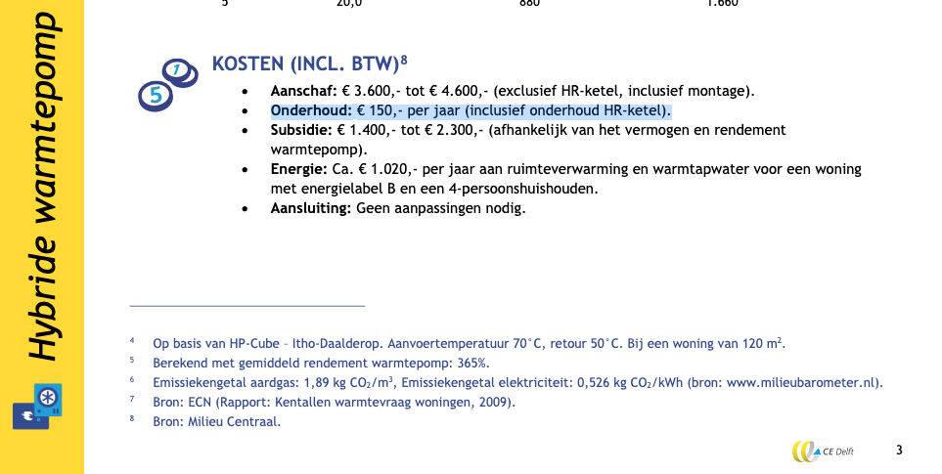

CE Delft |  | 150 | EUR | fixed_operation_and_maintenance_costs_per_year
 |  |  |  | Note: based on hybrid network gas heat pumps; no better value available for oil HHP

 |  |  |  |  |  |  |  | https://www.ecb.europa.eu/stats/policy_and_exchange_rates/euro_reference_exchange_rates/html/eurofxref-graph-gbp.en.html
Quintel WD |  | fever.cop_cutoff | 3.4720056678

 |  | This cut-off COP is the cost-optimal threshold COP calculated based on these oil and electricity prices

 |  | oil | 0.511 | GBP/L
 |  |  | 0.86763 | EUR/GBP
 |  |  | 0.82 | kg/L | taken from crude_oil.carrier
 |  |  | 42 | MJ/kg | taken from crude_oil.carrier
 |  |  | 0.018001122688 | euro/MJ warmte
 |  |  |  |  |  |  |  | https://www.ons.gov.uk/economy/inflationandpriceindices/timeseries/kj5u/mm23
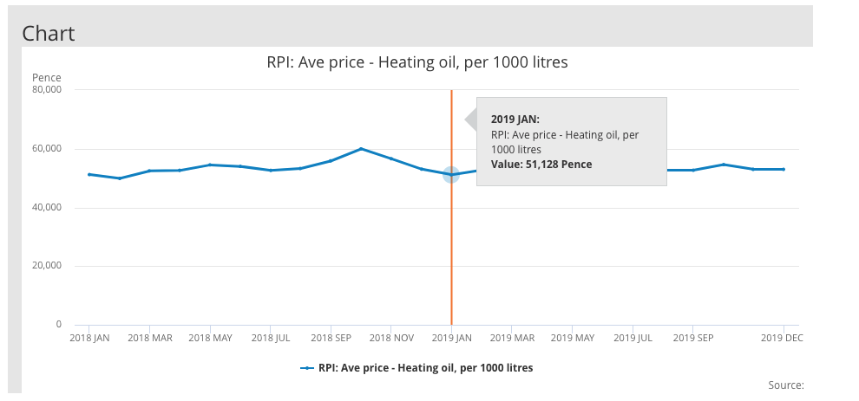
 |  | electricity | 0.225 | euro/kWh
 |  |  | 0.0625 | euro/MJ warmte | for COP1

 |  | threshold COP | 3.4720056678

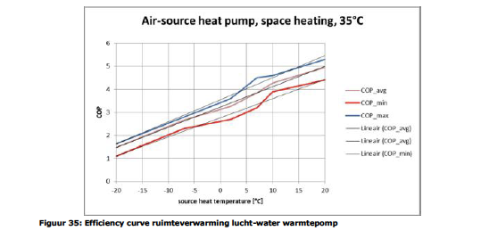
 |  | fever.capacity.crude_oil | 0.0220 |  | quintel/etsource@0277ad226491f5aae44c874b298cbcf694d2f6cb
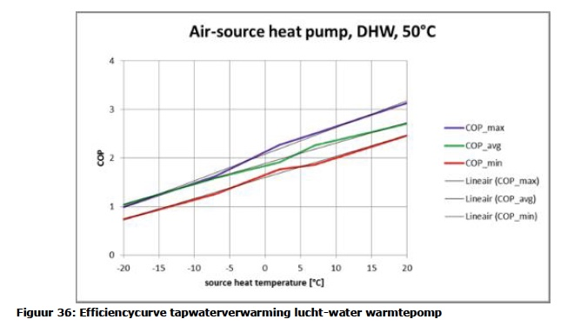
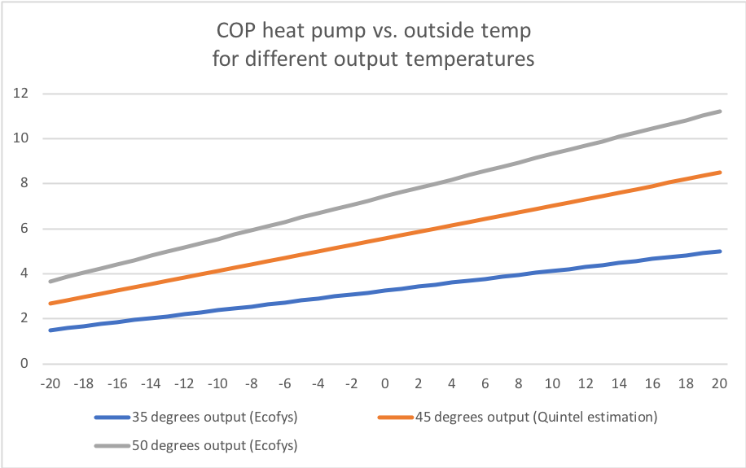
Ecofys | page | 65
 | Update Marlieke Verweij 20200401:
 | Output temperature is assumed to be 45 degrees and the COP curve is based on the Ecofys COP curves for 35 and 50 degrees Celsius.

 | output temperatuur (graden Celsius) | 35 | 45 | 50
 | base_cop | 3.25 | 2.3233333333 | 1.86
 | cop_per_degree | 0.0875 | 0.057833333333 | 0.043
 | source | linear fit Ecofys curve |  | linear fit Ecofys curve

 | fever.base_cop | 2.3233 | COP
 | fever.cop_per_degree | 0.0578 | COP/degree C

 | With this output temperature and the cost-optimal threshold COP of 2.6, the HHP electricity share (heat output) for houses with energylabel B is 64%.
 | The input share in the node for the start year should be adjusted soon, will be done together with dataset update!

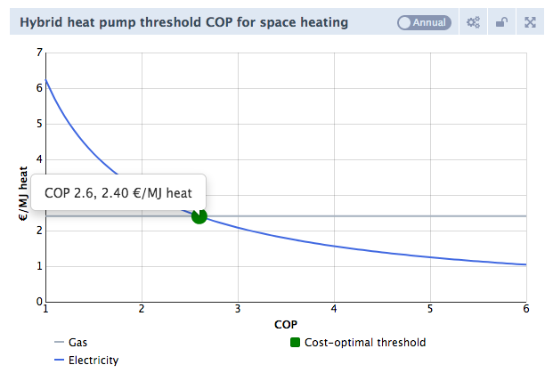
DHPA | Phone conversation
 | See file on Dropbox | 201707_Tabel RV WW en koude met warmtepompen

 | technical_lifetime | 15 | years
 | cost_of_installing | 1000 | euro
 | fixed_operation_and_maintenance_costs_per_year | 200 | euro/year
 | heat_output_capacity | 0.01 | MW
 |  |  |  |  | 12.2 | kW | Prated according to Grant UK spec sheet above

 | Ref temperature for output capacity | 7 | oC
 | fever.capacity_electricity | 0.0044718675545 | MW

 | storage.volume | 0 | MWh | HHP's don’t need a buffer for storage as the compressor regulates itself.

