Notes
Source | Attribute | Value | Unit | Comment

Ecuit, STFC, Engie & Siemens
 | General assumptions about the hydrogen production plant
 | For central cracking of ammonia to hydrogen this study assumes a 200 t/d production plant
 | The plant operates with ammonia as a feedstock, ammonia and hydrogen mix as fuel and additional electricity input
 | A reformer is used to crack the ammonia

 | Hydrogen energy content | 120.1 | MJ/kg | ETM carrier attribute

 | Seconds in a day | 86400 | s/d

 | Hydrogen output capacity | 200 | t/d
 |  | 24020000 | MJ/d
 |  | 278 | MW
 | typical_input_capacity | 406 | MW | Using calculation of efficiency below

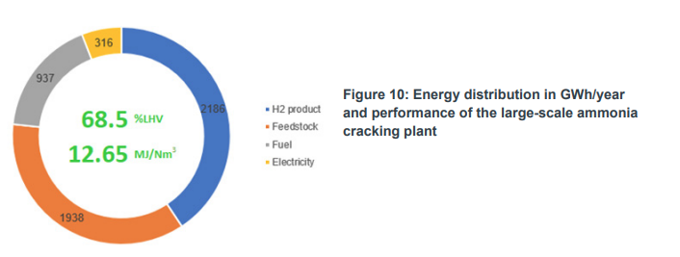

 | Overall efficiency | 69% |  | Total efficiency of the large-scale ammonia cracking plant based on LHV

 | Electricity input | 316 | GWh/y
 | Feedstock input | 1938 | GWh/y | 100% ammonia
 | Fuel input | 937 | GWh/y | 85% ammonia 15% hydrogen

 | input.ammonia | 1.00 | - | Input of electricity or hydrogen in the ammonia cracker would produce a circularity in the graph. To prevent this it is assumed that all energy inputs are ammonia
 | output.hydrogen | 0.69 | -
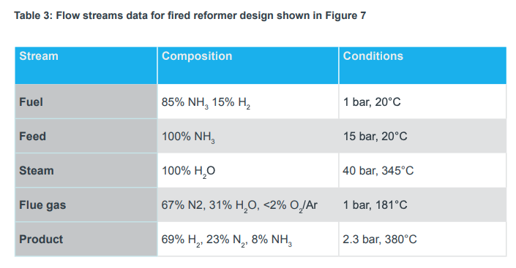

 | Average exchange rate 2019 | 1.1405 | euro/£ | https://www.exchangerates.org.uk/GBP-EUR-spot-exchange-rates-history-2019.html#:~:text=This%20is%20the%20British%20Pound,rate%20in%202019%3A%201.1405%20EUR.

 | Total capital investment | 368 | mln £ | Includes installation costs
 |  | 419.70 | mln euro
 | initial_investment | 419704000.00 | euro
 | cost_of_installing | 0.00 | euro | Included in initial investment

 | For the central hydrogen production plant only the resulting hydrogen costs are given
 | No breakdown of costs into O&M components is given

 | full_load_hours | 7884 | h/y | Given 8760 h/y and 90% production rate

