Notes
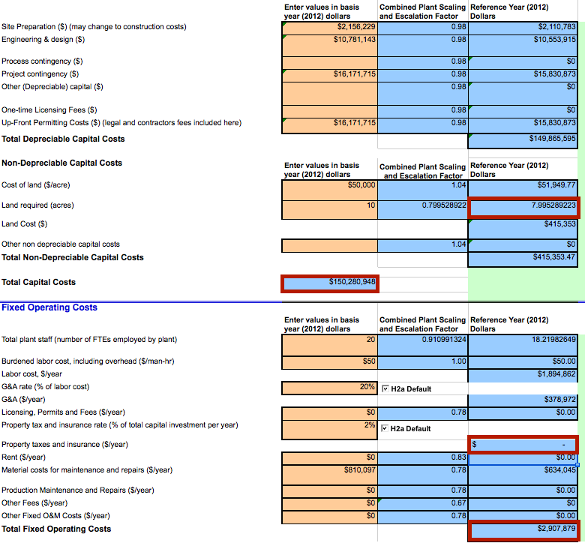
Source | Page | Notes

ECN part of TNO |  | To avoid circular calculations in the ETM, we cannot model the electricity input of the ATR plant. Circularity = hydrogen from ATR -> hydrogen power plant -> electricity for ATR.
 |  | Together with the consortium (EBN, Gasunie, TKI Nieuw Gas, TKI Energie & Industrie) we have decided to model a hydrogen turbine internally, producing the necessary electricity

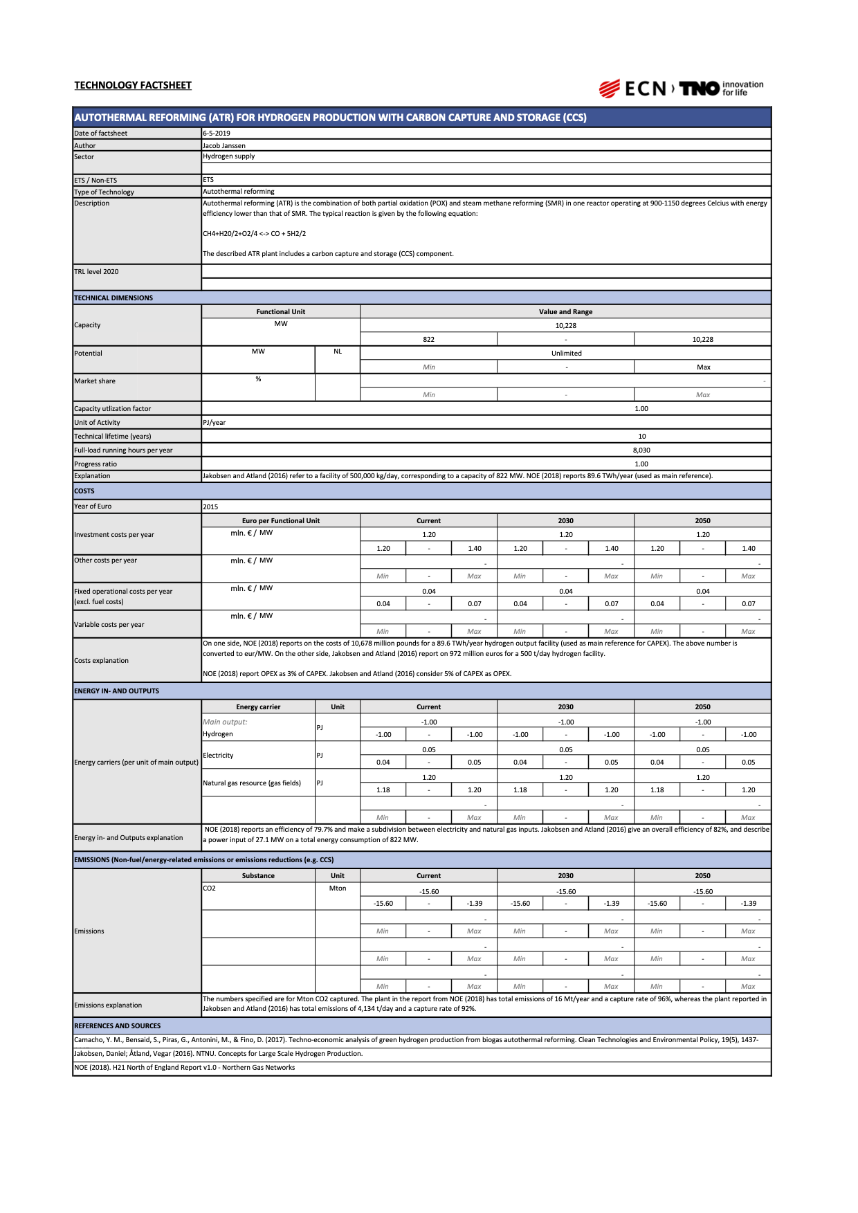
With CCS |  | original values
 |  | 1.00 | - | hydrogen output
 |  | 1.20 | - | natural gas input
 |  | 0.05 | - | electricity input

 |  | 34% |  | Assumed efficiency of energy_power_turbine_hydrogen in the ETM

 |  | 0.15 |  | hydrogen needed to produce electricity input
 |  | 0.85 |  | corrected hydrogen output - lower due to electricity production

 |  | normalized values
 |  | 0.71 | - | hydrogen output (assuming natural gas input = 1.0)
 |  | 1.00 | - | natural gas input
 |  | 0.00 | - | electricity input

 |  | 10228 | MW | hydrogen output capacity

 |  | 8030 | h | full_load_hours

 |  | 1.2 | mln euro/MW | investments costs per year
 |  | 12273600000 | euro | initial_investment
 |  | 0.04 | mln euro/MW/y | fixed operational costs per year (excl. fuel costs)
 |  | 409120000 | euro/y | fixed_operation_and_maintenance_costs_per_year

 |  | 10 | y | technical_lifetime

 |  | 0.96 |  | capture rate / free_co2_factor
 |  |  |  | Here the NOE (2018) value is taken as this is the main reference for the ATR + CCS in this factsheet

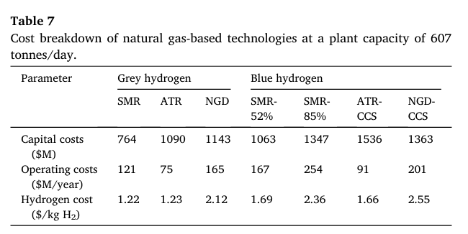
Article Elsevier 2022
 |  | First, calculate the % additional ccs investment from this article
 |  | 1090 | million dollar | ATR
 |  | 1536 | million dollar | ATR + CCS
 |  | 29% |  | Share of CCS unit in total ATR + CCS unit costs

 |  | Applying the % additional ccs investment to the costs from ECN part of TNO factsheet
 |  | 3563818750 | euro | ccs investment
 |  | 8709781250 | euro | investment excluding ccs

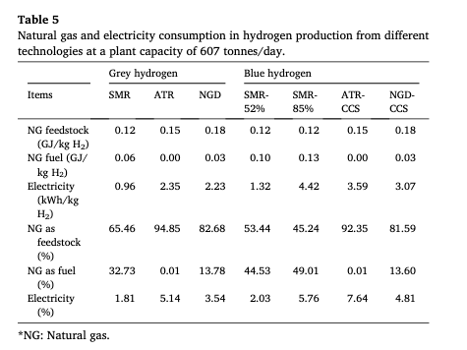
Without CCS

 |  | Therefore, calculate the change in electricity input between ATR & ATR + CCS base on this table
 |  | 2.35 | kWh/kg H2 | Electricity feedstock ATR
 |  | 3.59 | kWh/kg H2 | Electricity feedstock ATR + CCS
 |  | 153% |  | More electricity needed for ATR + CCS

 |  | 1.00 | - | hydrogen output
 |  | 1.20 | - | natural gas input
 |  | 0.03 | - | corrected electricity input - lower for ATR

 |  | 0.10 | - | hydrogen needed to produce electricity input
 |  | 0.90 | - | corrected hydrogen output - lower due to electricity production

 |  | noramalized values
 |  | 0.75 | - | hydrogen output (assuming natural gas input = 1.0)
 |  | 1.00 | - | natural gas input
 |  | 0.00 | - | electricity input

 |  | 10228 | MW | hydrogen output capacity
 |  | 13581 | MW | typical_input_capacity

DOE: Hydrogen and Fuel cells program
 |  | Copy data from SMR: % decommission costs, land use & construction time
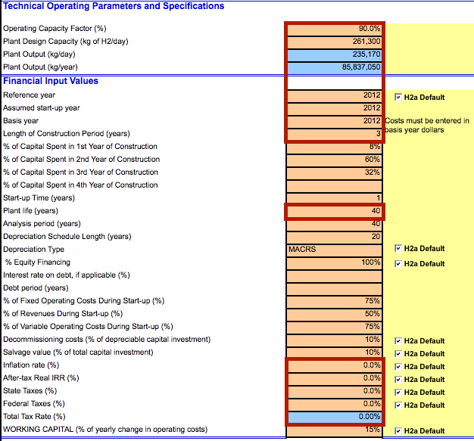
 |  | 3 | yr | construction time

 |  | 10 | % | of depreciable capital investment
 |  | 0.1 |  | decommissioning factor
 |  | 12273600000 | euro | total depreciable capital costs
 |  | 1227360000 | euro | decommissioning costs

