Notes
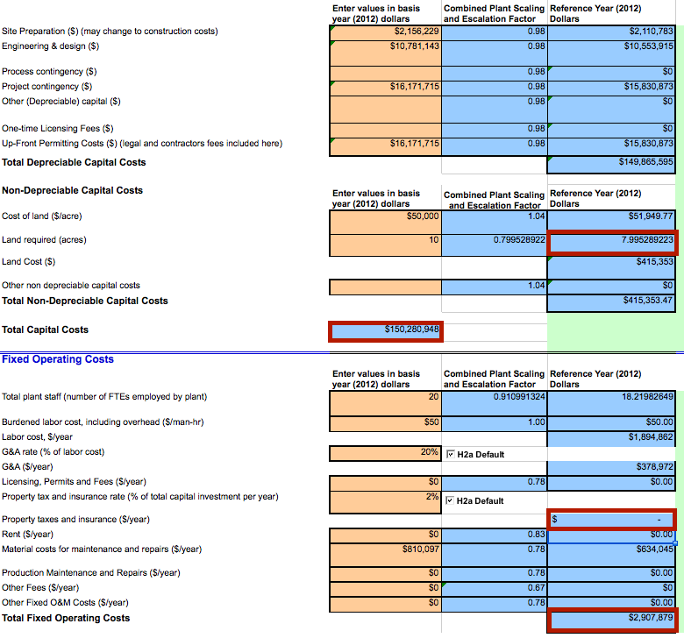
Source | Page | Notes

ECN part of TNO
 |  | 1.04 | - | min value for natural gas input
 |  | 1.42 | - | max value for natural gas input
 |  | -1.00 | - | min value for hydrogen output
 |  | -1.00 | - | max value for hydrogen output
 |  | -0.03 | - | min value for electricity output
 |  | 0.00 | - | max value for electricity output
 |  | 0.00 | - | input.electricity | SMR plants can in some case produce electricity. Here asumed to be 0.
 |  | 1.23 | - | average value for natural gas input

 |  | 1.00 | - | input.natural_gas | Input value is scaled to 1.00
 |  | 0.81 | - | output.hydrogen | Output value is scaled accordingly

 |  | 300 | MW | hydrogen output capacity
 |  | 369 | MW | typical_input_capacity

 |  | 8322 | h | full_load_hours

 |  | 0.74 | mln euro/MW | investments costs per year
 |  | 222000000 | euro | initial_investment | Source data per MW is scaled based on the output capacity to calculate costs
 |  | 0.03 | mln euro/MW/y | fixed operational costs per year (excl. fuel costs)
 |  | 9000000 | euro/y | fixed_operation_and_maintenance_costs_per_year | Source data per MW is scaled based on the output capacity to calculate costs

 |  | 25 | y | technical_lifetime

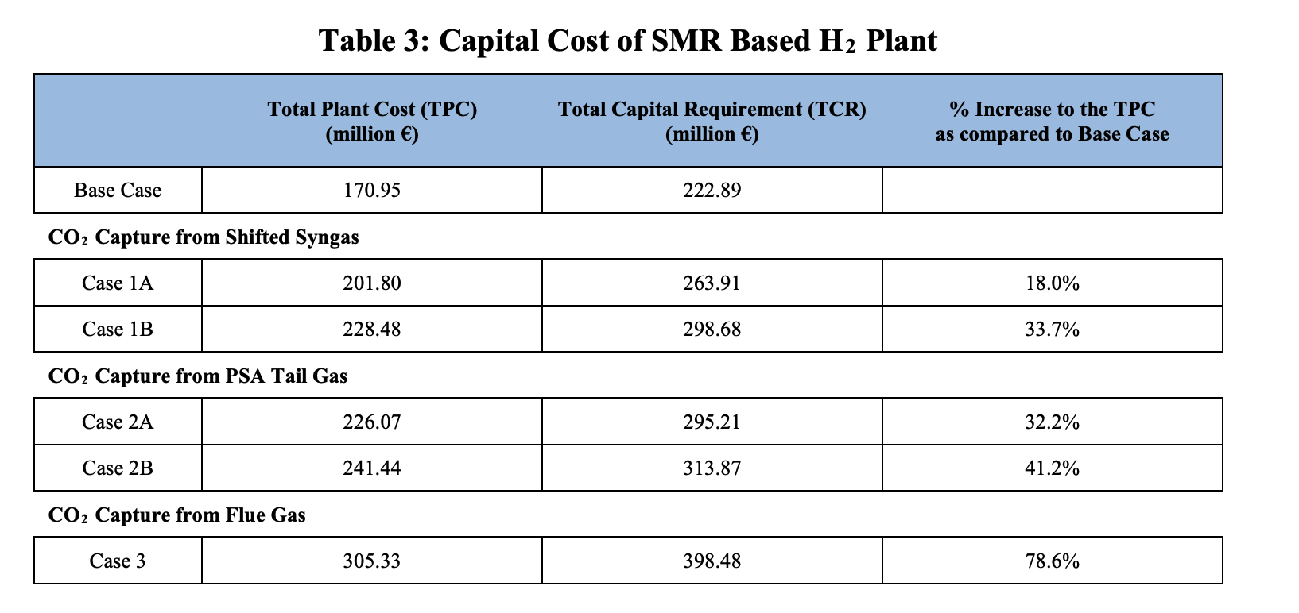

IEA
 |  | The plant used in ECN part of TNO (2018) above is the base case plant in IEA (2017)
 |  | For the plant with ccs, the plant with H2 rich burners and capture of CO2 from shifted syngas using MDEA is selected (Case 1B in IEA [2017]).
 |  | This plant has a capture rate of 66.9%.

 |  | 33.70% | % | additional investment carbon capture from shifted syngas plant compared to base case
 |  | 74814000 | euro | ccs investment costs

 |  | 14.212 | MJ/Nm3 H2 | total fuel consumption base case (natural gas feedstock and fuel)
 |  | 15.5 | MJ/Nm3 H2 | total fuel consumption carbon capture shifted syngas plant (natural gas feedstock and fuel)
 |  | 1.09 | - | relative natural gas consumption carbon capture from shifted syngas plant
 |  | 1.34 | - | natural gas input with ccs

 |  | 1.00 | - | input.natural_gas with ccs | Input value is scaled to 1.00
 |  | 0.75 | - | output.hydrogen with ccs | Output value is scaled accordingly

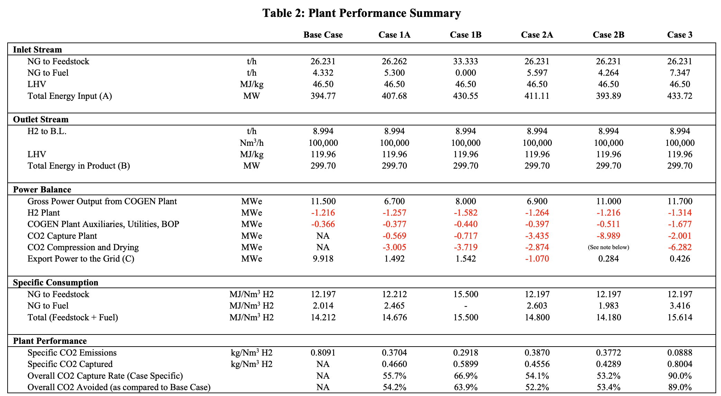
 |  | 300 | MW | hydrogen output capacity with ccs
 |  | 402 | MW | typical_input_capacity with ccs

 |  | 0.67 |  | free_co2_factor

DOE: Hydrogen and Fuel cells program
 |  |  |  |  |  | Exchange rate | Unit | Value | Definition | Date

 |  | 1.174 | USD/eur | USD-euro conversion ratio |  | dollar_per_euro | USD/EUR | 1.174 | Running Month Average | 06/04//2018
 |  |  |  | User set parameters |  | http://www.ecb.europa.eu/stats/exchange/eurofxref/html/eurofxref-graph-usd.en.html
 |  |  |  | 2012 USD
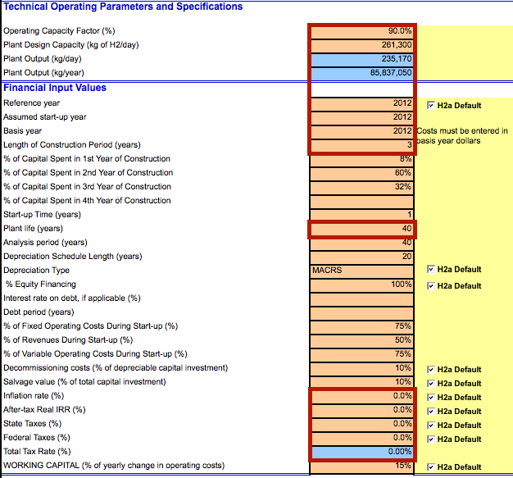
 |  |  |  | 261300 kg/day production
 |  |  |  | No taxes
 |  |  |  | No inflation

 |  | 3 | yr | construction time

 |  | 10 | % | of depreciable capital investment
 |  | 0.1 |  | decommissioning factor
 |  | 149865595 | USD | total depreciable capital costs
 |  | 127686457.36 | euro | total depreciable capital costs
 |  | 12768645.736 | euro | decommissioning costs

 |  | 7.995289223 | acres | land use per plant
 |  | 0.032355816145 | km2 | land use per plant

