Notes
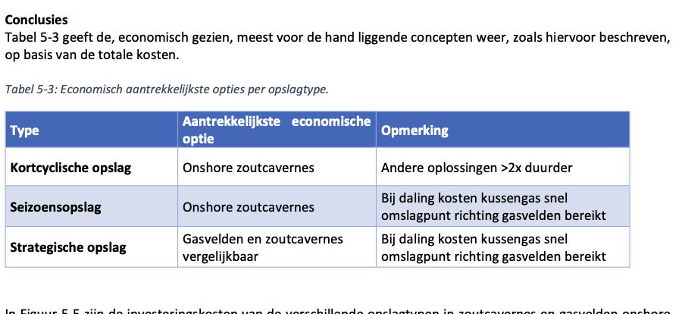
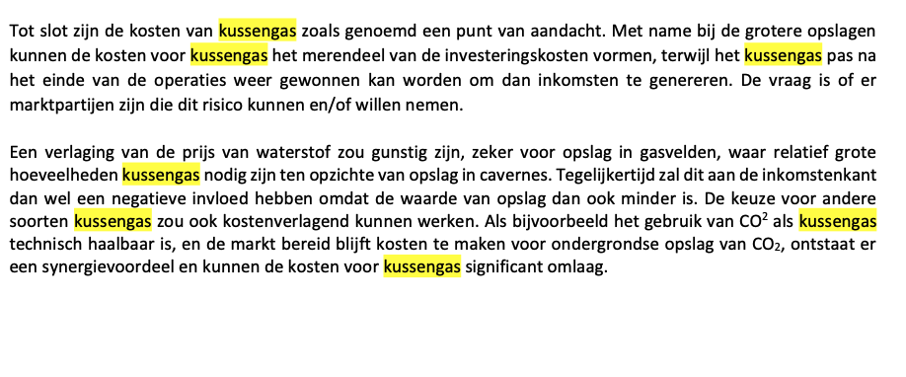
Source | Notes
 | This node source analysis contains 3 sources, the source from Hystories has been deemed the most complete in costs. From IEA the common vlaue of gas fields, from TNO the typical volume of the wells.

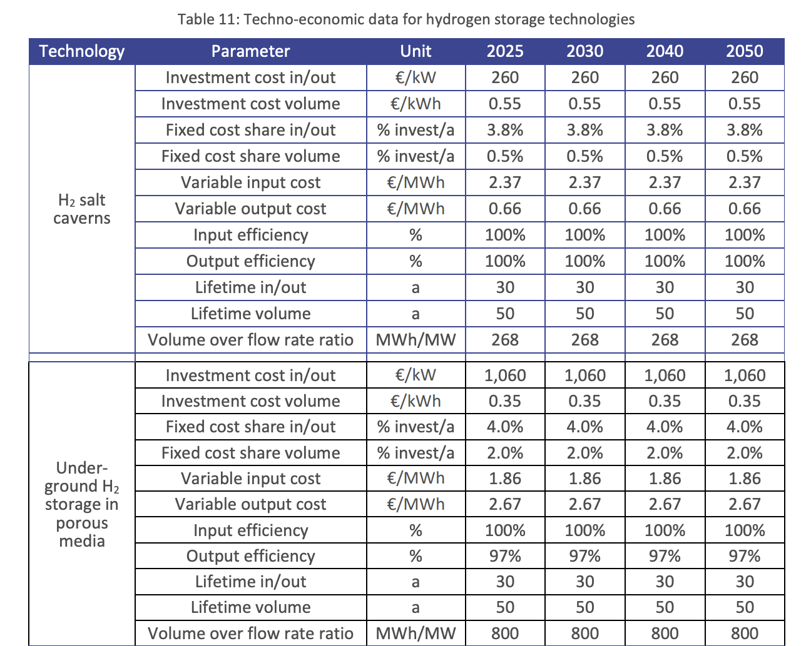
Source: Hystories WP 5 D5.40

CAPEX
capacity.cost | 1060000 | €/MW
volume.cost | 350 | €/MWh
capacity.cost

Fixed OPEX (annualy)
capacity.cost | 42400 | €/MW/year (4% of CAPEX)
volume.cost | 7 | €/MWh/year (2% of CAPEX)
capacity.cost | 471111111.11 | €/year (4% of CAPEX multiplied by standard volume)
volume.cost | 56000000 | €/year (2% of CAPEX multiplied by standard volume)
fixed_operation_and_maintenance_costs_per_year | 527111111.11
Variable OPEX
input.cost | 1.86 | €/MWh
output.cost | 2.67 | €/MWh
variable_opex.cost | 4.53 | €/MWh
variable_operation_and_maintenance_costs_per_full_load_hour | 50333.333333 | €/flh ( based on full load capacity of 11111 MW)
Lifetime in/out | 30 | years
Lifetime volume | 50 | years

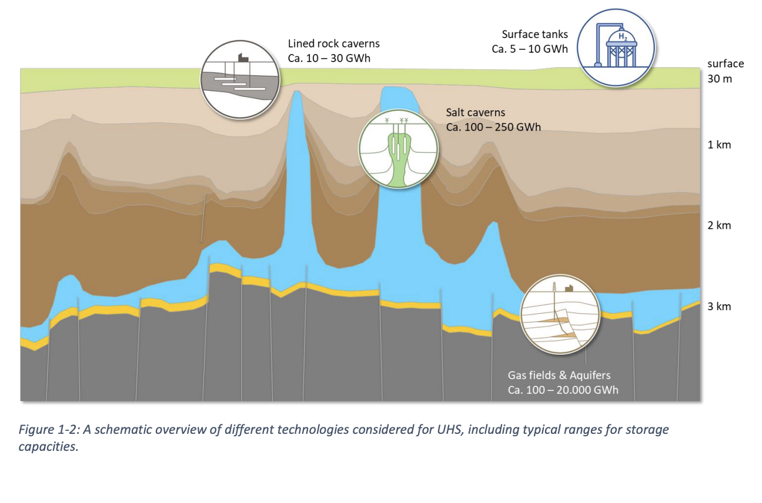
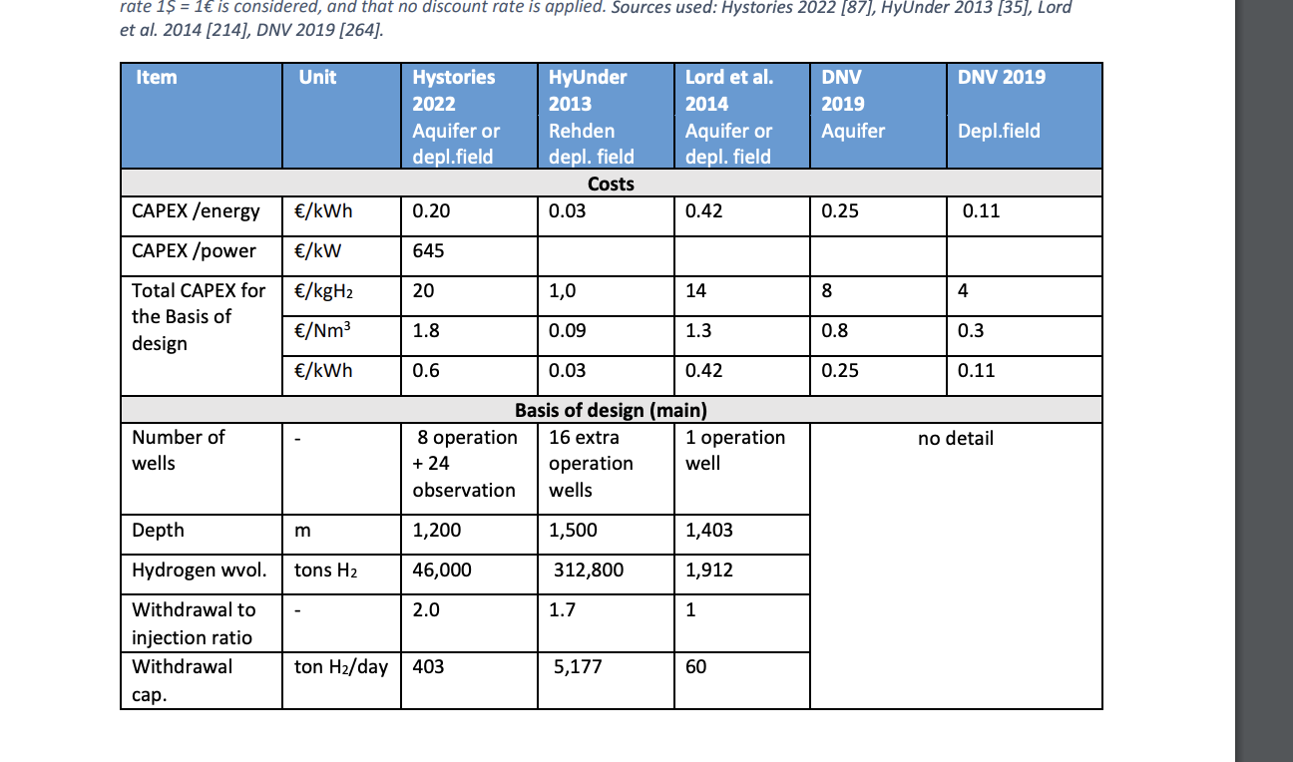
input efficiency | 100 | %
output efficiency | 97 | %
overall efficiency | 97 | %
Source: IEA Hydrogen tcp-task 42: Underground hydrogen storage
CAPEX
capacity.cost | 645 | €/kW
volume.cost | 0.2 | €/kWh

Fixed OPEX (annualy) | 5.2 | %

Lifetime | 40 | years

Typical capacity (max) | 20000000 | MWh
Typical capacity (min) | 100000 | MWh
Typical capaicty (regular) | 8000000 | MWh

Source: TNO- 2022-R11212
 |  |  |  |  | Assumptions based on TNO- 2022-R11212 , OPVIS 1.0 and verification with experts |  |  |  |  |  |  | Cushion gas costs calculation
 |  |  |  |  | Usage of gas fields will be for seasonal storage, according to TNO -2022-R11212 filling time is 100 days |  |  |  |  |  |  |  | hydrogen cushion gas | units | Source
storage.capacity | 4000 | MW | 96 GWh per day |  | 1 gas field will have capacity of 8 - 20 TWh --> for this node source analysis we assume 8 |  |  |  |  |  |  | Necessary cushion gas per gas field (8 Twh) | 16000 | GWh | TNO-02022-R11212 | OPVIS 2.0 : 1 put --> 11GWH --> 3,8 miljoen m^3 waterstof (productievermogen)
storage.volume | 8000000 | MWh | 8 TWh |  | Based on 8 TWh and numbers of TNO-2022-R11212, 8 wells per field |  |  |  |  |  |  | Energy capacity of hydrogen per kg | 33.3 | kWh/ kg
 |  |  |  |  | 1 well has capacity to produce and inject 12 Gwh per day |  |  |  |  |  |  | Necessary kg per salt cavern | 480480480.48 |  |  | Aanname van GasUnie is 50 GWH per dag injectievermogen staat gelijk aan 8 putten
 |  |  |  |  | Capacity is therefore 96 GWh per day (∼1% of 8 TWh) |  |  |  |  |  |  | Costs hydrogen per kg | 2.7 | euro/kg | TNO-02022-R11212 | Productie snelheid is 2 keer zo hoog
 |  |  |  |  | We assume production and injection capacity are equal, this means more compresion capacity for injection needs to be installed |  |  |  |  |  |  | Costs in necessary gas per gas field | 1297.2972973 | Million euros |  | 100 GWh --> 8 putten --> 1 dag
 |  |  |  |  | Since TNO-2022-R11212 assumes injection = 0.5* production, we assume twice as much compressors |  |  |  |  |  |  |  |  |  |  | 12,5 GWh --> 1 put --> 1 dag
CAPEX (capacity) | 693 | Million euros | 0.17325 | eur per kw |  |  |  |  |  |  |  |  |  |  |  | Conversie van 0,85 van gasvolume naar waterstofvolume (opvis)
CAPEX (volume) | 1297.2972973 | Million euros | 0.00016216216216 | eur per kwh
 |  |  |  |  | Volume related costs ( 8 TWh) |  |  |  | Source |  |  |  |  |  |  | 4 TWH --> 1.2 bcm?
Lifetime | 40 | years |  |  | hydrogen cushion gas |  | 1297.2972973 | Million euros |  |  |  |  |  |  |  | 1 bcm --> 10,77 PJ
construction time | 6 | year | 5-7 years |  |  |  |  |  |  |  |  |  |  |  |  | 3 TWh --> 1 bcm
OPEX | 5.2% | CAPEX |  |  |  |  |  |  |  |  |  |  |  |  |  | 1,2 bcm --> 3,6 TWh
 |  |  |  |  |  |  |  |  |  |  |  |  |  |  |  | 1,5 mrd capex voor 4 TWh
 |  |  |  |  | Capacity related costs (96 GWh per day) | Amount | Costs per unit | Total | Unit | Source | Notes |  |  |  |  | 120 MJ/ kg
Verification after expert consultation |  |  |  |  | Wells | 8 | 25 | 200 | Million euros | TNO-02022-R11212 | 16 wells for 15 TWh --> 8 wells for 8 TWh |  |  |  |  | 33,3 kWh / kg
storage.capacity | 11111.111111 | MW | fill and depletion time: 30 days |  | Purification unit | 1 | 143 | 143 | Million euros | TNO-02022-R11212 | 100 mln sm^3 needed for 15 TWh --> 50 sm^3 necessary for 8 TWh |  |  |  |  | 4TWh/33,3 kWh = 121 Miloen kg
 |  |  |  |  | 15 MW compressors | 7 | 50 | 350 | Million euros | TNO-02022-R11212 | 7 needed for 15 TWh (TNO) --> For injection capacity = volume capacity, we need 2* TNO assumptions --> 7 needed for * TWh |  |  |  |  | 4TWh = 14,4 PJ
CAPEX (capacity) | 1925 | Million euros | 0.17325 | eur per kw | Total |  |  | 693 |  |  |  |  |  |  |  | 14,4 * 10^9 MJ
 |  |  |  |  |  |  |  |  |  |  |  |  |  |  |  | 0.0167* 14,4 = 240 miljoen euro aan waterstof

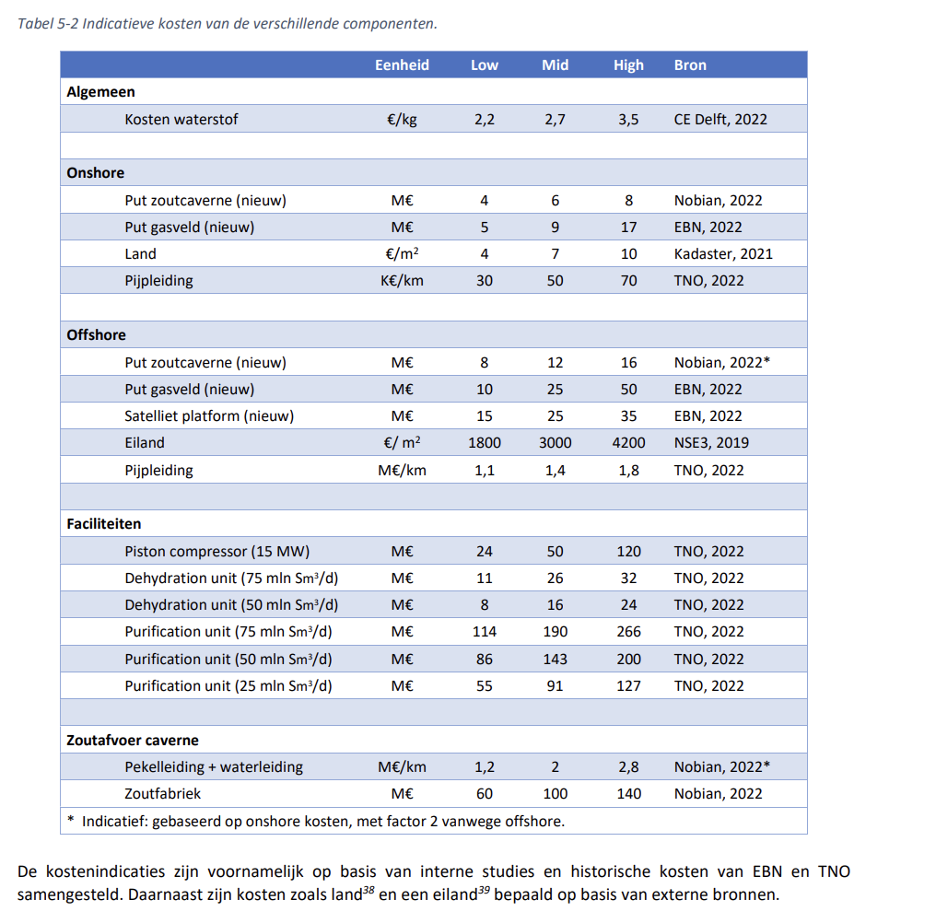
 |  |  |  |  |  |  |  |  |  |  |  |  |  |  |  | Kortcyclisch berekening
 |  |  |  |  |  |  |  |  |  |  |  |  |  |  |  | 4000GWH --> 30 putten --> 5 dagen
 |  |  |  |  |  |  |  |  |  |  |  |  |  |  |  | 800 GWh --> 30 putten --> 1 dag
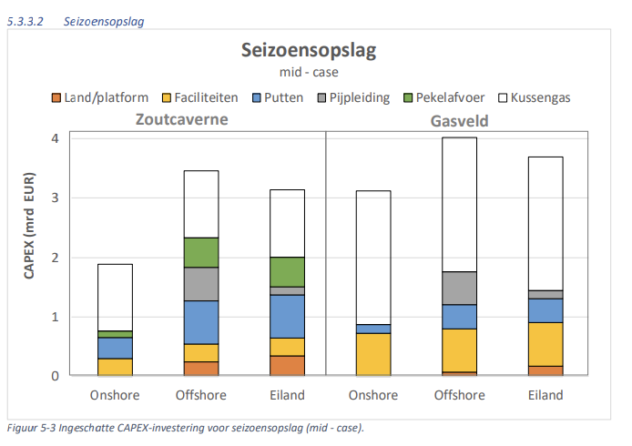
 |  |  |  |  |  |  |  |  |  |  |  |  |  |  |  | 26,67 GWh --> 1 put --> 1 dag

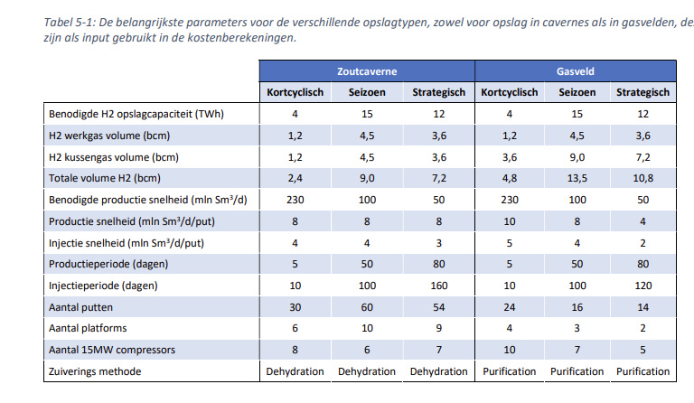
 |  |  |  |  |  |  |  |  |  |  |  |  |  |  |  | Seizoen berekening
 |  |  |  |  |  |  |  |  |  |  |  |  |  |  |  | 15000GWh --> 60 putten --> 00 dagen
 |  |  |  |  |  |  |  |  |  |  |  |  |  |  |  | 300 GWh --> 60 putten --< 1 dag
 |  |  |  |  |  |  |  |  |  |  |  |  |  |  |  | 5 GWh --> 1 put --> 1 dag

 |  |  |  |  |  |  |  |  |  |  |  |  |  |  |  | Strategische berekening
 |  |  |  |  |  |  |  |  |  |  |  |  |  |  |  | 12000GWh --> 54 putten --> 80 dagen
 |  |  |  |  |  |  |  |  |  |  |  |  |  |  |  | 150 GWh --> 54 putten --> 1 dag
 |  |  |  |  |  |  |  |  |  |  |  |  |  |  |  | 2,777778 --> 1 put --> 1 dag

