Notes
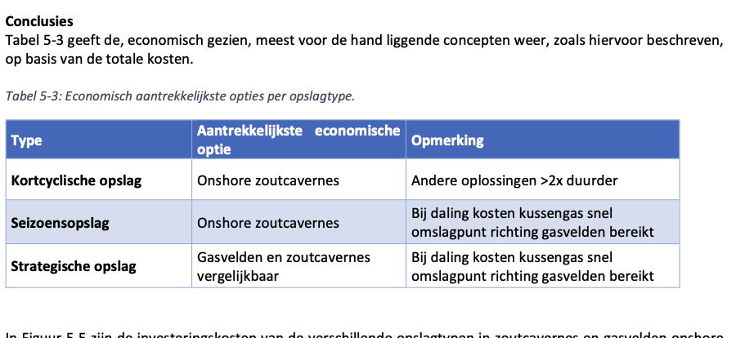
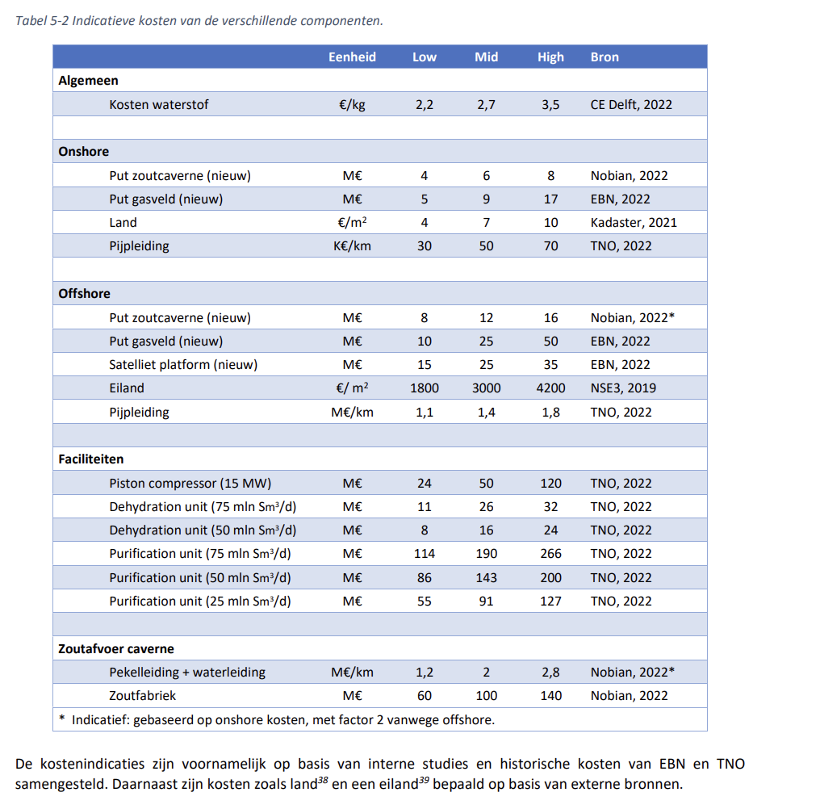
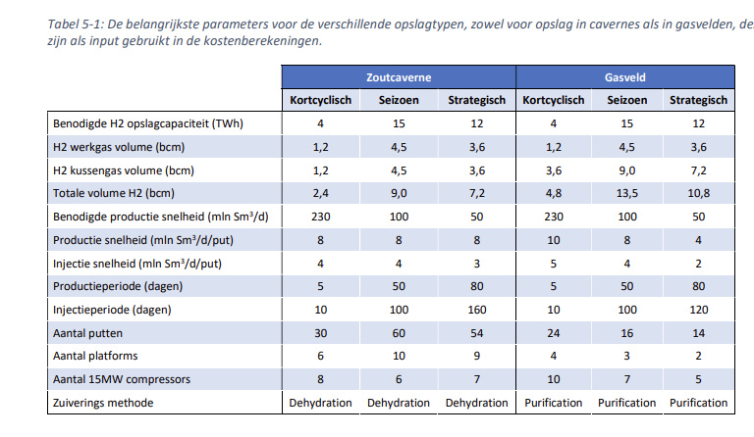
Source | Notes
 | This node source analysis contains 3 sources, the source from Hystories has been deemed the most complelte, and therefore been implemented in the model.
 | Since storage of hydrogen in salt cavernes is an immature technique, the other sources (IEA & TNO) been left in for completeness

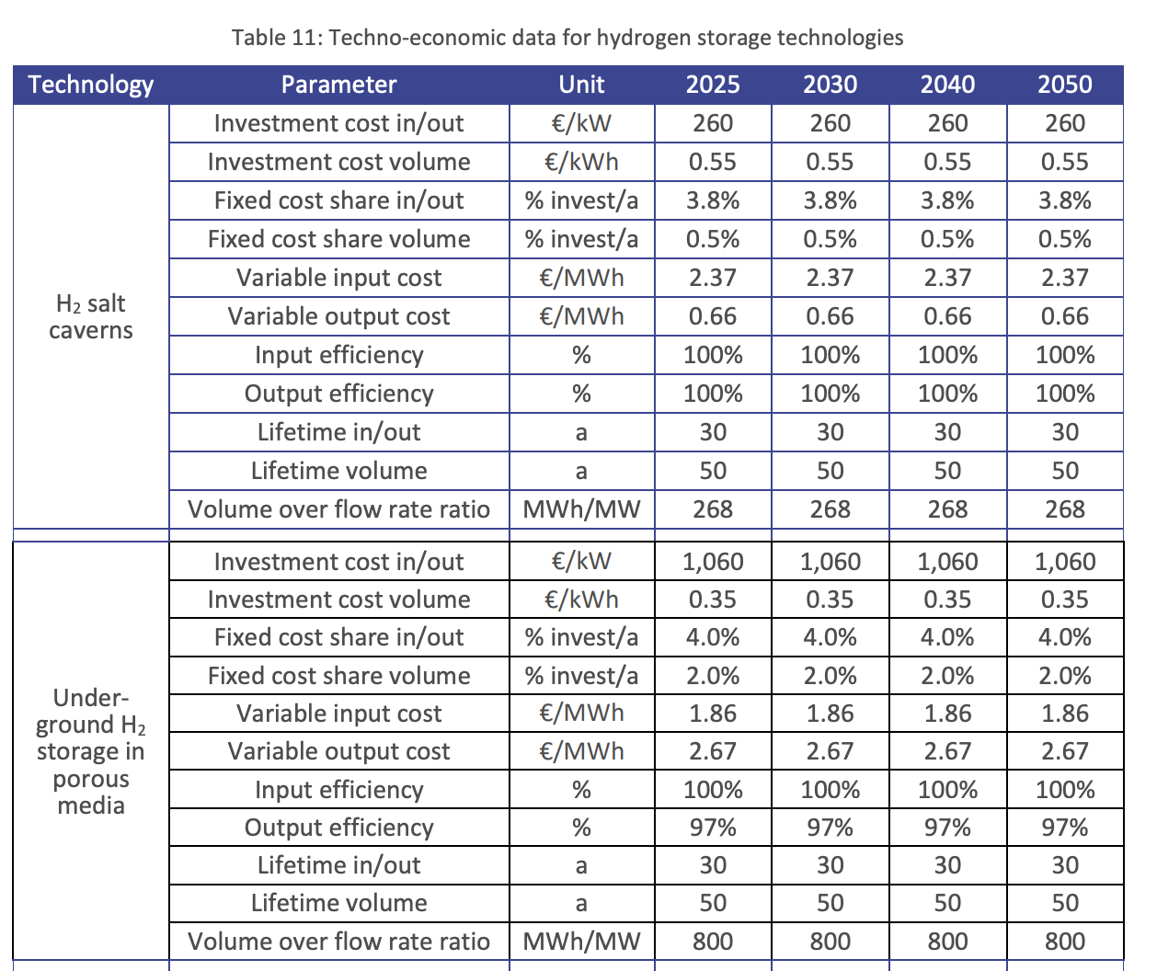
Source: Hystories WP 5 D5.40

CAPEX
capacity.cost | 260000 | €/MW
volume.cost | 550 | €/MWh

Fixed OPEX (annualy)
capacity_per_mw | 9880 | €/MW/year (3,8% of CAPEX)
volume_per_Mwh | 2.75 | €/MWh/year (0,5 % of CAPEX)
capacity.cost | 9880000 | €/year (3,8% of CAPEX)
volume.cost | 687500 | €/year (0,5 % of CAPEX)
fixed_operation_and_maintenance_costs_per_year | 10567500 | €/year
Variable OPEX
input.cost | 2.37 | €/MWh
output.cost | 0.66 | €/MWh
variabale_opex_cost | 3.03 | €/MWh
variable_operation_and_maintenance_costs_per_full_load_hour | 3030 | €/flh ( based on full load capacity of 4000 MW)
Lifetime in/out | 30 | years
Lifetime volume | 50 | years
input efficiency | 100 | %
output efficiency | 100 | %
Source: IEA Hydrogen tcp-task 42: Underground hydrogen storage
CAPEX
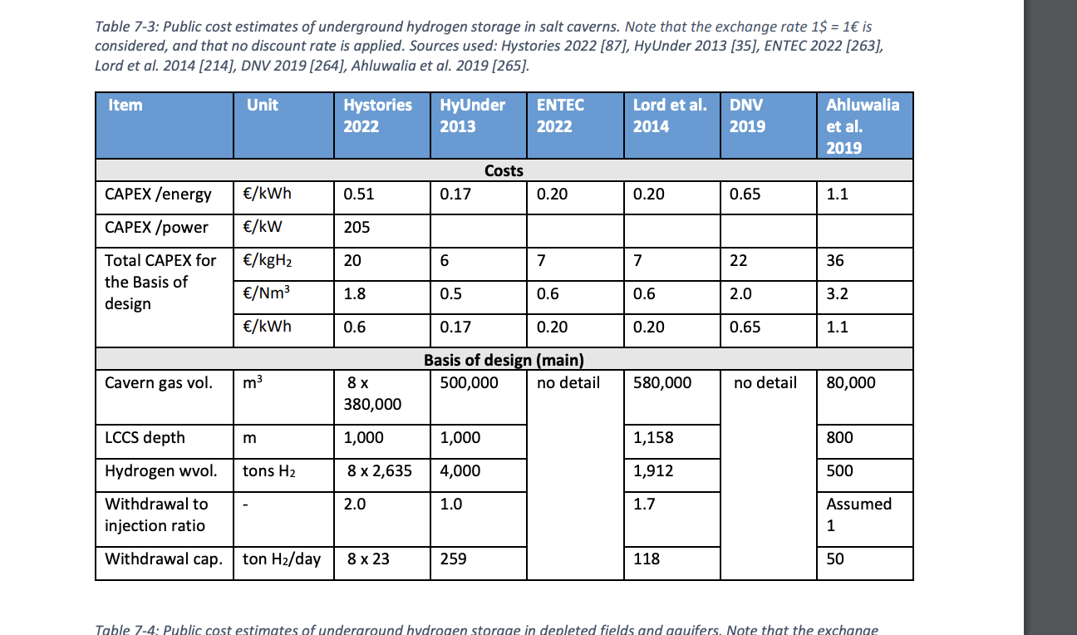
capacity.cost | 205 | €/kW
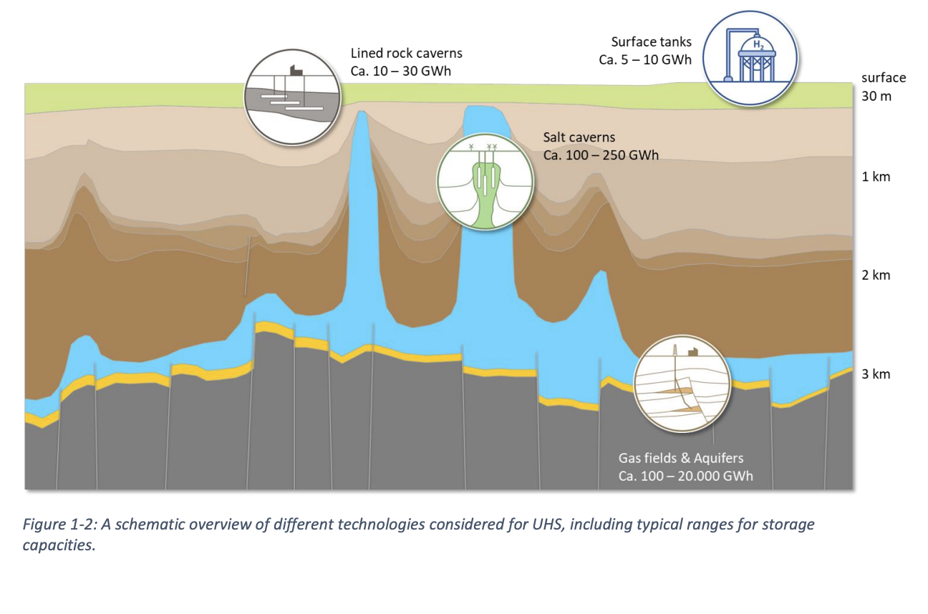
volume.cost | 0.51 | €/kWh

Fixed OPEX (annualy) | 4.1 | %

Lifetime | 40 | years

Typical capacity (min) | 100000 | MWh | 0.1 TWh
Typical capacity (max) | 250000 | MWh | 0.25 TWh
Typical capacity | 250000 | MWh | 0.25 TWh

Source: TNO- 2022-R11212
 |  | Unit
storage.capacity | 1000 | MW | 24 GWh per day | Assumptions based on TNO- 2022-R11212 , OPVIS 1.0 and verification with experts
storage.volume | 250000 | MWh |  | Usage of salt caverns will be for flexible storage with a filling time of 10 days |  |  |  |  |  |  |  | Cushion gas costs calculation
 |  |  |  | Volume and capacity are split in modeling salt caverns |  |  |  |  |  |  |  |  | hydrogen cushion gas | units | Source
 |  |  |  | 1 salt cavern has a storage capacity of 0.25 TWh hydrogen gas |  |  |  |  |  |  |  | Necessary cushion gas per salt cavern | 250 | GWh | TNO-02022-R11212
CAPEX (capacity) | 78.666666667 | Million euros |  | 1 salt cavern usually has 2 wells |  |  |  |  |  |  |  | Energy capacity of hydrogen per kg | 33.3 | kwh/ kg
CAPEX (volume) | 20.27027027 | Million euros |  | 1 well has the capacity to produce and inject 12 GWh per day (0.5 GW * 24 h) |  |  |  |  |  |  |  | Necessary kg per salt cavern | 7507507.5075
 |  |  |  | Capacity is therefore 24 GWh per day (∼10% of 0.25 TWh) |  |  |  |  |  |  |  | Costs hydrogen per kg | 2.7 | euro/kg | TNO-02022-R11212
Lifetime | 40 | years |  | We assume production and injection capacity are equal, this means more compresion capacity for injection needs to be installed |  |  |  |  |  |  |  | Costs in necessary gas per salt cavern | 20.27027027 | Million euros
Construction time | 6 | years | (5-7 years) | Since TNO-2022-R11212 assumes injection = 0.5* production, we assume twice as much compressors
 |  |  |  |  |  |  |  |  |  | Notes
 |  |  |  |  | Volume related costs (250 GWh) |  | Unit | Source
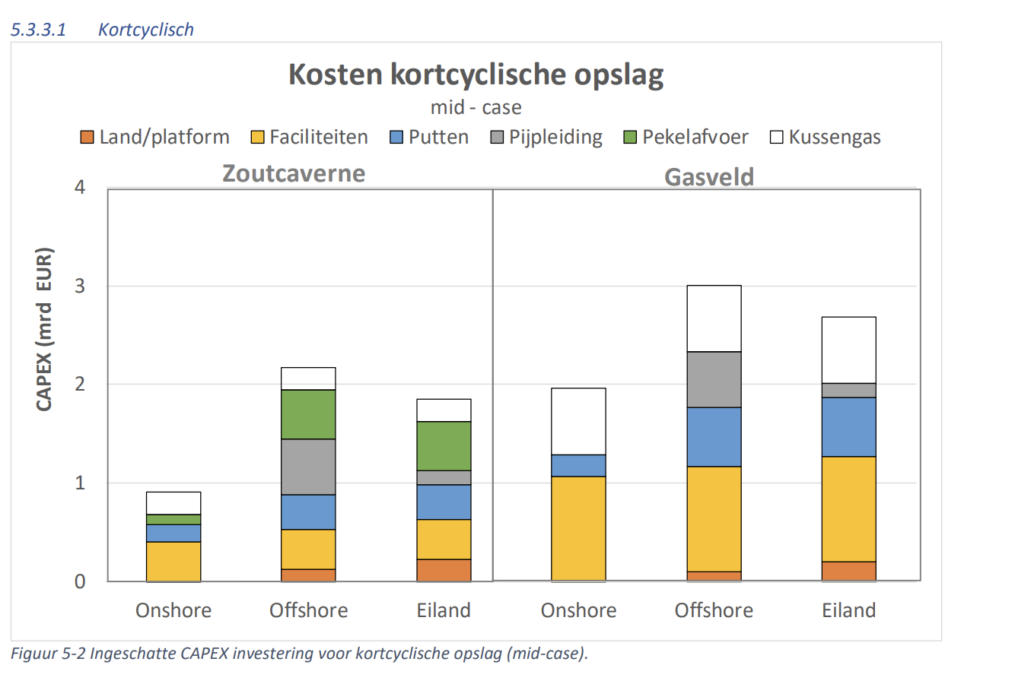
 |  |  |  |  | hydrogen cushion gas | 20.27027027 | Million euros
 |  |  |  |  | Land?
 |  |  |  |  | Pipes?

 |  |  |  |  | Capacity related costs (24 GWh per day) | Amount | Costs per unit | Total costs | unit | Source
 |  |  |  |  | Wells | 2 | 6 | 12 | Million euros | TNO-02022-R11212 | per salt cavern 2 wells
 |  |  |  |  | Dehydration unit | 0.33333333333 | 50 | 16.666666667 | Million euros | TNO-02022-R11212 | per 3 salt caverns 1 dehydration unit
 |  |  |  |  | 15 MW compressor | 1 | 50 | 50 | Million euros | TNO-02022-R11212 | per salt cavern 1 compression unit is needed so production = injection
 |  |  |  |  | Salt factory | ? | 100 |  | Million euros | TNO-02022-R11212 | 1 unit is to large for 1 cavern
 |  |  |  |  | brine discharge | ? |  |  |  | TNO-02022-R11212
 |  |  |  |  | Total |  |  | 78.666666667

