Notes
information received from Vopak expert on 13-3-2024

typical throughput in PJ | 66.71 | PJ/yr
typical throughput in MWh | 18530556 | MWh/yr
full load hours | 8760 | h/yr | Quintel assumption
typical input capacity | 2115 | MW

Initial investment costs | 1,106,000,000 | EUR
O&M | 40,000,000 | EUR

wacc | 0.07
technical lifetime | 20 | yr
land use per terminal in m2 | 53718 | m2
land use per terminal in km2 | 0.053718 | km2/terminal

 | MEUR/PJ/y | M2/PJ | Km2/pj
ammonia | 1.43 | 805 | 0.000805

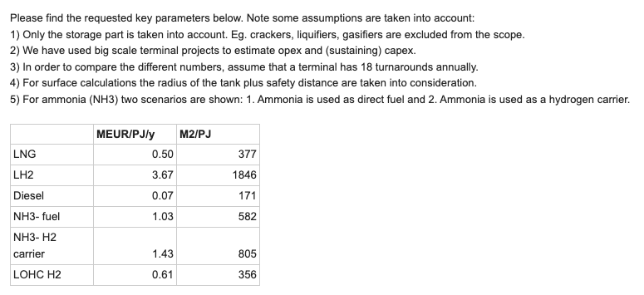
numbers taken of ammonia as H2 carrier since it is expected that ammonia will mostly be deployed as hydrogen carrier in the ETM
Transformed table: |  |  |  |  |  | Vopak
 | NH3- H2 carrier
Tank size m3 | 85,000
Terminal size m3 | 404,000
Capex mln EUR | 1,106
Capex / cbm | 2,738
Capex per year | 55
Opex | 40
Throughput 18x | 7,272,000
Density (kg/m3) | 683
Throughput in kg | 4,963,867,200
Throughput effective product | 555,953,126
Energy (J/Kg) | 120,000,000
PJ/year | 66.71
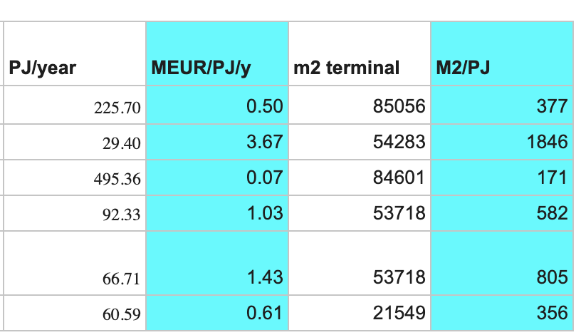
MEUR/PJ/y | 1.43
m2 terminal | 53718
M2/PJ | 805

 |  |  |  |  | Tank size m3 | Terminal size m3 | Capex mln EUR | Capex / cbm | Capex per year | Opex | Throughput 18x | Density (kg/m3) | Throughput in kg | Throughput effective product | Energy (J/Kg) | PJ/year | MEUR/PJ/y | m2 terminal | M2/PJ
 |  |  |  | LNG | 180,000 | 540,000 | 1,500 | 2,778 | 75 | 37 | 9,720,000 | 430 | 4,179,600,000 | 4,179,600,000 | 54,000,000 | 225.7 | 0.5 | 85056 | 377
 |  |  |  | LH2 | 40,000 | 192,000 | 1,161 | 6,047 | 58 | 50 | 3,456,000 | 71 | 245,030,400 | 245,030,400 | 120,000,000 | 29.4 | 3.67 | 54283 | 1846
 |  |  |  | Diesel | 60,000 | 800,000 | 450 | 563 | 23 | 10 | 14,400,000 | 800 | 11,520,000,000 | 11,520,000,000 | 43,000,000 | 495.36 | 0.07 | 84601 | 171
 |  |  |  | NH3- fuel | 85,000 | 404,000 | 1,106 | 2,738 | 55 | 40 | 7,272,000 | 683 | 4,963,867,200 | 4,963,867,200 | 18,600,000 | 92.33 | 1.03 | 53718 | 582
 |  |  |  | NH3- H2 carrier | 85,000 | 404,000 | 1,106 | 2,738 | 55 | 40 | 7,272,000 | 683 | 4,963,867,200 | 555,953,126 | 120,000,000 | 66.71 | 1.43 | 53718 | 805
 |  |  |  | LOHC H2 | 60,000 | 520,000 | 500 | 962 | 25 | 12 | 9,360,000 | 870 | 8,143,200,000 | 504,878,400 | 120,000,000 | 60.59 | 0.61 | 21549 | 356

