Notes
Sources |  | Notes

 |  | Electricity output capacity | 628 | MW | In this Node source analysis it is assumed that a powerplant of 800 MW without CCS is needed to obtain 637 MW output with CCS
 |  | Full load hours | 7,500 | h/y | All non-CCS related costs are therefore based on an 800 MW powerplant. All CCS-related costs are based on a powerplant with 637 MW
 |  | Electricity production | 4,710,000 | MWh/y | With the calculated costs the powerplant capacity is shown.
 |  | Electricity production without CCS | 6,000,000 | MWh/y
 |  | Investment costs, fixed O&M and variable O&M |  |  | Costs excl CCS are assumed from Harvard source, additional costs for CCS are assumed from TNO factsheet, energy.nl
 |  | Initial investment costs coal | 1400.00 | euro/kWe
 |  | Additional investment costs CCS | 1200.00 | euro/kWe
 |  | Fixed O&M costs coal | 20.00 | euro/kWe/yr
 |  | Additional fixed O&M costs CCS | 28.00 | euro/kWe/yr
 |  | Fixed O&M costs total (coal + CCS) | 48.00 | euro/kWe/yr
 |  | Variable O&M costs coal | 1.00 | euro/MWh/yr
 |  | Additional variable O&M costs CCS | 2.00 | euro/MWh/yr

 |  | Initial investment costs for typical output MWe | 1,120,000,000 | euro | 800 MW powerplant
 |  | Additional investment costs CCS for typical output MWe | 753,600,000 | euro | 637 MW powerplant
 |  | Additional investment costs CCS for typical output MWe (inflation corrected) | 1,092,720,000 | euro | 637 MW powerplant
 |  | Fixed O&M costs coal for typical output MWe | 16,000,000 | euro/year | 800 MW powerplant
 |  | Additional fixed O&M costs CCS for typical output MWe | 17,584,000 | euro/year | 637 MW powerplant
 |  | Fixed O&M costs total (coal + CCS) for typical output MWe | 33,584,000 | euro/year | 637 MW powerplant
 |  | Variable O&M costs typical output MWe | 6,000,000 | euro/year | 800 MW powerplant
 |  | Variable O&M costs typical output MWe | 800 | euro/FLH | 800 MW powerplant
 |  | Additional variable O&M costs CCS typical output MWe | 9,420,000 | euro/year | 637 MW powerplant
 |  | Additional variable O&M costs CCS typical output MWe | 1,256 | euro/FLH | 637 MW powerplant

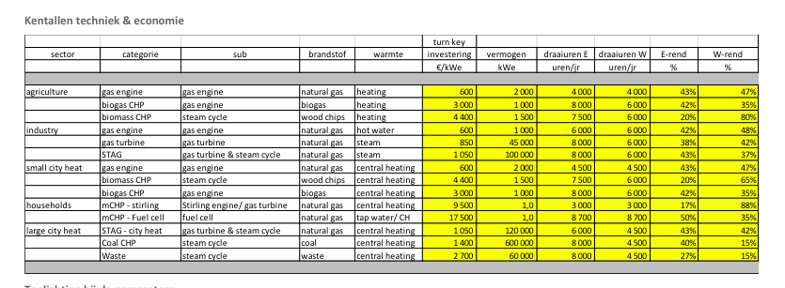
Energymatters |  | Investment costs | 1400 | €/kWe
p.1 |  | Typical scale | 600 | MWe
 |  | Full load hours (electricity) | 8000 | h/y

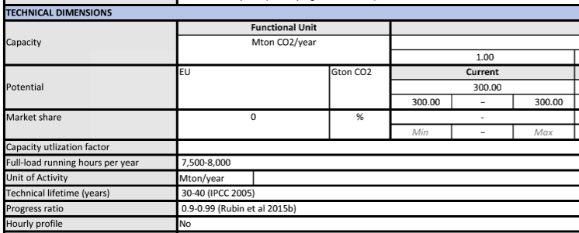

TNO, energy.nl |  | full load hours | 7,500 | h/y | 7500-8000 h/y
 |  | technical lifetime | 40 | y | 30-40 y
 |  | typical scale without CCS | 800 | MW | 500-1000 MW
 |  | typical scale with CCS | 628 | MW | electrical efficiency 46% without CCS and 36.1% with CCS (sourced from energy_power_ultra_supercritical_coal)
 |  | Costs (provided as additional costs for CCS)
 |  | Investement costs | 1200 | €/kWe | 700-1700 €/kWe, includes costs for CO2 capture, CO2 compression and utilitiy units
 |  | Fixed operational costs (excl fuel) | 28 | €/kWe | include additional costs for maintenance, labour, administration insurance and taxes
 |  | Variable costs | 2 | €/MWh | include additional chemicals, cooling water charges and waste disposal costs
 |  | CO2 capture rate | 0.9 |  | 0.85-0.95

Expert opinion |  | Additional initial investment costs for CCS | 1,500,000,000 | €/unit | approximate price for one typical unit
 |  | Additional initial investment costs for CCS inflation corrected | 1740 | €/kWe | from the expert opinion the costs of TNO source should be corrected for inflation to determine the appropriate price
 |  | Additional initial investment costs for CCS inflation corrected | 1,092,720,000 | €/unit | these inflation corrected costs are more in line with the current costs for CCS

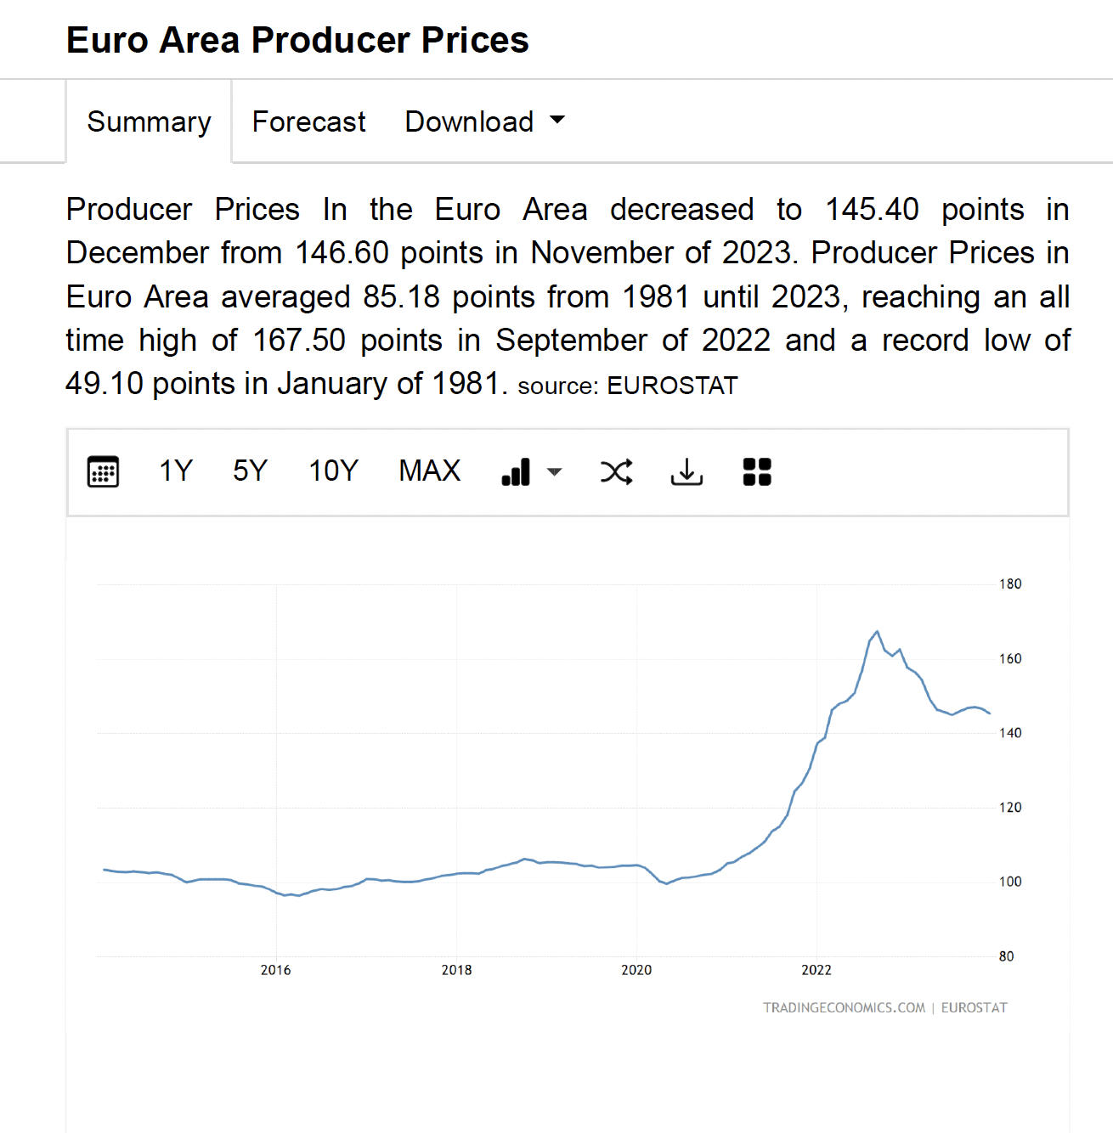

Trading Economics, Eurostat |  | Producer price index 2023 (compared to 2015) | 1.45


Harvard |  | Initial investment costs coal conventional | 1,400 | €/kWe | 1400-1600 €/kWe
p.30 |  | Initial investment costs coal CCS | 2,700 | €/kWe | 2700-2900 €/kWe
 |  | Additional investment costs for CCS | 1,300 | €/kWe

 |  | Fixed O&M coal conventional | 20 | €/kWe | 18-22 €/kWe
 |  | Fixed O&M coal CCS | 70 | €/kWe | 60-80 €/kWe
 |  | Additional fixed O&M costs for CCS | 50 | €/kWe

 |  | Variable O&M coal conventional | 1 | €/MWh
 |  | Variable O&M coal CCS | 3 | €/MWh
 |  | Additional variable O&M coal CCS | 2 | €/MWh


 |  | Construction time | 4 | yr
 |  | Lifetime | 40 | yr

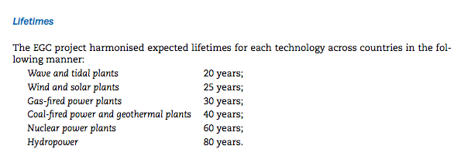
IEA
p.43

 | Lifetime | 40 | yr


p.44

 | Construction time | 4 | yr

