Notes
Sources |  | Notes

 |  | Typical scale without CCS | 800 | MW
 |  | Full load hours | 7500 | h/yr | From energy_power_wood_pellets_CCS_must_run
 |  | Electricity production without CCS | 6,000,000 | MWh/y

 |  | Investment costs, fixed O&M and variable O&M
 |  | Initial investment costs coal | 1400.00 | euro/kWe
 |  | Fixed O&M costs coal | 20.00 | euro/kWe/yr
 |  | Variable O&M costs coal | 1.00 | euro/MWh/yr

 |  | Initial investment costs for typical output MWe | 1,120,000,000 | euro
 |  | Fixed O&M costs coal for typical output MWe | 16,000,000 | euro/yr
 |  | Variable O&M costs typical output MWe | 6,000,000 | euro/yr
 |  | Variable O&M costs typical output MWe | 800 | euro/FLH

Energymatters
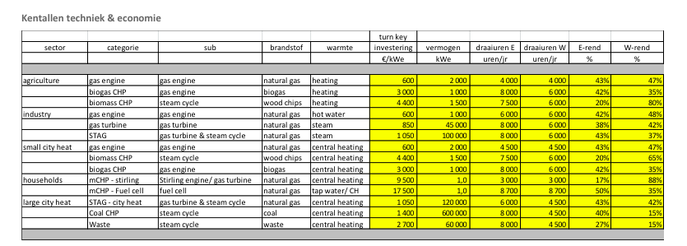
p.1

 | 1400 | euro/KW

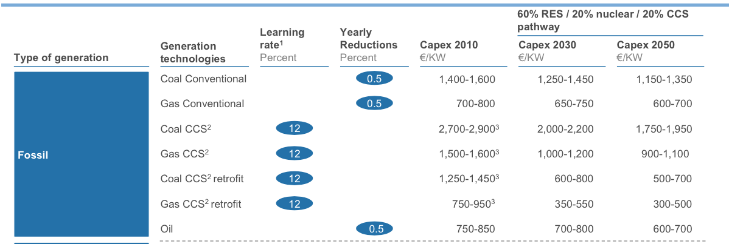
Harvard

p.30

 | 1400 | euro/KW

p.31

Fixed O&M | 20 | euro/KW
VariableO&M | 1 | euro/MWh

p.32

Construction time | 4 | yr
Lifetime | 40 | yr

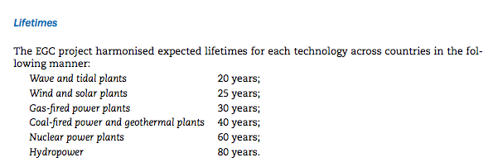
IEA
p.43

 | Lifetime | 40 | yr

p.44

 | Construction time | 4 | yr

