Sources
Source: Denmark Statistics
areable_land | 26225.8

Source: Denmark Statistics
number_of_inhabitants | 5707251

Sources: Denmark Energy Agency - Energy in Denmark 2015
coastline | 7314

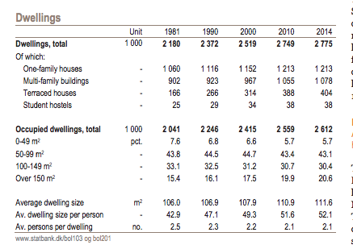

Sources: Denmark Statistics: Denmark in Figures 2015: http://www.dst.dk/Site/Dst/Udgivelser/GetPubFile.aspx?id=19006&sid=denmark2015
number_of_houses | 2775000 | 2014

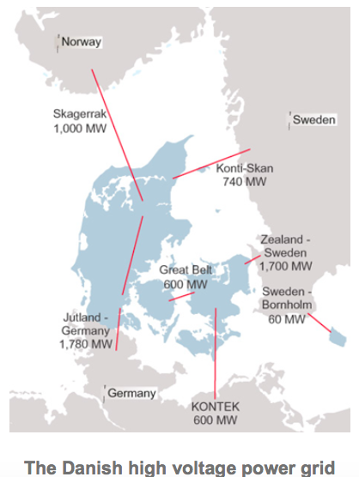
Interconnection
 | Jutland - Germany |  | 1780
 | Skagerrak |  | 1000
 | Konti-Skan |  | 740
 | Zealand-Zweden |  | 1700
 | Kontek |  | 600
 | Sweden Bornholm |  | 60 | Not connected to Mainland'

 |  |  | 5820

Annual infrastructure cost gas
 | 2016 | 2015 | For dataset 2015 | unit | Remark
Transmission | 428 | 310 | 310 | DKKm | Chosen 2015, because it is the baseyear
Distribution | 256 | 0 | 256 | DKKm | Chosen 2016, because distribution costs were not includedn in 2015
 |  |  | 566 | DKKm
 |  |  | 0.13 | euro/DKK
annual_infrastructure_cost_gas |  |  | 73.58 | M Euros

 |  |  |  |  |  | From: Energinet, Annual report 2016, p. 75
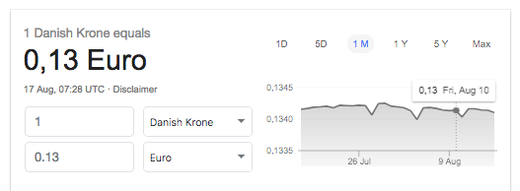

 |  |  |  |  |  | From: Google

Roof surface available for pv |  |  |  |  |  | From: Interview with Energinet
 |  |  |  |  |  | Category | Code | ANVKODE_TXT | Developed area | Mio M2
 |  |  |  |  |  | Residence | 110 | farmhouse | 17765454 | 17.8
Residences | 210.1 |  |  |  |  | Residence | 120 | Single-family house | 126122950 | 126.1
Services | 78.1 |  |  |  |  | Residence | 130 | Terrace/row house | 24110198 | 24.1
 |  |  |  |  |  | Residence | 140 | Block of flats | 24086091 | 24.1
 |  |  |  |  |  | Residence | 150 | Dormitory/residence hall | 666259 | 0.7
 |  |  |  |  |  | Residence | 160 | 24-hour care centre | 2862580 | 2.9
 |  |  |  |  |  | Residence | 190 | Other permanent residence | 773273 | 0.8
 |  |  |  |  |  | Prod. industry | 210 | industry/agriculture | 122194603 | 122.2
 |  |  |  |  |  | Prod. industry | 220 | industry | 46796779 | 46.8
 |  |  |  |  |  | Supply | 230 | Supply facilities | 2833891 | 2.8
residences_roof_surface_available_for_pv |  |  | 210.1 |  |  | Prod. industry | 290 | Other indu. buildings | 3564345 | 3.6
buildings_roof_surface_available_for_pv |  |  | 78.1 |  |  | Trade and service | 310 | Transport facilities | 4765050 | 4.8
 |  |  |  |  |  | Trade and service | 320 | Office/trade | 37963513 | 38
 |  |  |  |  |  | Trade and service | 330 | Hotel and service | 3805945 | 3.8
 |  |  |  |  |  | Trade and service | 390 | Other trade/service | 984356 | 1
 |  |  |  |  |  | Trade and service | 410 | Museums etc. | 3248346 | 3.2
 |  |  |  |  |  | Trade and service | 420 | Education | 14080644 | 14.1
 |  |  |  |  |  | Trade and service | 430 | Hospitals | 1791136 | 1.8
 |  |  |  |  |  | Trade and service | 440 | Day care centre | 2608033 | 2.6
 |  |  |  |  |  | Trade and service | 490 | Other institutions | 2624115 | 2.6
 |  |  |  |  |  | Residence | 510 | Holiday/summer house | 13097625 | 13.1
 |  |  |  |  |  | Trade and service | 520 | Other holiday facilities | 608353 | 0.6
 |  |  |  |  |  | Trade and service | 530 | Sports facilities | 4499968 | 4.5
 |  |  |  |  |  | Residence | 540 | Allotment hut/shack | 504893 | 0.5
 |  |  |  |  |  | Trade and service | 590 | Other second home | 1308061 | 1.3
 |  |  |  |  |  | Sum |  |  | 463666461 | 463.7

Number of cars | 2329578

